微生信示例246

term | -log10(pvalue) | count | group | 微生信，您身边的数据分析，可视化专家
negative regulation of viral life cycle | 14.47454154 | 34 | A | https://www.bioinformatics.com.cn/plot_basic_gradient_color_treemap_plot_246
granulocyte migration | 14.43899502 | 33 | A
leukocyte cell-cell adhesion | 13.77596499 | 33 | A | 输出示例图
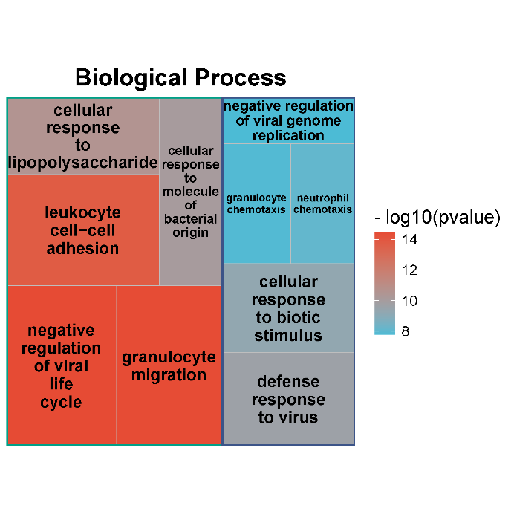
cellular response to lipopolysaccharide | 10.56406743 | 23 | A
cellular response to molecule of bacterial origin | 10.05267032 | 23 | A
defense response to virus | 9.636349294 | 24 | B
cellular response to biotic stimulus | 9.255881354 | 23 | B
neutrophil chemotaxis | 8.114819408 | 15 | B
granulocyte chemotaxis | 7.857759615 | 16 | B
negative regulation of viral genome replication | 7.780412064 | 12 | B

 |  |  |  | 注意：

 |  |  |  | 使用问题，或数据分析合作意向
 |  |  |  | 请微信扫码联系我们

