微生信示例247

group | term | pvalue | count | 微生信，您身边的数据分析，可视化专家
BP | negative regulation of viral life cycle | 3.35E-15 | 36 | https://www.bioinformatics.com.cn/plot_basic_go_horizontal_bar_with_labels_247
BP | granulocyte migration | 3.64E-15 | 52
BP | leukocyte cell-cell adhesion | 1.68E-14 | 42 | 输出示例图
BP | cellular response to lipopolysaccharide | 2.73E-11 | 25
BP | cellular response to molecule of bacterial origin | 8.86E-11 | 23
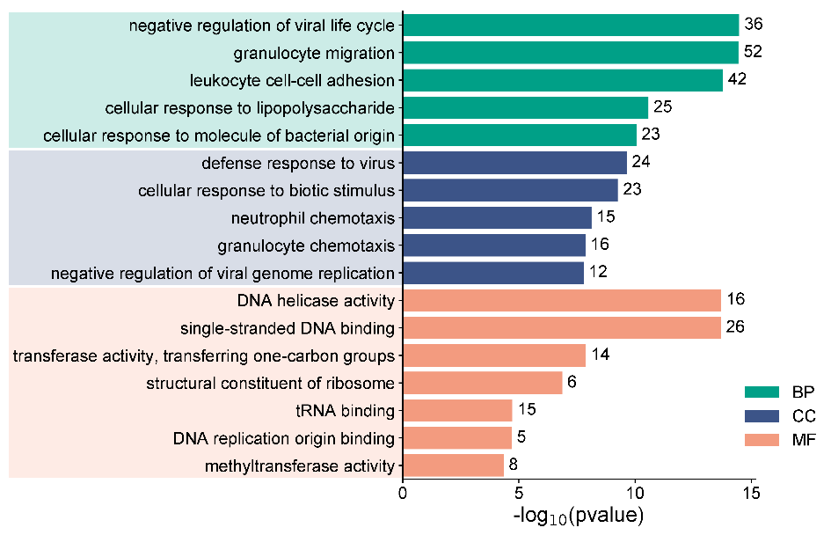
CC | defense response to virus | 2.31E-10 | 24
CC | cellular response to biotic stimulus | 5.55E-10 | 23
CC | neutrophil chemotaxis | 7.68E-09 | 15
CC | granulocyte chemotaxis | 1.39E-08 | 16
CC | negative regulation of viral genome replication | 1.66E-08 | 12
MF | DNA helicase activity | 1.99E-14 | 16
MF | single-stranded DNA binding | 2.02E-14 | 26
MF | transferase activity, transferring one-carbon groups | 1.31E-08 | 14
MF | structural constituent of ribosome | 1.38E-07 | 6
MF | tRNA binding | 1.94E-05 | 15
MF | DNA replication origin binding | 2.08E-05 | 5
MF | methyltransferase activity | 4.63E-05 | 8

 |  |  |  | 注意：

 |  |  |  | 使用问题，或数据分析合作意向
 |  |  |  | 请微信扫码联系我们

