微生信示例250

group | Description | pvalue | geneID | 微生信，您身边的数据分析，可视化专家
Melanocyte | Hypertrophic cardiomyopathy | 1.36E-09 | Lama2/Tgfb2/Ttn/Myh7/Slc8a1 | https://www.bioinformatics.com.cn/plot_basic_go_kegg_enrichment_hbar_with_genes_250
Melanocyte | Dilated cardiomyopathy | 1.58E-07 | Lama2/Tgfb2/Ttn/Myh7/Slc8a1
Melanocyte | Leukocyte transendothelial migration | 4.25E-06 | Ncf1/Thy1/Cldn18/Cxcr4/Ptk2b | 输出示例图
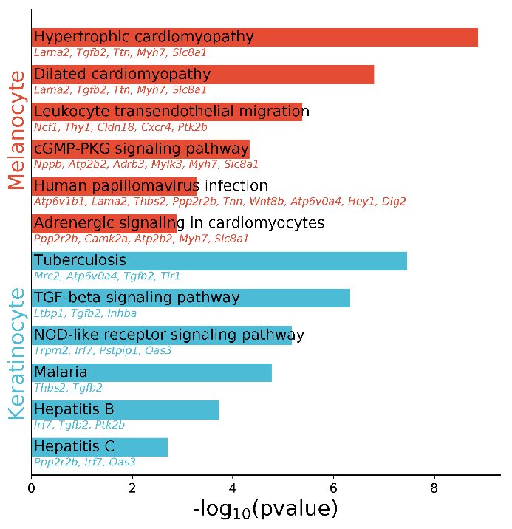
Melanocyte | cGMP-PKG signaling pathway | 4.72E-05 | Nppb/Atp2b2/Adrb3/Mylk3/Myh7/Slc8a1
Melanocyte | Human papillomavirus infection | 5.29E-04 | Atp6v1b1/Lama2/Thbs2/Ppp2r2b/Tnn/Wnt8b/Atp6v0a4/Hey1/Dlg2
Melanocyte | Adrenergic signaling in cardiomyocytes | 1.34E-03 | Ppp2r2b/Camk2a/Atp2b2/Myh7/Slc8a1
Keratinocyte | Tuberculosis | 3.52E-08 | Mrc2/Atp6v0a4/Tgfb2/Tlr1
Keratinocyte | TGF-beta signaling pathway | 4.72E-07 | Ltbp1/Tgfb2/Inhba
Keratinocyte | NOD-like receptor signaling pathway | 6.71E-06 | Trpm2/Irf7/Pstpip1/Oas3
Keratinocyte | Malaria | 1.71E-05 | Thbs2/Tgfb2
Keratinocyte | Hepatitis B | 1.94E-04 | Irf7/Tgfb2/Ptk2b
Keratinocyte | Hepatitis C | 2.00E-03 | Ppp2r2b/Irf7/Oas3

 |  |  |  | 注意：

 |  |  |  | 使用问题，或数据分析合作意向
 |  |  |  | 请微信扫码联系我们

