微生信示例256
#node1 | node2 | combined_score | 微生信，您身边的数据分析，可视化专家
ACTR1A | RAB11A | 0.598 | https://www.bioinformatics.com.cn/basic_protein_protein_interaction_network_by_igraph_256
ACTR1A | DYNLL1 | 0.881
BLM | CDK4 | 0.846 | 输出示例图
BLM | ORC1 | 0.524
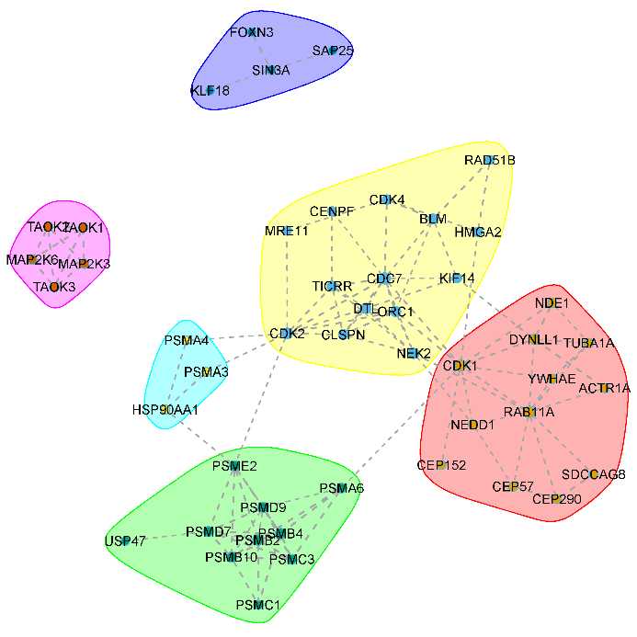
BLM | KIF14 | 0.543
BLM | CDC7 | 0.583
BLM | RAD51B | 0.82
CDC7 | CDK4 | 0.883
CDC7 | CDK2 | 0.948
CDC7 | TICRR | 0.926
CDC7 | CLSPN | 0.94
CDC7 | CENPF | 0.404
CDC7 | DTL | 0.578
CDC7 | NEK2 | 0.42
CDC7 | KIF14 | 0.434
CDC7 | ORC1 | 0.93
CDC7 | CDK1 | 0.784
CDK1 | PSMA6 | 0.417
CDK1 | RAB11A | 0.627
CDK1 | YWHAE | 0.604
CDK1 | ORC1 | 0.862
CDK1 | CEP152 | 0.603
CDK1 | DYNLL1 | 0.837
CDK1 | NEDD1 | 0.477 | 注意：
CDK1 | HMGA2 | 0.588
CDK1 | NDE1 | 0.89
CDK2 | PSMA4 | 0.466
CDK2 | PSMA3 | 0.477 | 使用问题，或数据分析合作意向
CDK2 | PSME2 | 0.451 | 请微信扫码联系我们

CDK2 | TICRR | 0.671
CDK2 | DTL | 0.692
CDK2 | CLSPN | 0.736
CDK2 | MRE11 | 0.753
CDK2 | ORC1 | 0.908
CDK4 | MRE11 | 0.431
CDK4 | HMGA2 | 0.521
CENPF | TICRR | 0.537
CEP290 | RAB11A | 0.676
CEP290 | CEP57 | 0.612
CEP290 | SDCCAG8 | 0.864
CEP57 | RAB11A | 0.504
CEP57 | NEDD1 | 0.407
CLSPN | TICRR | 0.658
CLSPN | DTL | 0.566
CLSPN | NEK2 | 0.637
CLSPN | ORC1 | 0.851
DTL | TICRR | 0.571
DTL | NEK2 | 0.601
DTL | KIF14 | 0.683
DTL | ORC1 | 0.856
DYNLL1 | RAB11A | 0.608
DYNLL1 | KIF14 | 0.511
DYNLL1 | TUBA1A | 0.433
DYNLL1 | NDE1 | 0.948
FOXN3 | SIN3A | 0.956
HMGA2 | RAD51B | 0.821
HSP90AA1 | PSMA4 | 0.59
HSP90AA1 | PSMA3 | 0.647
HSP90AA1 | PSME2 | 0.542
NDE1 | TUBA1A | 0.407
NEDD1 | RAB11A | 0.508
NEDD1 | NEK2 | 0.439
NEK2 | RAB11A | 0.624
NEK2 | TICRR | 0.41
NEK2 | ORC1 | 0.519
PSMA6 | PSMD9 | 0.47
PSMA6 | PSMB2 | 0.999
PSMA6 | PSMB4 | 0.999
PSMA6 | PSMC3 | 0.999
PSMB10 | PSME2 | 0.979
PSMB10 | PSMD7 | 0.916
PSMB10 | PSMC1 | 0.894
PSMB10 | PSMB4 | 0.999
PSMB10 | PSMD9 | 0.454
PSMB10 | PSMC3 | 0.844
PSMB10 | PSMB2 | 0.999
PSMB2 | PSME2 | 0.981
PSMB2 | PSMD7 | 0.999
PSMB2 | PSMC1 | 0.999
PSMB2 | PSMB4 | 0.999
PSMB2 | PSMD9 | 0.647
PSMB2 | PSMC3 | 0.999
PSMB4 | PSME2 | 0.992
PSMB4 | PSMD7 | 0.999
PSMB4 | PSMC1 | 0.999
PSMB4 | PSMD9 | 0.654
PSMB4 | PSMC3 | 0.998
PSMC3 | PSMD7 | 0.999
PSMC3 | PSMD9 | 0.999
PSMD7 | PSME2 | 0.845
PSMD7 | USP47 | 0.408
PSMD7 | PSMD9 | 0.961
PSMD9 | PSME2 | 0.587
RAB11A | SDCCAG8 | 0.555
RAB11A | TUBA1A | 0.611
RAB11A | YWHAE | 0.636
TAOK2 | TAOK3 | 0.944
TUBA1A | YWHAE | 0.652
KLF18 | SIN3A | 0.464
MAP2K3 | TAOK1 | 0.929
MAP2K3 | TAOK2 | 0.987
MAP2K3 | TAOK3 | 0.908
MAP2K3 | MAP2K6 | 0.989
MAP2K6 | TAOK1 | 0.923
MAP2K6 | TAOK2 | 0.973
MAP2K6 | TAOK3 | 0.906
SAP25 | SIN3A | 0.731
TAOK1 | TAOK2 | 0.943
TAOK1 | TAOK3 | 0.944

