微生信示例270

metabolites | Treat-1 | Treat-2 | Treat-3 | Ctrl-1 | Ctrl-2 | Ctrl-3 | VIP | 微生信，您身边的数据分析，可视化专家
Pyruvic acid/Serine | 111.75 | 948.75 | 1401.75 | 341.82 | 145.45 | 103.18 | 3.45 | https://www.bioinformatics.com.cn/plot_basic_dotbar_heatmap_plot_270
Glutamic acid/Glutamine | 83.25 | 1686.00 | 529.50 | 236.82 | 414.55 | 280.00 | 3.22
Glutamic acid/Oxoglutaric acid | 999.75 | 753.00 | 577.50 | 386.21 | 222.50 | 185.04 | 2.75 | 输出示例图
Glucose 6-phosphate/Fructose 6-phosphate | 641.25 | 1188.00 | 801.00 | 381.36 | 220.00 | 190.00 | 2.75
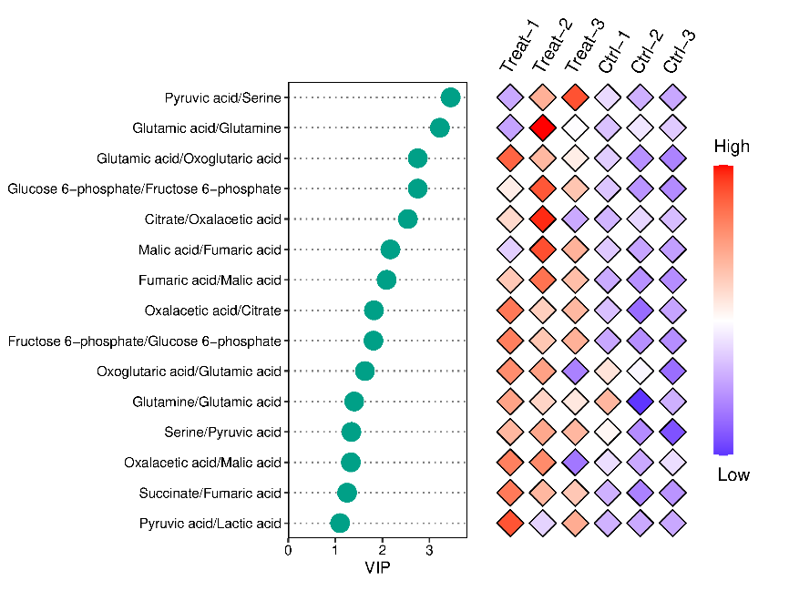
Citrate/Oxalacetic acid | 875.25 | 1807.50 | 176.25 | 236.82 | 414.55 | 280.00 | 2.54
Malic acid/Fumaric acid | 436.50 | 1255.50 | 909.00 | 420.45 | 294.55 | 276.82 | 2.17
Fumaric acid/Malic acid | 1145.25 | 1612.75 | 1205.25 | 420.45 | 294.55 | 276.82 | 2.09
Oxalacetic acid/Citrate | 1203.75 | 868.00 | 959.25 | 456.01 | 168.05 | 362.14 | 1.82
Fructose 6-phosphate/Glucose 6-phosphate | 1380.25 | 1063.50 | 1163.25 | 460.00 | 369.09 | 363.64 | 1.81
Oxoglutaric acid/Glutamic acid | 1146.00 | 1057.50 | 115.50 | 747.27 | 583.64 | 40.00 | 1.63
Glutamine/Glutamic acid | 950.25 | 798.75 | 738.00 | 891.36 | 152.73 | 462.73 | 1.40
Serine/Pyruvic acid | 1088.50 | 1148.25 | 1090.75 | 842.27 | 438.18 | 250.91 | 1.34
Oxalacetic acid/Malic acid | 1173.00 | 1134.00 | 221.25 | 570.00 | 393.18 | 568.64 | 1.33
Succinate/Fumaric acid | 1104.75 | 954.00 | 912.00 | 595.91 | 490.45 | 531.82 | 1.25
Pyruvic acid/Lactic acid | 1570.50 | 647.25 | 1210.75 | 515.45 | 480.91 | 475.45 | 1.10

 |  |  |  |  |  |  |  | 注意：

 |  |  |  |  |  |  |  | 使用问题，或数据分析合作意向
 |  |  |  |  |  |  |  | 请微信扫码联系我们

