微生信示例271

微生信，您身边的数据分析，可视化专家
https://www.bioinformatics.com.cn/plot_basic_mantel_correlation_network_plot_271

输出示例图
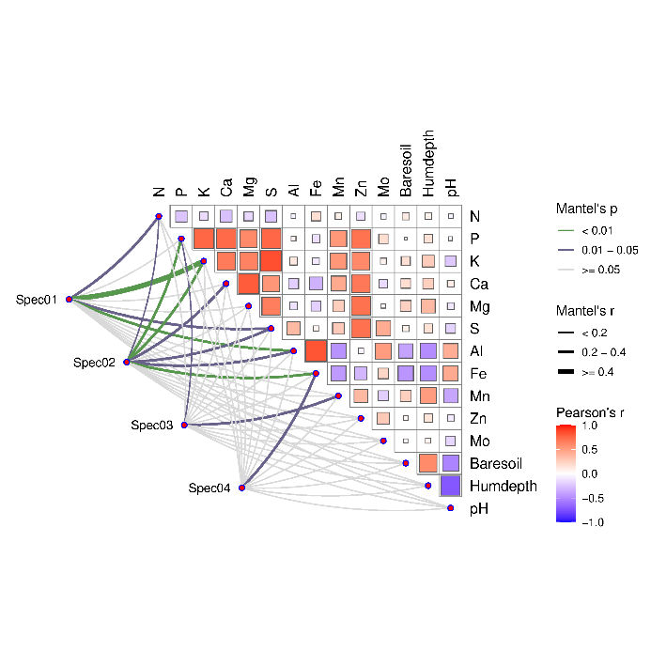

注意：

使用问题，或数据分析合作意向
请微信扫码联系我们

