微生信示例278
NAPRT | 物种英文 | 中文 | taxid | 微生信，您身边的数据分析，可视化专家
TDRD3 | Struthio camelus australis (South African ostrich) | 南非鸵鸟 | 441894 | https://www.bioinformatics.com.cn/basic_go_pathway_enrichment_analysis_for_non_model_organism_278
SLC17A8 | Chelonoidis abingdonii (Abingdon island giant tortoise) | 平塔岛象龟 | 106734
MTHFD2 | Marmota marmota marmota (Alpine marmot) | 阿尔卑斯旱獭 | 9994 | 输出示例图
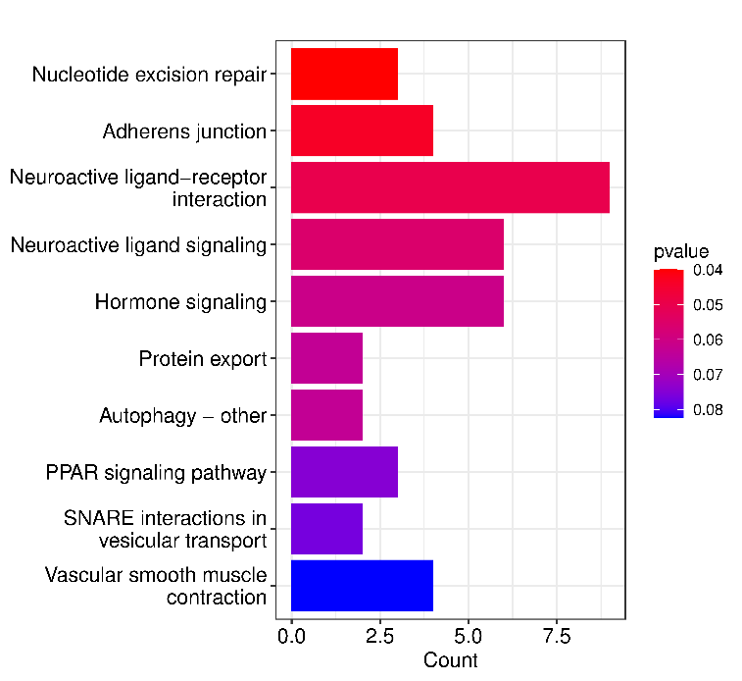
ACVR1 | Ictalurus punctatus (channel catfish) | 斑点叉尾鮰 | 7998
RPS6KA3 | Myxocyprinus asiaticus (Chinese sucker) | 中国胭脂鱼 | 70543
CABLES1 | Ziziphus jujuba (Chinese jujube) | 枣树 | 326968
RPL14
NEK3
SRSF6
KANK4
DDB1
LOC104151011
HGF
LOC104149687
CACNG1
CETP
NPM3
MYH9
MAEL
PTAFR
SORBS1
ACRBP
HSPA2
NSL1
TOB2 |  |  |  | 使用问题，或数据分析合作意向
KLB |  |  |  | 请微信扫码联系我们

NFAM1
STX2
KCNE1
CSRP2
SRL
WASF1
FKBP11
ENOX1
STEAP1
LOC104145893
DNAJB6
AP3D1
FGF3
MAPKAPK5
PPA2
B4GALT1
LOC104152914
SNRNP35
ARIH1
FAM49B
SHC1
CSNK1A1
LOC104142608
NARF
AES
MKKS
ZFAND2B
SLC35D1
PCYT2
PPWD1
PKN3
USP18
KLHDC10
RECK
BPTF
GRIK2
ALKBH8
LOC104138692
POLR2H
CD14
SQRDL
UBASH3B
LOC104138095
BET1
PI4K2B
FSD1L
BUB1B
LOC104140756
NDUFA11
PHF20
GPR87
KIF13B
N6AMT2
SSTR5
LOC104138877
DENND2A
CDH8
NOP58
MYH9
SLC27A1
XRCC5
CASS4
LOC104140151
NSD1
LOC104140680
LYPLA1
CDK19
GGT1
RHCG
LOC104140526
LOC104152361
ESRRB
ADCY7
PSMD13
GFI1
LOC104137775
GDF10
TINAG
LOC104141948
TWIST2
AMBP
HID1
TMEM208
INTS10
LOC104141831
PENK
VIP
LYZ
CCR7
SASS6
BICD2
LONP1
TIPIN
SGCZ
SH3KBP1
SNX5
LOC104151541
LOC104149488
TMED5
LOC104144733
MYL9
IHH
CHRM5
GPHB5
LOC104153356
PDPN
FASTK
EDN2
DYNLRB2
MEI4
FOXJ1
LOC104140391
IL17RA
CRHR1
NUP214
JADE2
CLIC6
CACNA1B
MYOZ3
LOC104143549
SPTY2D1
ATF1
GABARAPL2
SLC17A6
CHODL
PRR11
OPTN
ATG4C
ERAP1
ETNPPL
TOM1L2
FARSB
MAP6
LOC104138692
PLIN2
BUB1B
ZBTB25

