微生信示例 t027
sample | group | ABI3BP | CCDC80 | ITGA11 | INSIG1 | APP | CYP51 | POSTN | HMGCS1 | GDA | FKBP5 | CASP4 | SCD2 | COL2A1 | LTBP2 | SCD | ISM1 | ADAMTSL3
s1 | cancer | 7.63 | 7.45 | 7.77 | 5.70 | 4.75 | 5.70 | 9.31 | 7.93 | 7.91 | 4.70 | 4.75 | 3.09 | 5.14 | 8.39 | 0.88 | 2.12 | 5.99 | https://www.bioinformatics.com.cn/plot_two_group_svm_rfe_gene_feature_selection_t027
s2 | cancer | 8.63 | 4.66 | 7.07 | 0.68 | 7.64 | 7.59 | 10.26 | 8.62 | 9.30 | 6.42 | 6.97 | 8.52 | 6.70 | 10.47 | 7.08 | 9.38 | 9.55
s3 | cancer | 4.63 | 4.11 | 7.03 | 5.99 | 1.17 | 3.46 | 7.23 | 5.84 | 6.02 | 2.59 | 2.05 | 4.67 | 4.00 | 6.39 | 1.47 | 4.44 | 3.29 | 输出示例图
s4 | cancer | 6.21 | 2.47 | 7.95 | 3.82 | 3.60 | 4.97 | 7.21 | 6.49 | 6.94 | 7.49 | 5.06 | 4.26 | 5.74 | 7.03 | 3.26 | 7.83 | 7.71
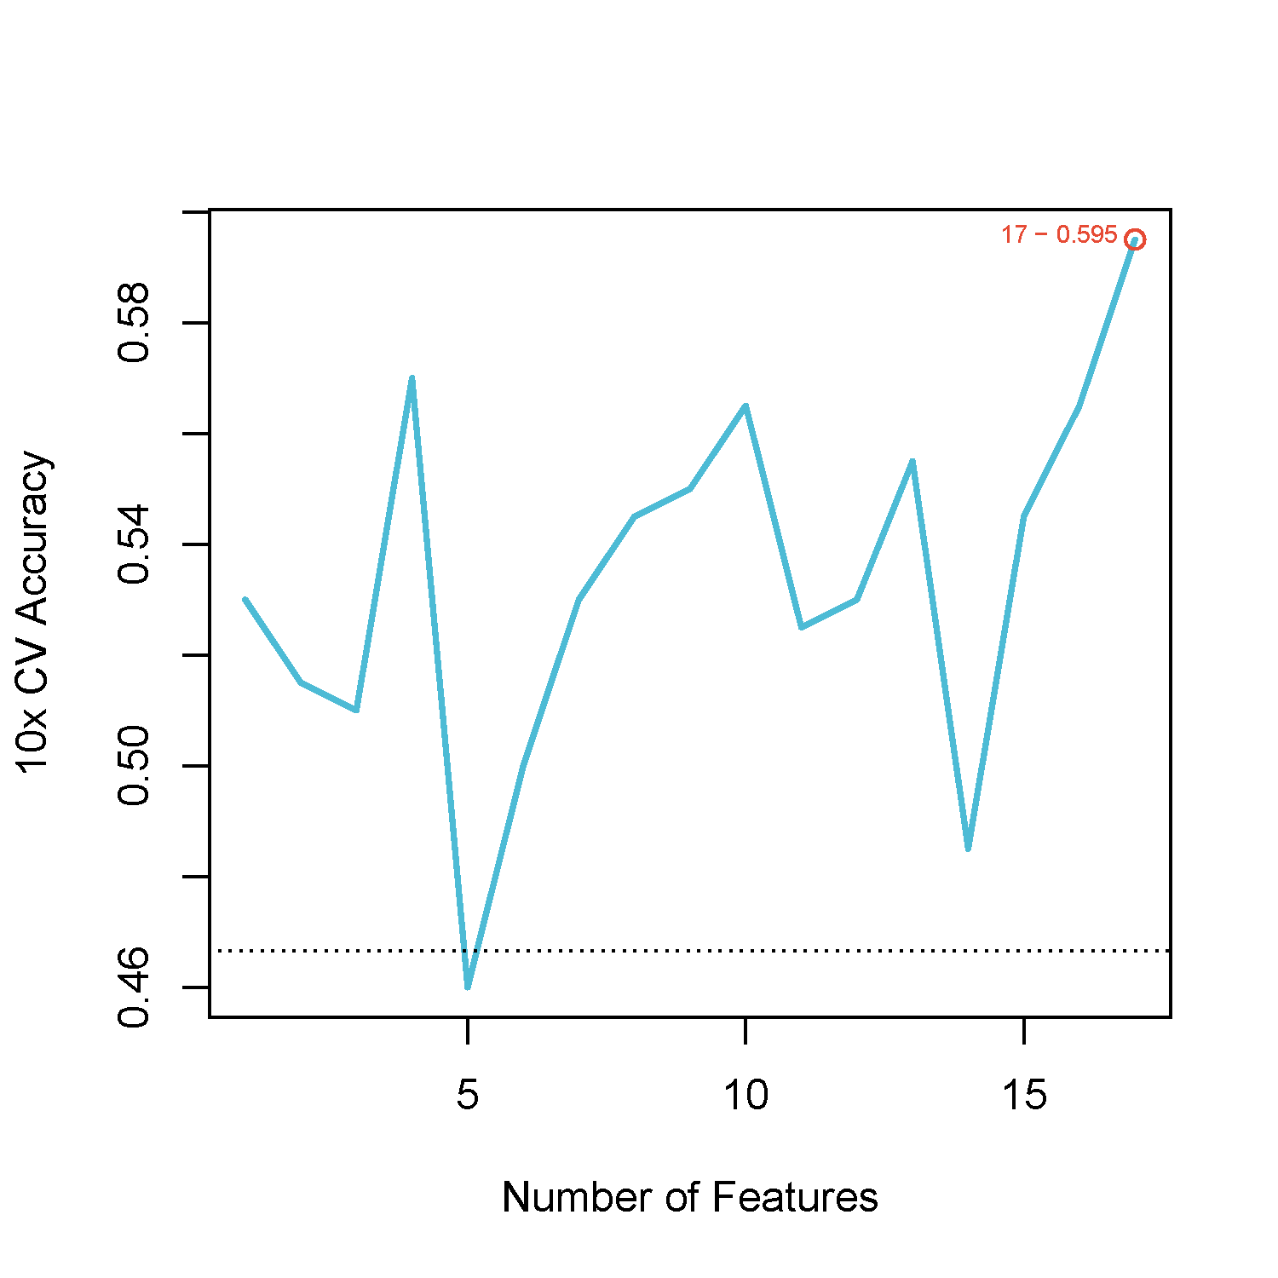
s5 | cancer | 8.37 | 6.19 | 6.78 | 9.59 | 9.50 | 6.39 | 8.99 | 8.87 | 7.82 | 7.27 | 7.40 | 4.88 | 7.74 | 10.25 | 5.35 | 7.32 | 8.80
s6 | cancer | 7.58 | 4.80 | 6.37 | 3.85 | 3.75 | 6.38 | 8.63 | 7.53 | 7.83 | 4.70 | 5.40 | 4.03 | 7.56 | 8.07 | 2.95 | 6.25 | 6.92
s7 | cancer | 5.86 | 2.51 | 7.96 | 5.66 | 2.65 | 5.20 | 6.21 | 6.45 | 6.78 | 6.04 | 3.97 | 2.51 | 3.80 | 8.36 | 3.67 | 6.84 | 6.47
s8 | cancer | 5.34 | 4.78 | 11.06 | 7.37 | 3.70 | 4.47 | 6.86 | 6.82 | 6.47 | 5.77 | 4.53 | 7.21 | 5.18 | 7.30 | 1.89 | 7.69 | 5.38
s9 | cancer | 7.06 | 5.37 | 7.88 | 4.11 | 7.41 | 5.17 | 9.01 | 7.91 | 7.73 | 5.31 | 5.59 | 4.06 | 4.34 | 8.74 | 2.54 | 8.27 | 7.14
s10 | cancer | 8.67 | 5.71 | 8.01 | 4.09 | 7.17 | 7.32 | 9.99 | 9.61 | 9.16 | 6.87 | 7.29 | 4.80 | 7.42 | 10.05 | 3.65 | 8.34 | 9.00
s11 | cancer | 10.08 | 4.37 | 7.25 | 7.05 | 7.19 | 6.75 | 10.19 | 8.32 | 10.24 | 7.49 | 7.36 | 9.10 | 5.40 | 11.71 | 8.62 | 7.27 | 10.03
s12 | cancer | 7.51 | 5.69 | 9.48 | 2.55 | 5.16 | 6.86 | 8.93 | 7.53 | 8.16 | 5.96 | 5.77 | 6.89 | 6.61 | 8.93 | 6.14 | 6.46 | 8.55
s13 | cancer | 4.76 | 3.29 | 6.63 | 5.22 | 2.26 | 3.84 | 11.35 | 7.69 | 9.21 | 2.43 | 5.17 | 5.30 | 9.25 | 7.50 | 4.32 | 7.42 | 4.74
s14 | cancer | 2.18 | 3.05 | 2.39 | 4.56 | 2.30 | 2.63 | 8.33 | 3.26 | 7.44 | 2.34 | 4.35 | 5.92 | 8.17 | 7.56 | 4.59 | 6.26 | 3.61
s15 | cancer | 2.58 | 2.48 | 3.50 | 4.44 | 2.30 | 3.23 | 8.30 | 3.57 | 7.57 | 2.24 | 5.41 | 5.57 | 8.48 | 6.79 | 4.08 | 6.05 | 2.54
s16 | cancer | 4.37 | 2.51 | 2.31 | 3.18 | 2.32 | 2.53 | 9.33 | 3.12 | 6.95 | 2.39 | 6.31 | 5.41 | 8.49 | 7.48 | 5.82 | 6.88 | 4.44
s17 | cancer | 3.25 | 3.93 | 3.22 | 4.73 | 2.40 | 2.48 | 9.22 | 2.79 | 7.44 | 2.37 | 3.79 | 5.41 | 8.39 | 7.28 | 4.05 | 5.67 | 3.56
s18 | cancer | 2.56 | 2.51 | 3.27 | 5.23 | 2.56 | 2.39 | 9.11 | 3.43 | 7.41 | 2.25 | 4.58 | 5.55 | 8.41 | 7.65 | 3.67 | 6.03 | 2.96
s19 | cancer | 9.15 | 5.45 | 8.25 | 3.07 | 6.78 | 7.90 | 10.03 | 9.07 | 9.21 | 5.84 | 8.41 | 5.72 | 7.53 | 11.33 | 7.32 | 7.42 | 10.21
s20 | cancer | 8.15 | 3.88 | 5.92 | 1.72 | 2.87 | 5.19 | 8.40 | 7.55 | 7.86 | 4.23 | 5.97 | 5.47 | 5.53 | 8.26 | 1.44 | 2.15 | 3.64
s21 | cancer | 7.90 | 4.46 | 7.27 | 5.75 | 4.70 | 5.94 | 8.80 | 7.69 | 8.30 | 5.23 | 3.56 | 3.63 | 4.13 | 7.83 | 2.32 | 5.20 | 5.71
s22 | cancer | 8.31 | 5.13 | 6.99 | 0.36 | 5.59 | 6.11 | 9.34 | 8.61 | 8.12 | 5.84 | 5.88 | 3.03 | 5.29 | 8.72 | 3.13 | 7.27 | 7.07
s23 | cancer | 6.59 | 2.60 | 6.04 | 5.21 | 3.32 | 5.00 | 6.99 | 6.02 | 6.84 | 2.96 | 4.95 | 4.56 | 4.25 | 8.64 | 6.55 | 3.92 | 6.17
s24 | cancer | 8.24 | 5.16 | 8.03 | 2.11 | 5.42 | 5.66 | 9.67 | 8.33 | 8.52 | 6.08 | 6.58 | 4.45 | 5.40 | 9.87 | 4.22 | 7.78 | 8.48 | 注意：
s25 | normal | 7.67 | 5.26 | 7.75 | 1.91 | 6.12 | 6.10 | 10.49 | 10.40 | 8.50 | 7.88 | 6.98 | 2.85 | 5.88 | 10.00 | 3.32 | 8.04 | 7.78
s26 | normal | 6.82 | 4.38 | 7.24 | 5.73 | 5.05 | 6.25 | 7.82 | 7.88 | 7.18 | 6.52 | 6.03 | 2.02 | 6.62 | 8.09 | 2.02 | 8.18 | 7.60
s27 | normal | 3.95 | 3.65 | 5.95 | 4.11 | 4.45 | 5.25 | 6.43 | 7.26 | 3.46 | 5.29 | 6.01 | 3.62 | 6.27 | 5.77 | 4.32 | 4.04 | 7.33 | 使用问题，或数据分析合作意向
s28 | normal | 5.61 | 4.27 | 5.62 | 6.42 | 4.31 | 5.59 | 7.60 | 4.62 | 6.28 | 3.54 | 3.11 | 3.11 | 4.51 | 4.90 | 2.18 | 2.51 | 4.51 | 请微信扫码联系我们

s29 | normal | 8.29 | 5.45 | 8.60 | 2.57 | 4.59 | 6.28 | 9.55 | 9.92 | 8.73 | 7.23 | 7.56 | 4.96 | 6.45 | 10.50 | 3.82 | 8.02 | 8.65
s30 | normal | 7.48 | 4.20 | 7.18 | 4.32 | 1.80 | 4.44 | 8.21 | 5.84 | 8.09 | 5.46 | 3.91 | 3.99 | 4.32 | 7.83 | 1.41 | 4.20 | 3.99
s31 | normal | 6.66 | 3.21 | 8.80 | 7.85 | 3.32 | 5.72 | 8.86 | 5.46 | 6.66 | 7.13 | 5.82 | 0.84 | 4.25 | 7.21 | 2.05 | 10.06 | 6.35
s32 | normal | 7.64 | 4.49 | 7.73 | 7.21 | 3.26 | 4.96 | 8.69 | 7.38 | 7.90 | 6.56 | 2.41 | 3.96 | 4.38 | 6.99 | 3.42 | 5.79 | 4.46
s33 | normal | 7.62 | 3.88 | 7.60 | 7.19 | 2.00 | 4.77 | 8.15 | 6.33 | 7.77 | 3.40 | 1.48 | 5.20 | 6.51 | 6.50 | 1.13 | 4.60 | 6.23
s34 | normal | 3.33 | 3.42 | 2.75 | 3.55 | 2.27 | 3.12 | 8.19 | 2.62 | 7.18 | 1.71 | 4.20 | 6.49 | 6.99 | 8.19 | 4.39 | 5.82 | 3.02
s35 | normal | 2.91 | 4.82 | 2.67 | 4.96 | 2.18 | 3.77 | 9.66 | 4.96 | 7.53 | 2.19 | 4.80 | 5.39 | 9.09 | 7.63 | 4.87 | 6.97 | 4.78
s36 | normal | 2.29 | 3.35 | 2.51 | 5.00 | 2.40 | 3.54 | 8.20 | 3.18 | 7.94 | 2.00 | 3.68 | 5.77 | 6.84 | 7.70 | 3.66 | 7.00 | 3.59
s37 | normal | 2.56 | 3.88 | 3.17 | 3.88 | 2.19 | 3.22 | 9.38 | 3.38 | 7.71 | 1.87 | 7.70 | 5.42 | 7.09 | 8.03 | 6.49 | 6.26 | 3.07
s38 | normal | 5.18 | 7.38 | 6.61 | 7.88 | 2.50 | 4.37 | 11.94 | 9.19 | 8.43 | 2.45 | 3.88 | 5.11 | 8.84 | 7.70 | 3.82 | 6.73 | 4.75
s39 | normal | 4.50 | 3.28 | 2.85 | 3.34 | 2.29 | 3.37 | 11.21 | 4.12 | 7.70 | 2.38 | 6.15 | 5.35 | 8.90 | 8.00 | 6.16 | 6.98 | 3.46
s40 | normal | 2.84 | 5.79 | 4.59 | 4.86 | 2.26 | 2.64 | 9.67 | 5.81 | 8.11 | 2.27 | 5.25 | 5.12 | 8.39 | 8.11 | 4.87 | 7.43 | 4.22
s41 | normal | 5.44 | 2.91 | 2.57 | 3.49 | 2.26 | 2.97 | 10.70 | 3.67 | 7.60 | 2.32 | 6.62 | 5.02 | 8.83 | 8.38 | 7.62 | 6.87 | 4.57
s42 | normal | 3.98 | 3.78 | 5.63 | 5.38 | 2.32 | 3.97 | 11.69 | 8.62 | 8.88 | 2.48 | 5.58 | 4.88 | 9.18 | 7.50 | 4.10 | 7.50 | 4.31
s43 | normal | 5.91 | 4.31 | 2.50 | 3.57 | 2.38 | 2.48 | 11.14 | 3.39 | 7.40 | 2.32 | 8.56 | 5.13 | 8.72 | 8.12 | 8.64 | 8.03 | 5.78
s44 | normal | 2.30 | 1.70 | 2.12 | 3.46 | 2.25 | 3.36 | 7.06 | 2.83 | 7.21 | 2.43 | 3.59 | 5.56 | 8.24 | 7.29 | 5.64 | 6.32 | 3.44
s45 | normal | 3.95 | 1.55 | 2.30 | 4.90 | 2.33 | 2.51 | 9.98 | 4.72 | 7.98 | 2.44 | 3.97 | 5.32 | 8.53 | 7.36 | 4.88 | 6.89 | 4.17

