MM Comparison Multiplexed 6.27
OPT-16
 |  | Primetime | Toughmix |  | Curves
Lot No. |  | 861400 | 66247518 |  | Primetime
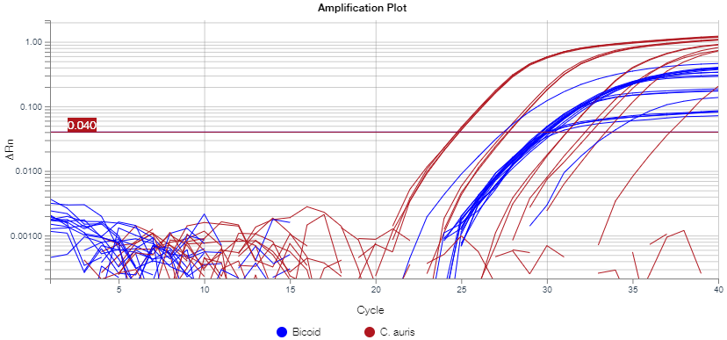
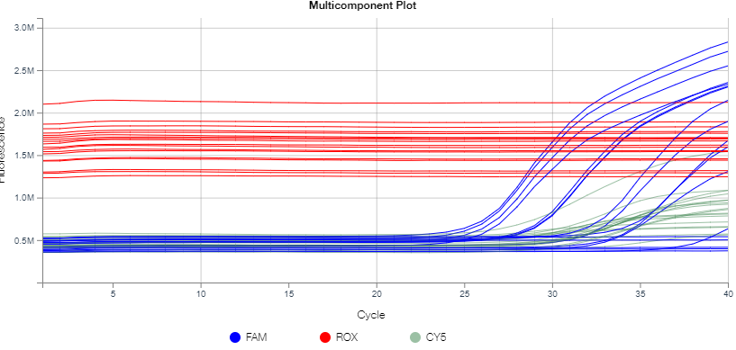
Run ID |  | OPT-16
Cycling Settings |  | Published
Run Time |  | 42 min
Average Ct | 900 CFU/uL | #REF! | #REF!
 | 90 CFU/uL | #REF! | #REF!
 | 9 CFU/uL | #REF! | #REF!
 | 0.9 CFU/uL | #REF! | #REF!
 | 0.09 CFU/uL | #REF! | #REF!
# Detected | 900 CFU/uL | 3/3 | 3/3
 | 90 CFU/uL | 3/3 | 3/3
 | 9 CFU/uL | 2/2 | 3/3
 | 0.9 CFU/uL | 3/3 | 3/3
 | 0.09 CFU/uL | 1/3 | 1/3
Stdev.S | 900 CFU/uL | #REF! | #REF!
 | 90 CFU/uL | #REF! | #REF! |  | Toughmix
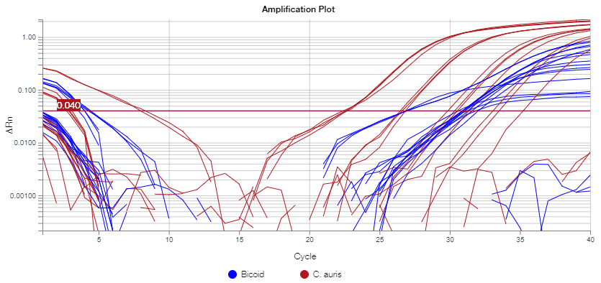
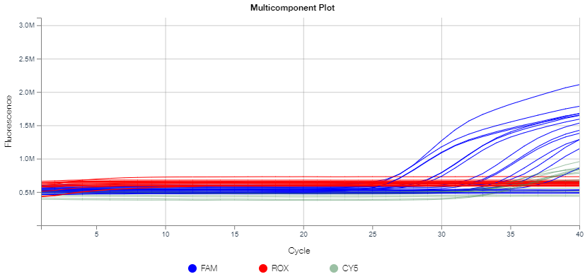
 | 9 CFU/uL | #REF! | #REF!
 | 0.9 CFU/uL | #REF! | #REF!
 | 0.09 CFU/uL | #REF! | #REF!

Bicoid Target
Concentration | Toughmix |  |  | PrimeTime
 | Avg Ct | # Detected | Stdev.S | Avg Ct | # Detected | Stdev.S
10^-6 ng/uL | #REF! | 15/18 | #REF! | #REF! | 18/18 | #REF!
Average Ct w/ no C. auris = |  | #REF! |  | Average Ct w/ no C. auris = |  | #REF!

Thoughts:
more limited resources with Toughmix compared to Primetime
might want to add more bicoid into reaction given the detection rate in Toughmix

Primetime Altered Cycling 7.2
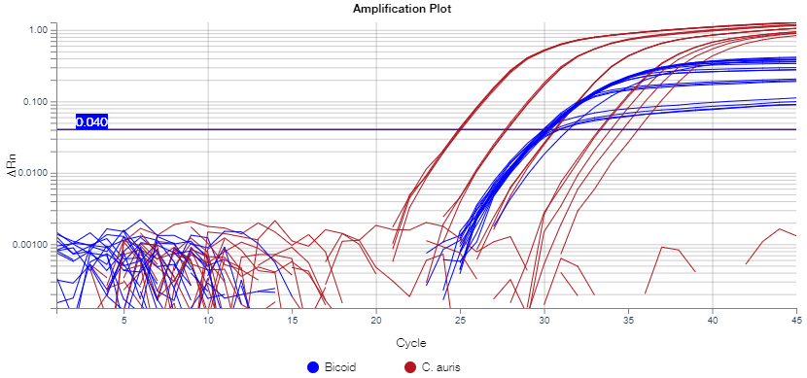
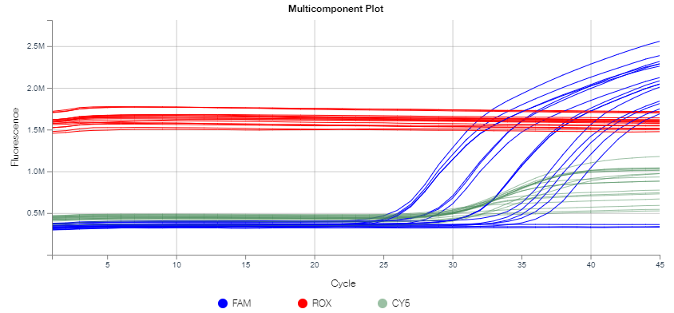
 |  | Primetime |  | OPT-17 (this run, adjusted cycling settings):
Lot No. |  | 861400
Run ID |  | OPT-17
Cycling Settings |  | Adjusted, see notebook
Run Time |  | 50 min
Average Ct | 900 CFU/uL | #REF!
 | 90 CFU/uL | #REF!
 | 9 CFU/uL | #REF!
 | 0.9 CFU/uL | #REF!
 | 0.09 CFU/uL | #REF!
# Detected | 900 CFU/uL | 3/3
 | 90 CFU/uL | 3/3
 | 9 CFU/uL | 3/3
 | 0.9 CFU/uL | 3/3 |  | OPT-16 (previous run, CDC protocol):
 | 0.09 CFU/uL | 2/3
Stdev.S | 900 CFU/uL | #REF!
 | 90 CFU/uL | #REF!
 | 9 CFU/uL | #REF!
 | 0.9 CFU/uL | #REF!
 | 0.09 CFU/uL | #REF!

Bicoid Target
Concentration | Primetime
 | Avg Ct | # Detected | Stdev.S
10^-6 ng/uL | #REF! | 18/18 | #REF!
Average Ct w/ no C. auris = |  | #REF!

Thoughts:
Still no difference in Bicoid Ct average between wells with C. auris and those without; not competing for resources
Again very little variation in replicates
LOD still falling around 1CFU/uL

