Instructions
Strategic Migration Assessment & Readiness Tool (SMART)

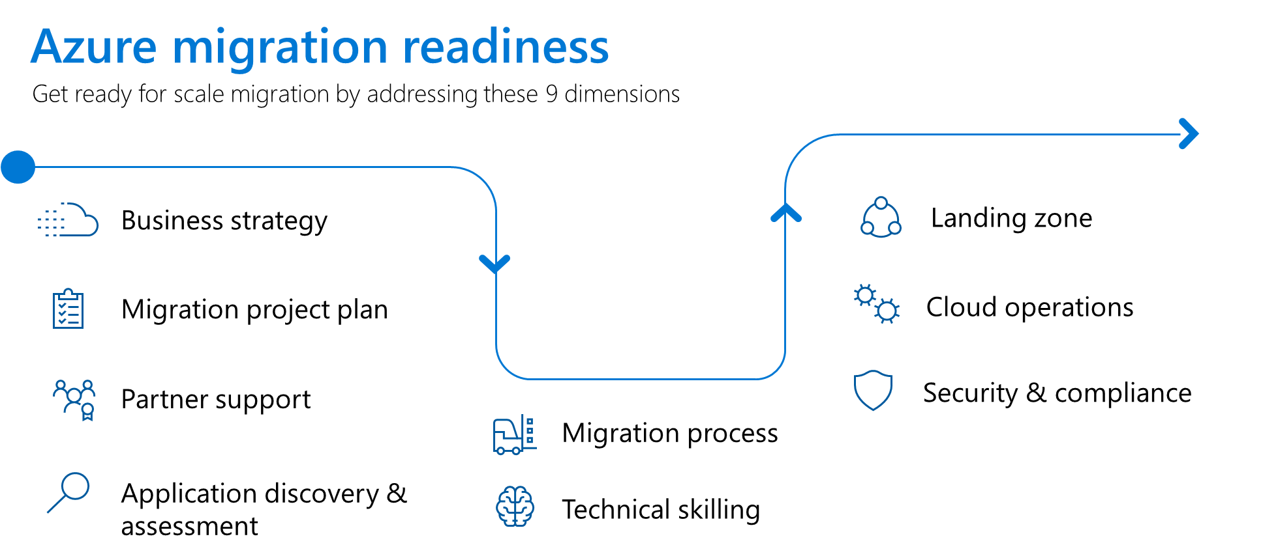
Background
Getting started on your cloud migration journey is a exciting step in your organization's digital transformation. Preparing for a scale migration is critical to ensure your project is executed smoothly and that you realize intended benefits. Completing the Strategic Migration Assessment & Readiness Tool (SMART) questions will provide details on your level of migration readiness across 9 dimensions. Once you have a sense on your level of readiness, you can share the results with internal stakeholders to further prepare for all phases of your migration project - from initial planning to fully operating your new cloud workloads.

Explanation of the migration readiness dimensions
Business strategy: Cloud adoption drivers identified and organizational buy-in
Migration project plan: High level plan, including project team identified and approximate plan of applications in scope
Partner support: Plan for how professional services partners will assist during and after the migration
Application discovery & assessment: Use a tool like Azure Migrate (or 3rd party tool) to discover and assess your on-premises infrastructure. Determine migration strategy for each application.
Migration process: Plan for putting applications into migration waves and specific timing of those waves
Technical skilling: Training your organization on the Azure platform, including skills for doing the migration tasks and operating Azure once migrated
Landing zone: Setup of an Azure environment ready to accept migrated workloads
Cloud operations: Establish ongoing processes to manage Azure workloads (e.g. configuration management, patching, backup, etc)
Security & compliance: Establish a secure design for your Azure workloads (e.g. network security, threat protection, etc)

Guidance to improve migration readiness
If you completed the questions and received a yellow or red score on any particular dimension, we recommend the following resources to help improve.

Dimension | Resources
Business strategy | https://docs.microsoft.com/azure/cloud-adoption-framework/strategy/cloud-migration-business-case
 | https://azure.microsoft.com/pricing/tco/calculator/
Migration project plan | https://docs.microsoft.com/azure/cloud-adoption-framework/plan/workloads
Partner support | https://azure.microsoft.com/partners/
Application discovery & assessment | https://docs.microsoft.com/azure/migrate/
Migration process | https://docs.microsoft.com/azure/cloud-adoption-framework/plan/workloads
Technical skilling | https://www.microsoft.com/learning/azure-fundamentals.aspx
 | https://www.microsoft.com/learning/azure-administrator.aspx
 | https://www.microsoft.com/learning/azure-developer.aspx
 | https://www.microsoft.com/learning/azure-solutions-architect.aspx
Landing zone | https://docs.microsoft.com/azure/cloud-adoption-framework/ready/considerations/
Cloud operations | https://docs.microsoft.com/azure/cloud-adoption-framework/manage/
Security & compliance | https://docs.microsoft.com/azure/cloud-adoption-framework/migrate/azure-best-practices/migrate-best-practices-security-management

SMART (Start Here)
Strategic Migration Assessment & Readiness Tool (SMART)
 | Scores | Critical | Moderate | Excellent
Business strategy | 0 | #N/A | #N/A | #N/A
Migration project plan | 0 | #N/A | #N/A | #N/A
Partner support | 0 | #N/A | #N/A | #N/A
Application discovery & assessment | 0 | #N/A | #N/A | #N/A
Migration process | 0 | #N/A | #N/A | #N/A
Technical skilling | 0 | #N/A | #N/A | #N/A
landing zone | 0 | #N/A | #N/A | #N/A
Cloud operations | 0 | #N/A | #N/A | #N/A
Security & compliance | 0 | #N/A | #N/A | #N/A
 |  | (Please complete the answers below)
Business strategy | Questions | Answers
High Level Business Strategy and Business Case | Has your company identifed a compelling business reason for moving to the cloud, including a detailed business case?
Key Stakeholder Sign-off with Funding Commitment | Is there an executive sponsor for the migration project, including committed funding for the migration project?
Migration project plan
Migration Project Resources | Do you have people assigned to work on the migration, including a project manager, cloud migration team and application owners?
Migration Plan with Workloads Committed | Do you have a high level project timeline with confirmation of migration workloads in scope?
Cloud Center of Excellence (COE) Team In Place | Have you established a COE who will develop the migration best practices to scale throughout the rest of the project?
Partner support
Migration Partner Support | Do you have a plan for how a migration partner will support you during and after the project?
Application discovery & assessment
Application Discovery & Assessment | Have you performed an application/workload discovery and assessment using a tool (e.g. Azure Migrate or others)?
Migration Strategy Identified | Have you indentified the migration strategy you will use for each application (rehost, refactor, rearchitect, rebuild)?
Application Owner Alignment | Are the workload owners identified and aligned to the migration plan?
Migration process
Identification of Migration Waves | Have you indentified the migration waves (batches of applications), including the initial pilot wave?
Technical skilling
Azure training on the platform | Have your teams been trained on the Azure platform for their particular duties?
landing zone
Identity, Subscriptions, Networking, Governance | Have you setup an Azure landing zone designed to accepted migrated workloads? Note: Important design areas are (i) identity, (ii) subscriptions, (iii) networking, (iv) governance.
Cloud operations
Continutity & Resiliency | Do you have a strategy for backup, disaster recovery and monitoring in Azure?
Maintenance | Do you have a strategy for OS patching and configuration/change management?
Cost Management | Do you have a cloud cost model (cost center, profit center, chargeback, showback) and the tools to monitor costs?
Automation | Do you have a strategy for automation of both maintenance operations and deployment (DevOps pipeline)
Security & compliance
Cloud Security Model | Have you built a security plan which includes: (i) identity & access management, (ii) logging & monitoring, (iii) infrastructure security and (iv) data protection?
Cloud Security Roles | Do your teams have a security RACI which defines their role in security? Furthermore, have you defined an incident response plan?

