Install Add-in
Install Data Science Editor Add-in for Excel Online
Cells D14 through E17 contain data with two columns. One for Fruit, and one for Amount.
1. Click on cell C5 (to the right) and copy | https://green-rock-09efbc210.azurestaticapps.net/hosted_files/hosted_manifest.xml
2. On the Insert tab, then click Office Add-ins.

3. Click Upload My Add-in in the upper right hand corner. |  | Click here to see an animated instructional GIF
4. Click Browse…
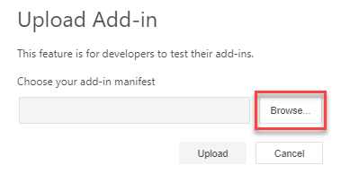
5. Paste into the File Name: text box, then click Open
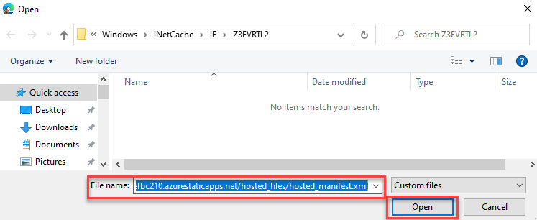
6. Click Upload.
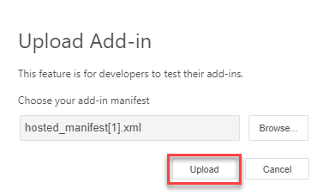
7. Click on the new Data Science Editor button on the Home tab.
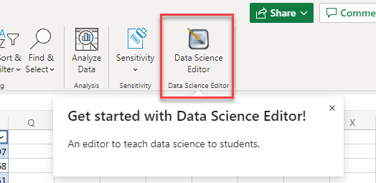 Go to cell I73 to do some extra credit. Or go to cell B83 to continue on to the next section.
Great work! Now you can click on the Cereal or Penguins tab to get started!

How to use Data Science Editor
How to use Data Science Editor
Cells D14 through E17 contain data with two columns. One for Fruit, and one for Amount.
1. Click on the Data Science Editor button on the Home tab.

2. Click on the Cereal or Penguins tab.
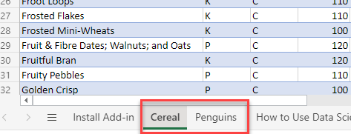 | Click here to see an animated instructional GIF
3. Click on Tables then click on the table block.
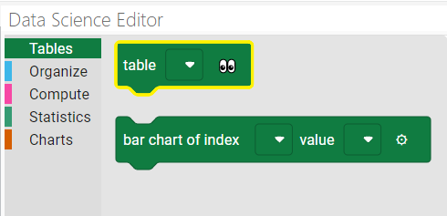
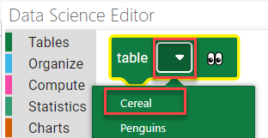 4. Pick a table name from the drop down on the table block.
5. Click on the eyes icon to preview before and after data.
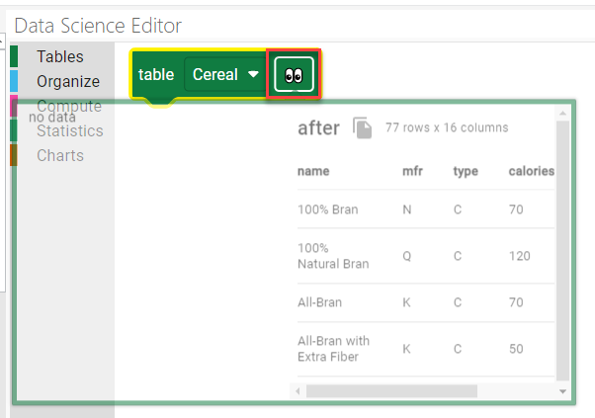
6. Pick another block from the left-hand menu and attach to the table block.
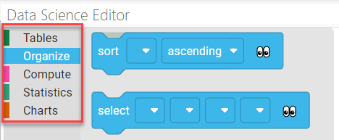
Great work! Continue adding blocks to explore the data and create charts!

How to Create a Table in Excel
CHECK THIS OUT
After you do step 8, select the cell under Total. Then type =SUM(E12:F12)
When you press Enter, the SUM formula will be created, and fill in the rest of the column.
Use tables for lists and data
Cells D67 through F73 contain data with three columns: Category, Qtr 1, Qtr 2 | Category | Qtr 1 | Qtr 2
1. Select any cell within the data to the right. For example, select cell E6. | Veggies | $30,000 | $80,000
2. On the Insert tab, select Table, and then select OK. | Fruit | $10,000 | $30,000
3. Now you have a table, which is a range of cells that has special features. | Breads | $30,000 | $15,000
4. Two of those features include banded rows for easier reading, and Filter & Sort buttons. | Desserts | $25,000 | $80,000
5. In cell D12, under Salads, type some text (anything) and press Enter. | Sandwich | $80,000 | $40,000
6. A new shaded row is created automatically. | Salads | $90,000 | $35,000 | CHECK THIS OUT: After you do step 8, select cell G68. Then type =SUM(E68:F68). When you press Enter, the SUM formula will be created, and fill in the rest of the column. To continue on to the next section, go to cell B83.
7. In cell G5, type Total and then press Enter.
8. Notice a new column is created.
Go to cell I73 to do some extra credit. Or go to cell B83 to continue on to the next section.
Great work. Curious to learn more? Go to the next tab…

KEYBOARD TRICK
Here's another trick for people using external keyboards on Windows devices. Press and hold ALT, then press the Windows key. Let go. Key tips will appear in black squares for each tab. Type F to access the File tab, or H to access the Home tab... no need to use a mouse! To access a button, type its corresponding key tip. If you need to back out, press Esc until the key tips disappear.

Learn Excel
Add numbers like a champ
Cells D14 through E17 contain data with two columns. One for Fruit, and one for Amount. | Fruit | Amount |  | Item | Amount
1. Select the first yellow cell, which is cell E8 | Apples | 50 |  | Bread | 50
2. Then double-tap or double-click it to start editing. | Oranges | 20 |  | Donuts | 100
3. Type =SUM(E5:E7) and then press Enter. | Bananas | 60 |  | Cookies | 40
4. The result is 130.
Cells D20 through E23 contain data with two columns. One for Item, and one for Amount.
1. Now trying something a little different. Select the second yellow cell, which is cell E14. | Item | Amount |  |  |  | Cells G14 through H17 contain data with two columns. One for Item, and one for Amount. KEYBOARD TRICK: On some external keyboards, pressing ALT = adds the SUM formula for you, just like that. Then press Enter and you're good to go. Try it out in cell H18. When you're done, go to cell B31 to continue on to the next section.
2. Then double-tap or double-click it to start editing. | Bread | 40
3. Type =SUMIF(E11:E13,">50") | Donuts | 100
4. Press Enter. | Cookies | 20
KEYBOARD TRICK
On some external keyboards, pressing
adds the SUM formula for you, just like that. Then press Enter and you're good to go.
5. The result is 100.
Go to cell I20 to learn a keyboard trick. Or go to cell B31 to continue on to the next section.
But don't stop there, scroll down for more!

Split cells with Flash Fill
Cells D32 through F38 contain data with three columns: Name/Points, Name, and Points. | Name/Points | Name | Points
1. The cells in the second column need more names after Nancy. | Nancy, 500 pts. | Nancy | 500
2. Select cells E23 through E28, including the cell with Nancy. | Joe, 300 pts.
3. On the Data tab, select Flash Fill. | Marc, 200 pts.
4. Excel fills the blank cells with just the names from the first column. | Sue, 800 pts. |  |  |  |  | HOW DOES IT WORK? Excel looks at a nearby cell, and picks up on any similarities. Then it looks to see if that same similarity is in the cells below. If it finds the same pattern, it will do a "Flash Fill." Go to cell B48 to continue on to the next section.
5. The third column needs just the points from the first column. | Tim, 750 pts.
6. Select cells F23 through F28, including the cell with the number 500. | Eve, 950 pts.
7. On the Data tab, select Flash Fill.
HOW DOES IT WORK?
Excel looks at a nearby cell, and picks up on any similarities. Then it looks to see if that same similarity is in the cells below. If it finds the same pattern, it will do a Flash Fill.
8. Excel fills the blank cells with just the numbers from the first column.
Go to cell I36 to learn more about Flash Fill. Or go to cell B48 to continue on to the next section.
Good job! Next up: Filtering.

Filter data to see what you want
Cells D49 through F60 contain data with three columns: Subject, Building, Students | Subject | Building | Students |  |  | EXTRA CREDIT: After step 9, try sorting. Go to cell D49, E49, or F49 and select the Filter & Sort button. Then choose a sort option. When you're done, go to cell B66 to continue on to the next section.
1. Notice in cells E40 through E50, classes can either be in building A or B. | Calculus | B | 22
2. Select any cell within the data. For example, select cell E54. | Health | B | 21
3. On the Data tab, select Filter. | Algebra | B | 25
4. Filter & Sort buttons activate on the top row. They look like small down arrows. | French | A | 14
5. On the Building cell, select the Filter & Sort button, and then select Filter... | P.E. | A | 12
6. Uncheck the (Select all) box, and check the box for A. Select OK. | English | A | 19
7. The filter only includes rows with building A, and excludes building B. | Spanish | A | 16
8. Now clear the filter. On the Building cell, select the Filter & Sort button. | Physics | A | 17
9. Select Clear Filter from 'Building.' | Music | A | 30
Go to cell I49 to do some extra credit. Or go to cell B66 to continue on to the next section. | Chemistry | A | 18
Nice going. We cover tables next… | French | A | 14

EXTRA CREDIT
After step 9, try selecting a filter button for a column, and then sort in the order you'd like.

CHECK THIS OUT
After you do step 8, select the cell under Total. Then type =SUM(E68:F68)
When you press Enter, the SUM formula will be created, and fill in the rest of the column.
Use tables for lists and data
Cells D67 through F73 contain data with three columns: Category, Qtr 1, Qtr 2 | Category | Qtr 1 | Qtr 2
1. Select any cell within the data to the right. For example, select cell E60. | Veggies | $30,000 | $80,000
2. On the Insert tab, select Table, and then select OK. | Fruit | $10,000 | $30,000
3. Now you have a table, which is a range of cells that has special features. | Breads | $30,000 | $15,000
4. Two of those features include banded rows for easier reading, and Filter & Sort buttons. | Desserts | $25,000 | $80,000
5. In cell D64, under Salads, type some text (anything) and press Enter. | Sandwich | $80,000 | $40,000
6. A new shaded row is created automatically. | Salads | $90,000 | $35,000 |  |  | CHECK THIS OUT: After you do step 8, select cell G68. Then type =SUM(E68:F68). When you press Enter, the SUM formula will be created, and fill in the rest of the column. To continue on to the next section, go to cell B83.
7. In cell G57, type Total and then press Enter.
8. Notice a new column is created.
Go to cell I73 to do some extra credit. Or go to cell B83 to continue on to the next section.
Great work. Curious how to make charts? Scroll down…

Create a chart, quickly
Cells D85 through E90 contain data with two columns: Day, and Attendance. | Event attendance
1. Select any cell within the data to the right. For example, select cell E78. | Day | Attendance
2. On the Insert tab, select the Column button. | Day 1 | 500
3. Select the first column chart option. | Day 2 | 800
4. A chart appears showing number of event attendees on each day. | Day 3 | 1000
5. Make sure the chart is still selected. | Day 4 | 1100
6. Notice the Chart Tools tab at the top. | Day 5 | 100
7. On that tab, select Data labels > Inside End.
8. Now you have data labels at the end of each column.
Or go to cell B100 to continue on to the next section.
Interested in more charts? Check out the next section…

Explore more charts
Cells D102 through E106 contain data with two columns: Stage and Students. | College student funnel
1. Select a cell anywhere inside the Stage or Students columns. | Stage | Students
2. On the Insert tab, select Other Charts > Funnel. A funnel chart appears. | Applied | 1000
4. Notice how the chart shows the number of students at each stage in the process. | Admitted | 700
5. Move the chart to the side or delete it to make room for the next step. | Major chosen | 610
Cells D109 through E114 contain data with two columns: Activities and Kids. | Graduated | 520
1. Now you'll make a different kind of chart.
2. Select a cell anywhere inside the Activities or Kids columns. | What do kids do after school?
3. On the Insert tab, select Other Charts. | Activities | Kids
4. Select the first hierarchical chart option. | Sports | 15
5. The result is a treemap chart. | Drama | 10
A treemap chart shows rectangles and sizes them proportionally to the number of kids. | Singing | 8
Go to cell B120 to continue on to the next section. | Dance | 5
Nice work! | Other | 24

Go down to the next cell continue. |  |  |  |  |  | EXPERT TIPS: Want to learn more? Press Alt+Q if you're using an external keyboard. If you're not using an external keyboard, click in the Tell me ... box at the top of Excel. (The one with the lightbulb.) And type something. Anything: "charts" "freeze" or "comment." To continue on to the next section, go to cell B144.
There's more to learn. Check out this helpful links.

Community
Ask questions and connect with other Excel fans.
Go down to the next cell continue.

KEYBOARD TRICK
Here's another trick for people using external keyboards on Windows devices. Press and hold ALT, then press the Windows key. Let go. Key tips will appear in black squares for each tab. Type F to access the File tab, or H to access the Home tab... no need to use a mouse! To access a button, type its corresponding key tip. If you need to back out, press Esc until the key tips disappear.

