Sheet1
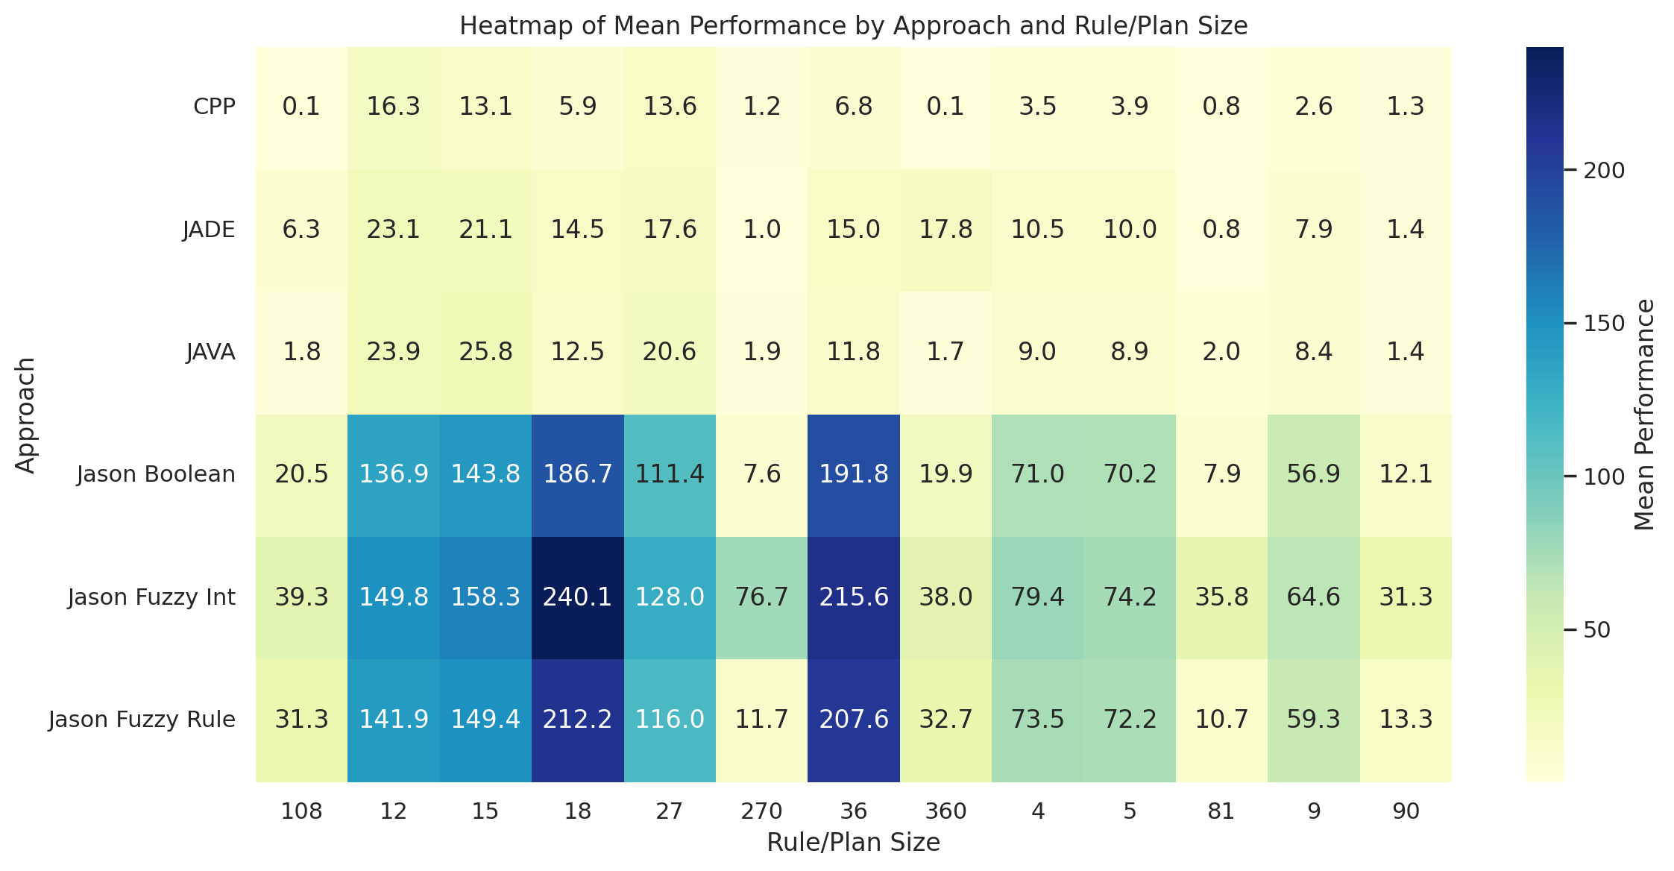
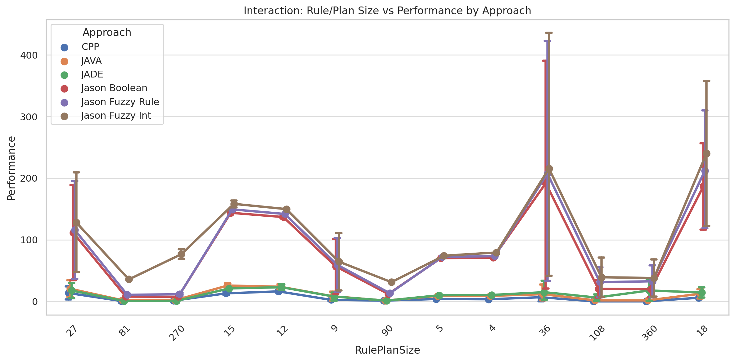
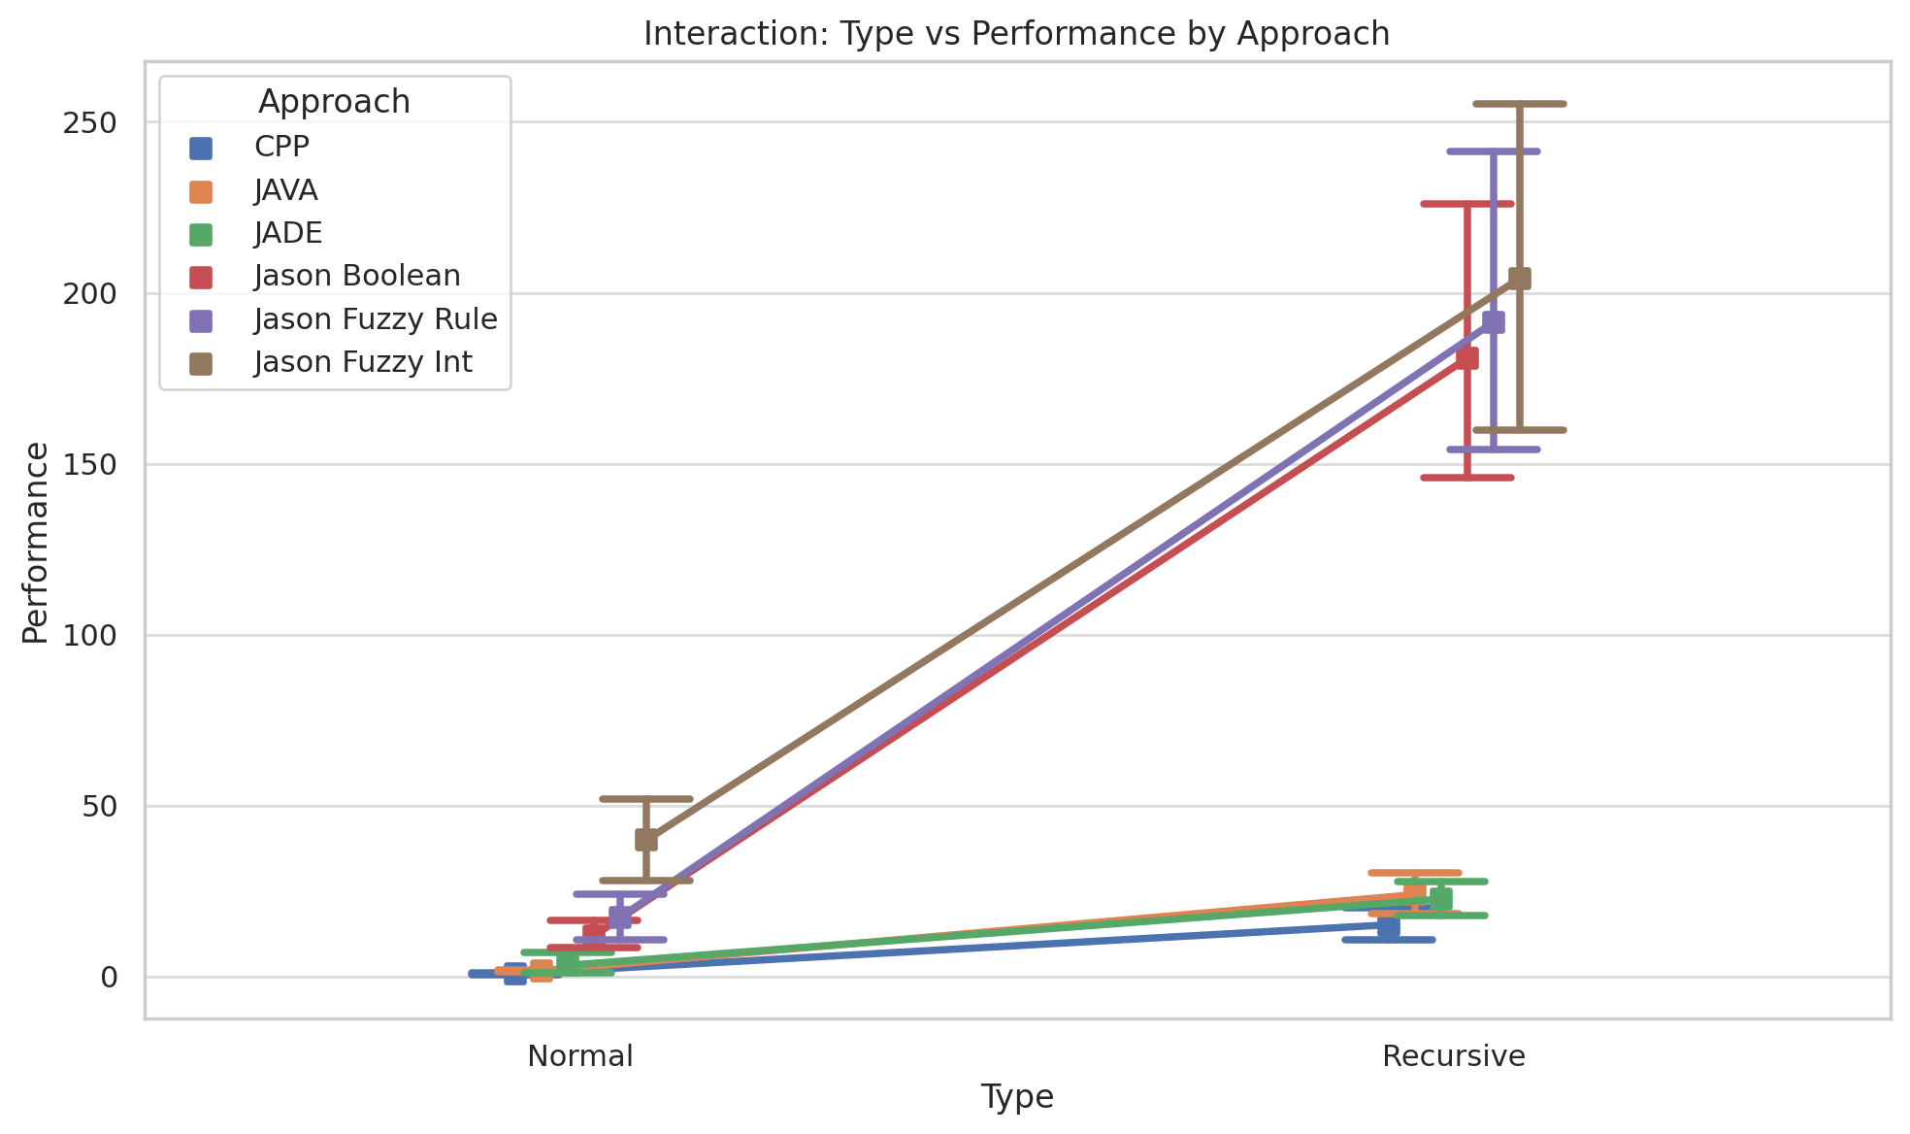
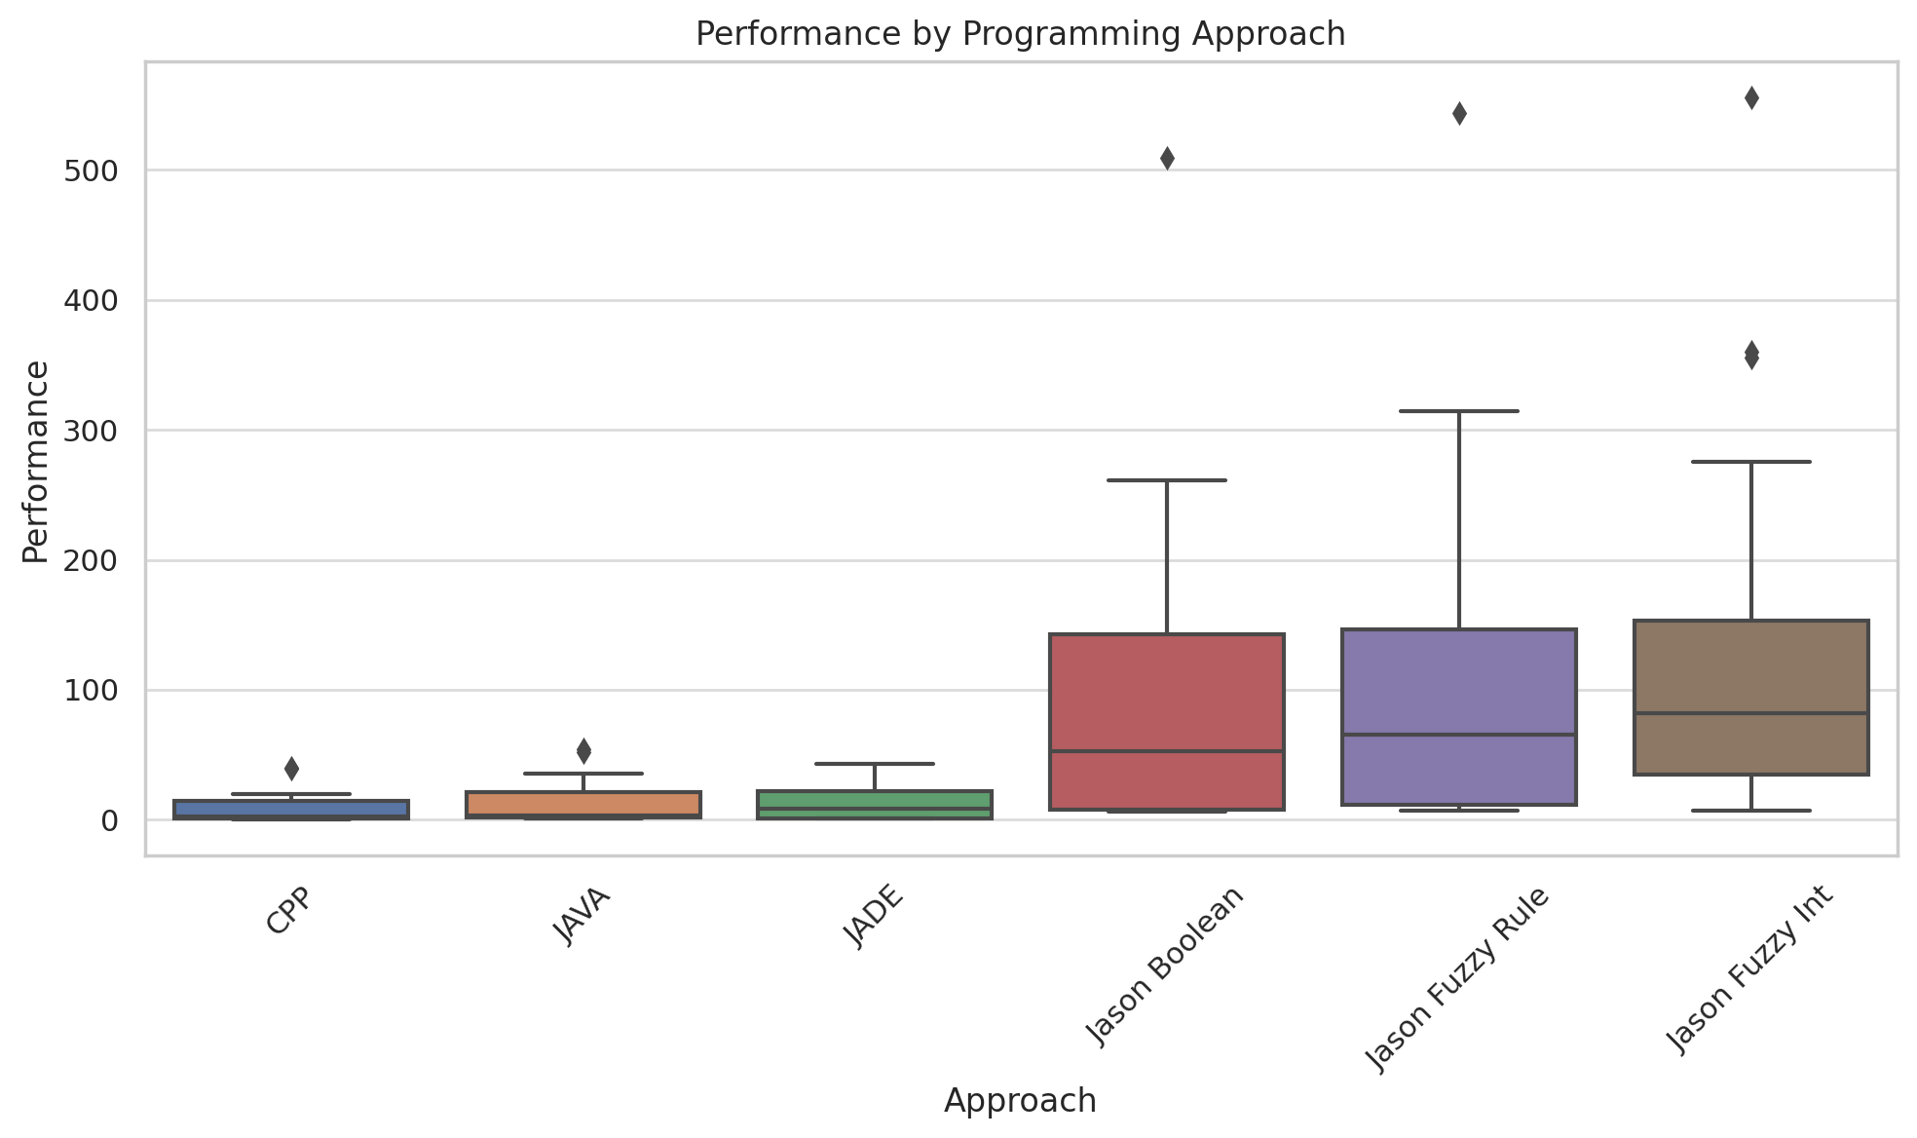
Approach | count | mean | std | min | 25% | 50% | 75% | max
CPP | 36.0 | 7.996944444444444 | 10.31506798521864 | 0.05 | 1.0550000000000002 | 2.42 | 14.34 | 40.2
JADE | 42.0 | 13.014285714285714 | 13.66805054039942 | 0.73 | 1.0350000000000001 | 8.735 | 22.0325 | 43.37
JAVA | 42.0 | 12.864047619047618 | 14.80677317978759 | 1.0 | 1.69 | 3.45 | 21.5575 | 54.44
Jason Boolean | 42.0 | 96.40714285714286 | 109.09004200571361 | 6.32 | 7.8925 | 52.83 | 142.67000000000002 | 509.02
Jason Fuzzy Int | 42.0 | 122.03833333333334 | 116.63780207447424 | 7.21 | 34.89 | 82.08000000000001 | 153.005 | 555.76
Jason Fuzzy Rule | 42.0 | 104.36666666666667 | 115.96966398255901 | 6.92 | 11.4025 | 65.47 | 146.79250000000002 | 543.85

