A321_newgeometry
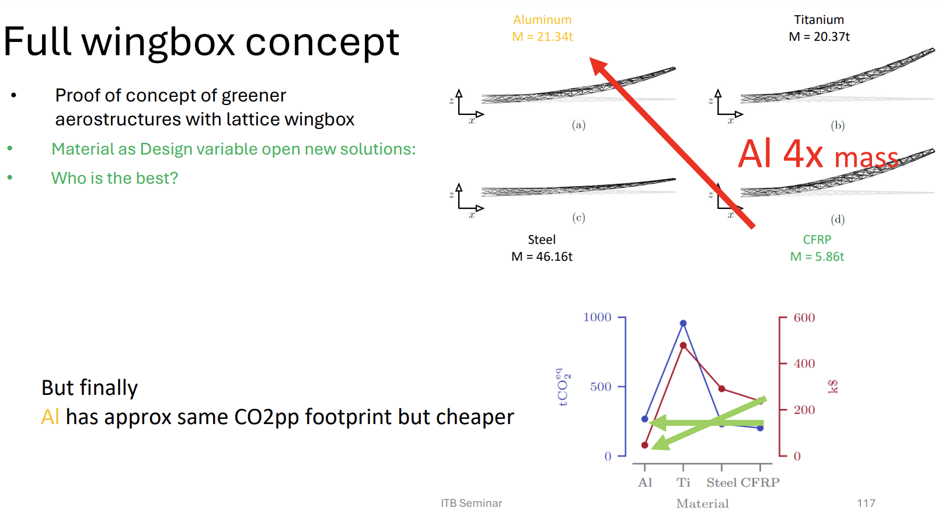
Wing | A321-200 | A320-200 | units
span | 33.91 | 33.91 | m
mac | 4.29 | 4.29 | m
taper | 0.24 | 0.24 | -
c_root | 6.149352651 | 6.149352651 | m
t/c | 0.118 | 0.118 | -

Material | Al 6061 | Titanium | Steel | CFRP | units
E | 69 | 120 | 210 | 150 | GPa
v | 0.33
G | 25.939849624 |  |  |  | GPa
sigma(c) | 270 | 880 | 355 | 1200 | MPa
sigma(t) | -270 | -880 | -355 | -880 | MPa
rho | 2.7 | 4.5 | 7.8 | 1.6 | g/cm^3

Flight Data | A321 | A320 | units | (from https://www.aerodynamics4students.com/properties-of-the-atmosphere/table-of-atmospheric-properties.php)
FL | 370 | 370
Mach_cr | 0.78 | 0.78
Mach_dive | 0.53 | 0.58
rho | 0.3482675 | 0.3482675
c | 295.1 | 295.1 | m/s
µ | 1.440044E-05 | 1.440044E-05
range | 2.70000E+03 | 2.70000E+03 | nm
range_m | 5.00040E+06 | 5.00040E+06 | m
SFC used | 0.5/3600 | 0.53/3600 | s^-1
W0 | 57200 | 48400 | kg
MTOW | 89000 | 73500 | kg
MLW | 73500 | 64500 | kg
ZFW | 71500 | 60500 | kg
RF | 2000 | 4000 | kg

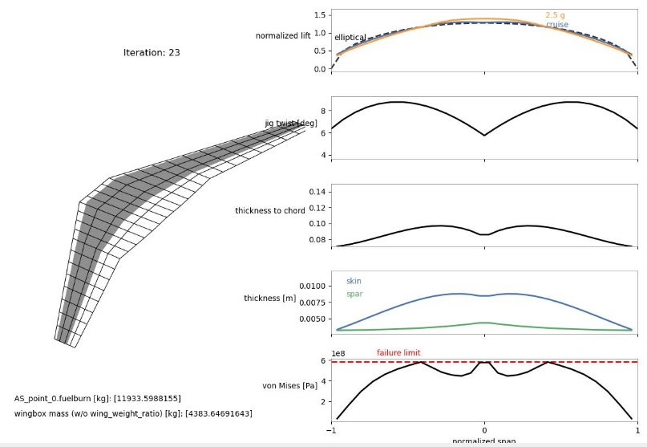
results A321 | Al | CFRP | Ti | Steel | units
Fuel burn | 11984.69 | 11345.22 | 11933.59 | 15531.61 | kg
Wingbox mass | 5299.17 | 1683.1 | 4383.65 | 16218.5 | kg
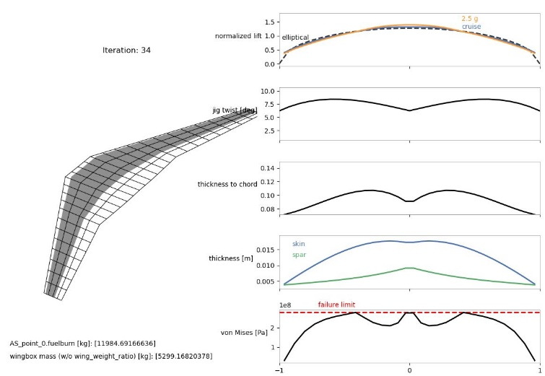
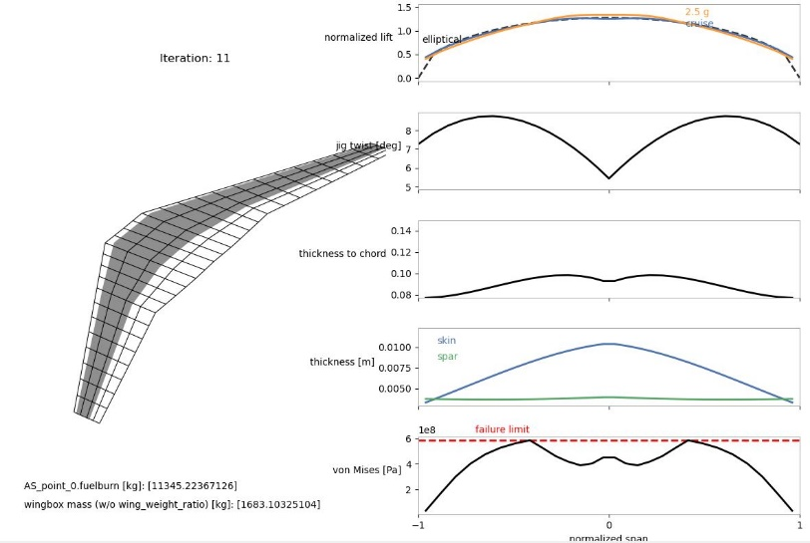
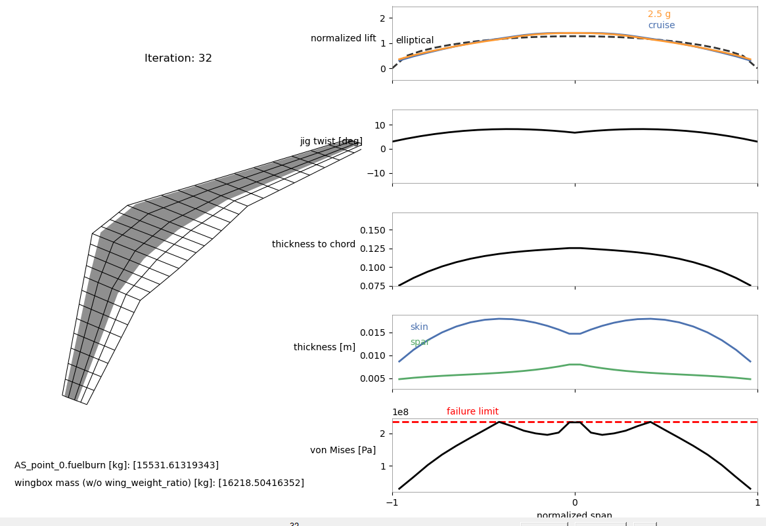

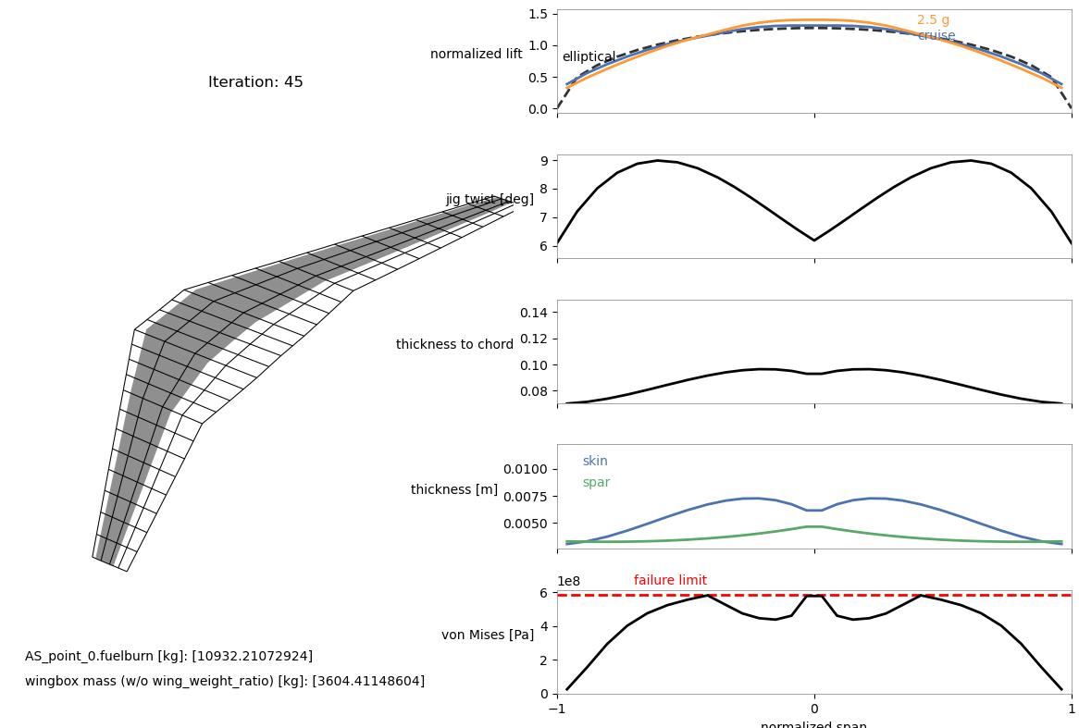
results A320 | Al | CFRP | Ti | Steel | units
Fuel burn | 11233.45 | 10358.77 | 10932.21 | 13873.2 | kg
Wingbox mass | 4316.62 | 1649.44 | 3604.41 | 11571.71 | kg
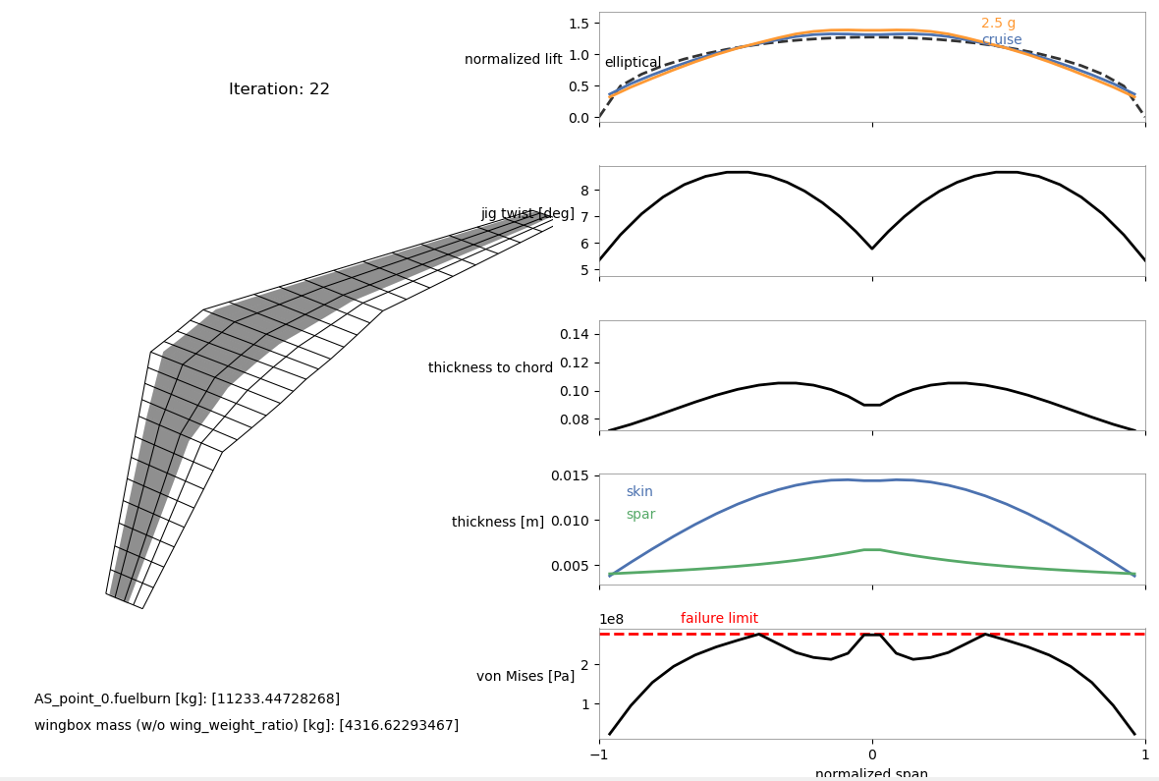

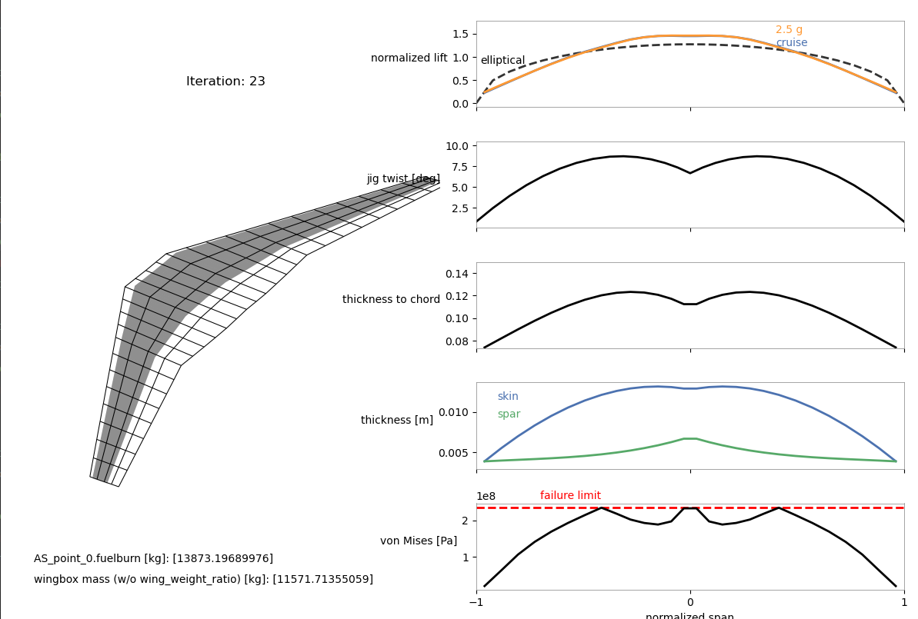

From these results, we can draw the following conclusions regarding material selection for the A321 wingbox:

1. CFRP (Carbon Fiber Reinforced Polymer) is the best choice for minimizing fuel burn and wingbox mass

2. Aluminum (Al) and Titanium (Ti) are intermediate options

3. Steel is the worst option

Final Conclusion:

CFRP is the optimal material for the A321 wingbox due to its significant weight savings and improved fuel efficiency.
Aluminum and Titanium are viable but less optimal, while Steel is highly unsuitable due to excessive weight and fuel consumption.

