A321
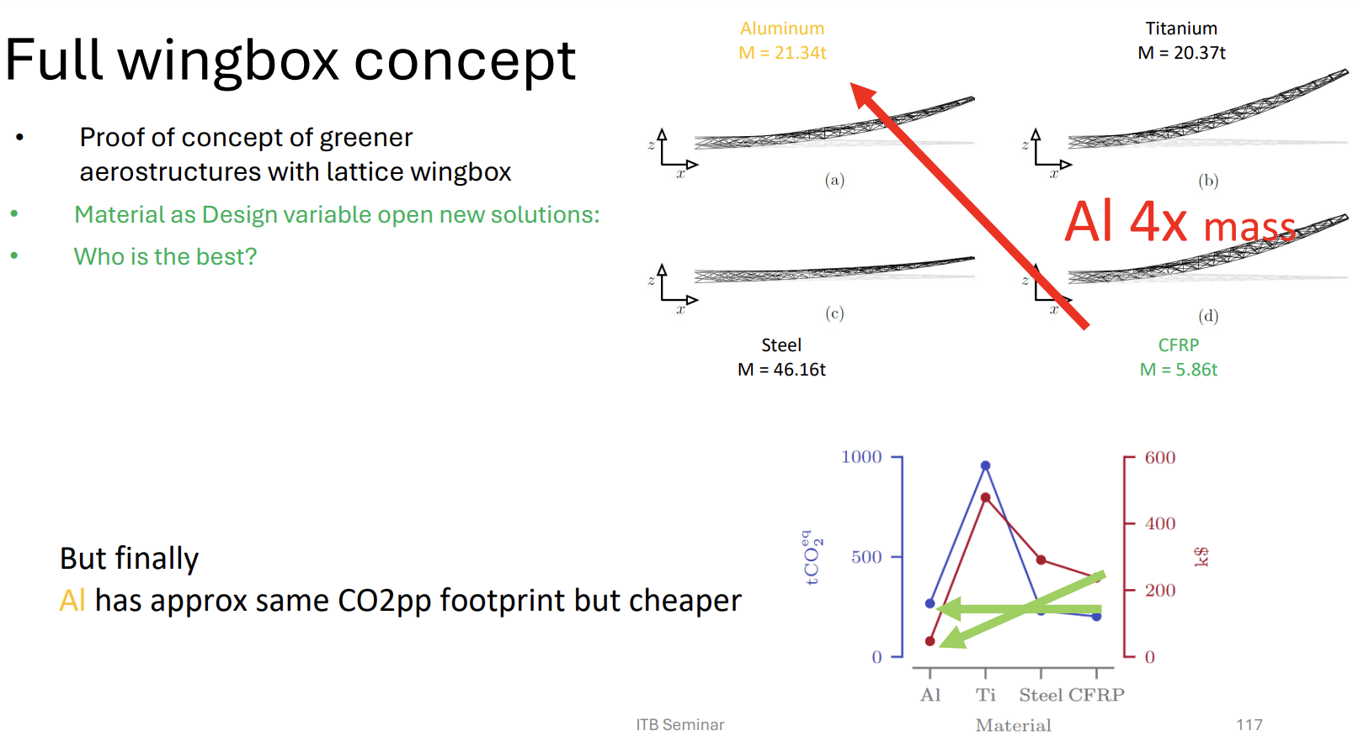
Wing | A321-200 | A320-200 | units
span | 33.91 | 33.91 | m
mac | 4.29 | 4.29 | m
taper | 0.24 | 0.24 | -
c_root | 6.149352651 | 6.149352651 | m
t/c | 0.118 | 0.118 | -

Material | Al 6061 | Titanium | Steel | CFRP | units
E | 69 | 120 | 210 | 150 | GPa
v | 0.33
G | 25.939849624 |  |  |  | GPa
sigma(c) | 270 | 880 | 355 | 1200 | MPa
sigma(t) | -270 | -880 | -355 | -880 | MPa
rho | 2.7 | 4.5 | 7.8 | 1.6 | g/cm^3

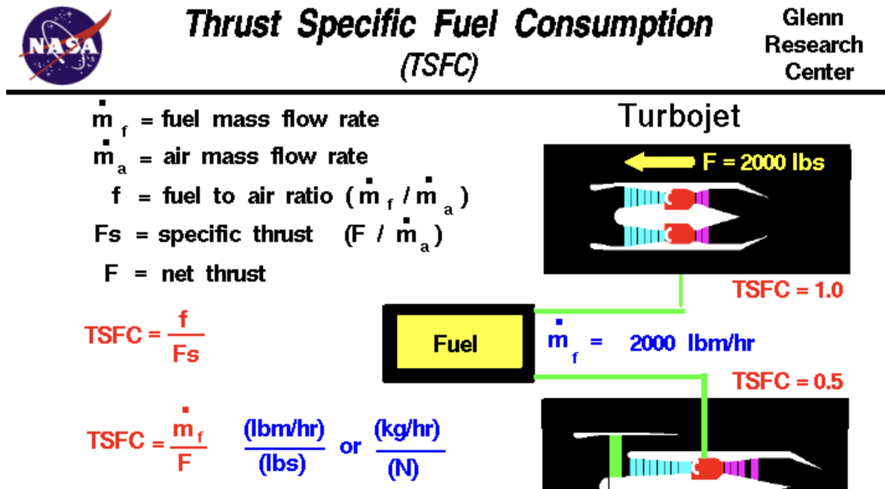
Flight Data | A321 | A320 | (from https://www.aerodynamics4students.com/properties-of-the-atmosphere/table-of-atmospheric-properties.php)
FL | 370 | 370
Mach_cr | 0.78 | 0.78
Mach_dive | 0.53 | 0.58
rho | 0.3482675 | 0.3482675
c | 295.1 | 295.1 | m/s
µ | 1.440044E-05 | 1.440044E-05
range | 2.70000E+03 | 2.70000E+03 | nm
range_m | 5.00040E+06 | 5.00040E+06 | m
SFC used | 0.5/3600 | 0.53/3600 | s^-1
W0 | 57200 | 48400 | kg
MTOW | 89000 | 73500 | kg
MLW | 73500 | 64500 | kg
ZFW | 71500 | 60500 | kg
RF | 2000 | 4000 | kg

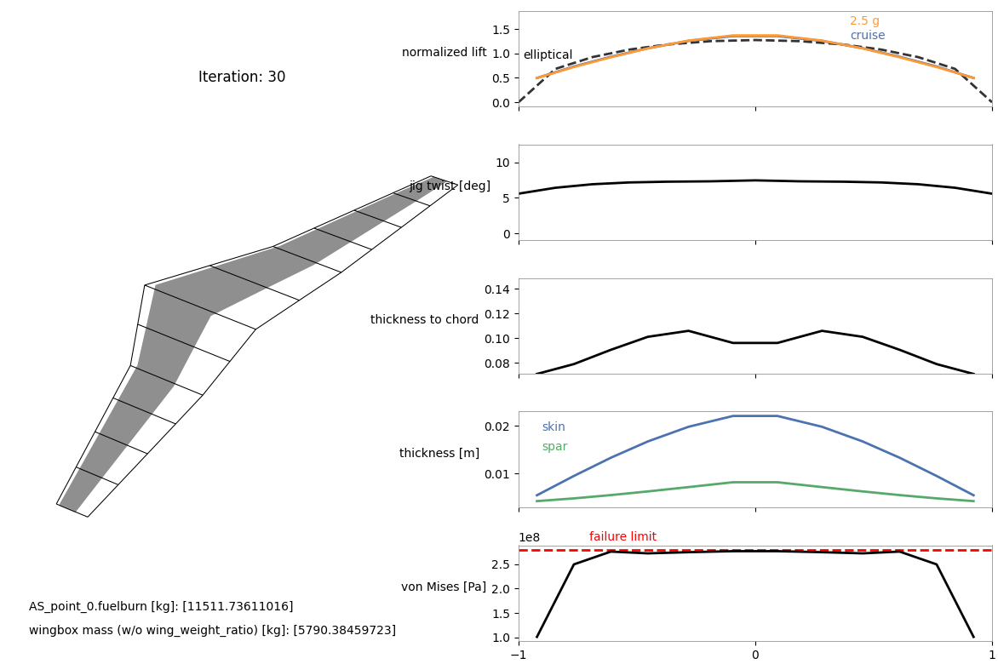
results | A321
Al

CFRP

Ti
 |  |  |  |  |  | From these results, we can draw the following conclusions regarding material selection for the A321 wingbox:

 |  |  |  |  |  | 1. CFRP (Carbon Fiber Reinforced Polymer) is the best choice for minimizing fuel burn and wingbox mass
Steel
 |  |  |  |  |  | 2. Aluminum (Al) and Titanium (Ti) are intermediate options

 |  |  |  |  |  | 3. Steel is the worst option

 |  |  |  |  |  | Final Conclusion:

 |  |  |  |  |  | CFRP is the optimal material for the A321 wingbox due to its significant weight savings and improved fuel efficiency.
 |  |  |  |  |  | Aluminum and Titanium are viable but less optimal, while Steel is highly unsuitable due to excessive weight and fuel consumption.

A320
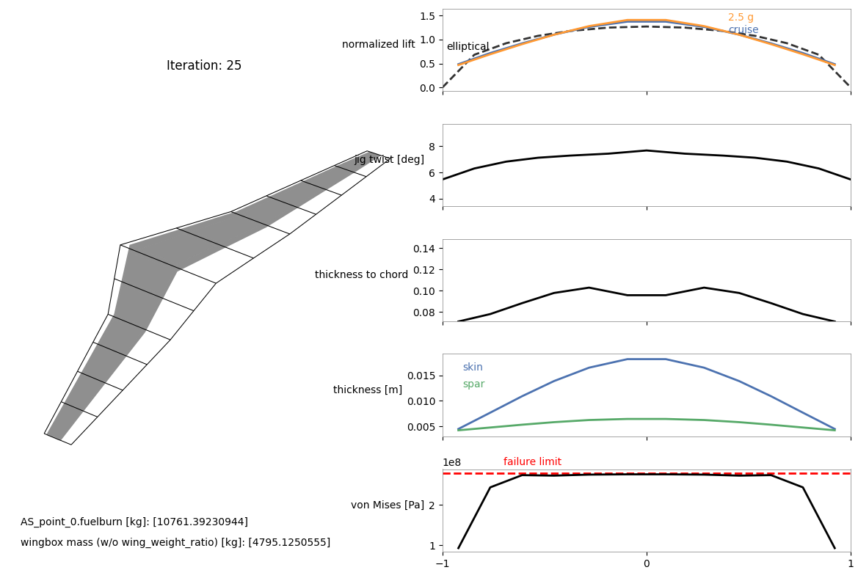
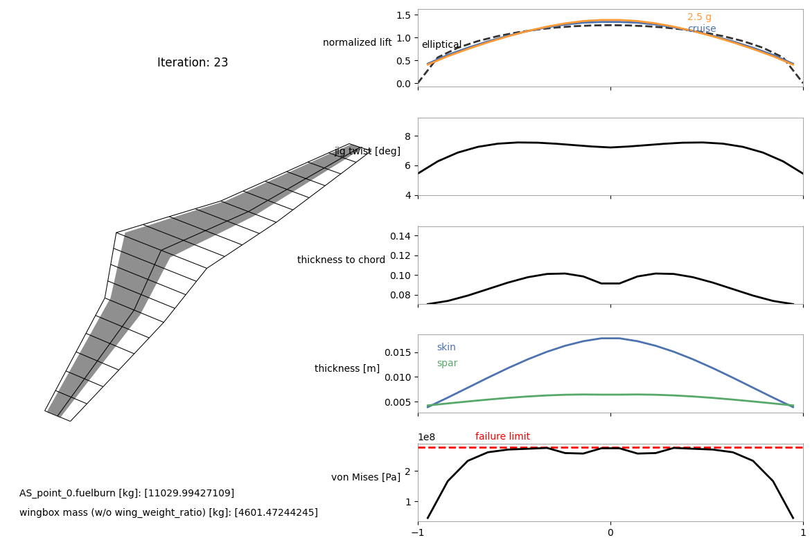
A320-200
Al 7075
original

with more
nodes
(3,7,5)

CFRP

Ti

Steel

