Ascent
Ascent from Moon surface to LLO

Effect of throttle (Zhang)
Altitude (km) | Isp (s) | Twr | Throttle (%) | Time (s) | Propellant fraction (%) | Initial thrust direction (deg)
86.87 | 450 | 2.1 | no | 476.1310 | 36.8000 | 60.9629
86.87 | 450 | 2.1 | 0-100 | 3916.5000 | 33.6500 | 28.9624

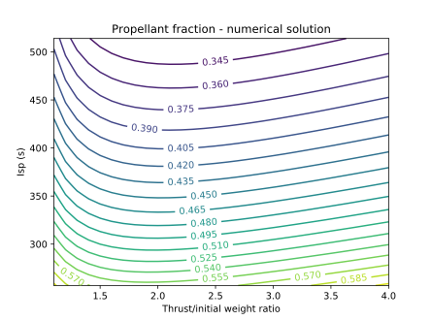
Effect of Isp (Beauregard)
Altitude (km) | Isp (s) | Twr | Throttle (%) | Time (s) | Propellant fraction (%) | Initial thrust direction (deg)
86.87 | 256.9752 | 2.1 | no | 414.2405 | 56.0666 | 64.5345
86.87 | 265.5411 | 2.1 | no | 418.4685 | 54.8118 | 64.2533
86.87 | 274.1069 | 2.1 | no | 422.4900 | 53.6092 | 63.9915
86.87 | 282.6728 | 2.1 | no | 426.3196 | 52.4559 | 63.7466
86.87 | 291.2386 | 2.1 | no | 429.9709 | 51.3491 | 63.5162
86.87 | 299.8045 | 2.1 | no | 433.4559 | 50.2863 | 63.2992
86.87 | 308.3703 | 2.1 | no | 436.7857 | 49.2651 | 63.1001
86.87 | 316.9361 | 2.1 | no | 439.9705 | 48.2831 | 62.9104
86.87 | 325.5020 | 2.1 | no | 443.0196 | 47.3383 | 62.7337
86.87 | 334.0678 | 2.1 | no | 445.9414 | 46.4287 | 62.5548
86.87 | 342.6337 | 2.1 | no | 448.7437 | 45.5524 | 62.4062
86.87 | 351.1995 | 2.1 | no | 451.4337 | 44.7078 | 62.2554
86.87 | 359.7653 | 2.1 | no | 454.0180 | 43.8932 | 62.1214
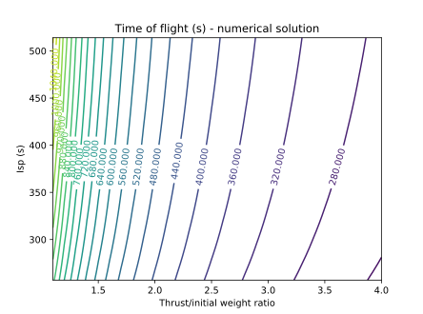
86.87 | 368.3312 | 2.1 | no | 456.5027 | 43.1070 | 61.9773
86.87 | 376.8970 | 2.1 | no | 458.8936 | 42.3480 | 61.8476
86.87 | 385.4629 | 2.1 | no | 461.1957 | 41.6146 | 61.7250
86.87 | 394.0287 | 2.1 | no | 463.4139 | 40.9058 | 61.6088
86.87 | 402.5946 | 2.1 | no | 465.5528 | 40.2202 | 61.4953
86.87 | 411.1604 | 2.1 | no | 467.6165 | 39.5569 | 61.3885
86.87 | 419.7262 | 2.1 | no | 469.6090 | 38.9147 | 61.2889
86.87 | 428.2921 | 2.1 | no | 471.5337 | 38.2927 | 61.1918
86.87 | 436.8579 | 2.1 | no | 473.3942 | 37.6900 | 61.0994
86.87 | 445.4238 | 2.1 | no | 475.1937 | 37.1057 | 61.0083
86.87 | 453.9896 | 2.1 | no | 476.9349 | 36.5390 | 60.9235
86.87 | 462.5554 | 2.1 | no | 478.6208 | 35.9891 | 60.8524
86.87 | 471.1213 | 2.1 | no | 480.2540 | 35.4553 | 60.7627
86.87 | 479.6871 | 2.1 | no | 481.8368 | 34.9370 | 60.6906
86.87 | 488.2530 | 2.1 | no | 483.3716 | 34.4334 | 60.6092
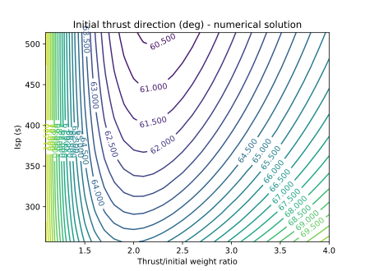
86.87 | 496.8188 | 2.1 | no | 484.8605 | 33.9439 | 60.5443
86.87 | 505.3847 | 2.1 | no | 486.3055 | 33.4680 | 60.4724
86.87 | 513.9505 | 2.1 | no | 487.7086 | 33.0052 | 60.4118

Effect of thrust (Beauregard)
Altitude (km) | Isp (s) | Twr | Throttle | Time (s) | Propellant fraction (%) | Initial thrust direction (deg)
86.87 | 445.4238 | 1.1 | no | 1038.7656 | 42.4875 | 71.9620
86.87 | 445.4238 | 1.2 | no | 910.2312 | 40.6147 | 69.1024
86.87 | 445.4238 | 1.3 | no | 815.7697 | 39.4331 | 66.8855
86.87 | 445.4238 | 1.4 | no | 742.3671 | 38.6453 | 65.1811
86.87 | 445.4238 | 1.5 | no | 683.1736 | 38.1042 | 63.8754
86.87 | 445.4238 | 1.6 | no | 634.1570 | 37.7283 | 62.9042
86.87 | 445.4238 | 1.7 | no | 592.7492 | 37.4689 | 62.1856
86.87 | 445.4238 | 1.8 | no | 557.2171 | 37.2947 | 61.6727
86.87 | 445.4238 | 1.9 | no | 526.3385 | 37.1851 | 61.3236
86.87 | 445.4238 | 2 | no | 499.2208 | 37.1256 | 61.1208
86.87 | 445.4238 | 2.1 | no | 475.1937 | 37.1057 | 61.0083
86.87 | 445.4238 | 2.2 | no | 453.7419 | 37.1178 | 60.9975
86.87 | 445.4238 | 2.3 | no | 434.4619 | 37.1561 | 61.0589
86.87 | 445.4238 | 2.4 | no | 417.0321 | 37.2161 | 61.1799
86.87 | 445.4238 | 2.5 | no | 401.1926 | 37.2944 | 61.3503
86.87 | 445.4238 | 2.6 | no | 386.7310 | 37.3881 | 61.5593
86.87 | 445.4238 | 2.7 | no | 373.4717 | 37.4949 | 61.8015
86.87 | 445.4238 | 2.8 | no | 361.2678 | 37.6130 | 62.0682
86.87 | 445.4238 | 2.9 | no | 349.9960 | 37.7408 | 62.3572
86.87 | 445.4238 | 3 | no | 339.5515 | 37.8772 | 62.6592
86.87 | 445.4238 | 3.1 | no | 329.8447 | 38.0208 | 62.9754
86.87 | 445.4238 | 3.2 | no | 320.7987 | 38.1710 | 63.3004
86.87 | 445.4238 | 3.3 | no | 312.3469 | 38.3267 | 63.6345
86.87 | 445.4238 | 3.4 | no | 304.4313 | 38.4874 | 63.9691
86.87 | 445.4238 | 3.5 | no | 297.0014 | 38.6524 | 64.3060
86.87 | 445.4238 | 3.6 | no | 290.0127 | 38.8213 | 64.6468
86.87 | 445.4238 | 3.7 | no | 283.4262 | 38.9935 | 64.9872
86.87 | 445.4238 | 3.8 | no | 277.2072 | 39.1687 | 65.3265
86.87 | 445.4238 | 3.9 | no | 271.3250 | 39.3464 | 65.6625
86.87 | 445.4238 | 4 | no | 265.7520 | 39.5264 | 65.9972

Descent
Descent from a circular LLO at 100 km altitude assuming an Hohmann transfer to a lower periapsis where the powered descent is initiated

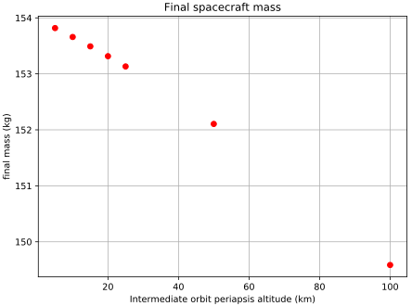
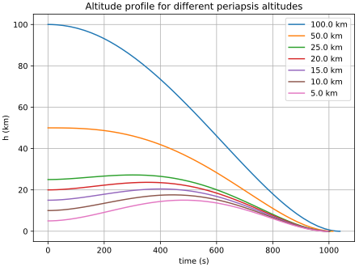
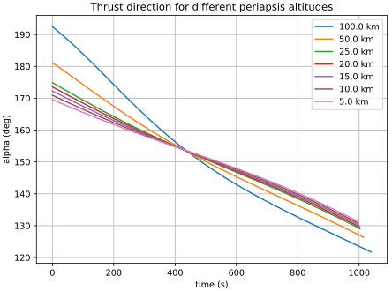
Effect of periapsis altitude (Ramanan)
Periapsis (Km) | Isp (s) | Twr | Throttle | Time (s) | Propellant fraction (%) | Final thrust direction (deg)
100 | 310 | 0.9036 | no | 1039.2508 | 50.1383 | 121.7295
50 | 310 | 0.9036 | no | 1014.1499 | 49.1095 | 126.3721
25 | 310 | 0.9036 | no | 1003.1203 | 48.6681 | 129.0458
20 | 310 | 0.9036 | no | 1001.0590 | 48.5868 | 129.6096
15 | 310 | 0.9036 | no | 999.0490 | 48.5080 | 130.1826
10 | 310 | 0.9036 | no | 997.0917 | 48.4318 | 130.7655
5 | 310 | 0.9036 | no | 995.1882 | 48.3582 | 131.3578

Effect of thrust (Mukundan)
Periapsis (Km) | Isp (s) | Twr | Throttle (%) | Time (s) | Propellant fraction (%) | Final thrust direction (deg)
15 | 310 | 0.9036 | no | 999.0490 | 48.5080 | 130.1826
15 | 310 | 1.8072 | no | 456.3638 | 44.3168 | 150.0155
15 | 310 | 2.0537 | no | 399.2353 | 44.0558 | 152.0495
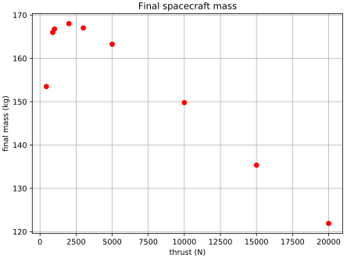
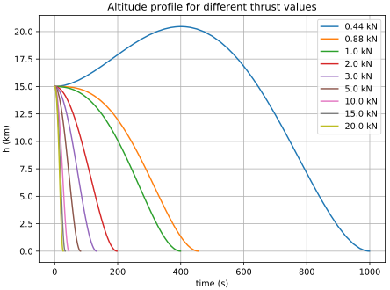
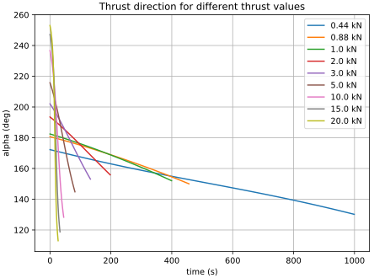
15 | 310 | 4.1074 | no | 197.7199 | 43.6370 | 155.8649
15 | 310 | 6.1611 | no | 132.8128 | 43.9679 | 153.0646
15 | 310 | 10.2684 | no | 81.9749 | 45.2299 | 144.8134
15 | 310 | 20.5369 | no | 45.0839 | 49.7503 | 128.2885
15 | 310 | 30.8053 | no | 32.9817 | 54.5932 | 118.7537
15 | 310 | 41.0737 | no | 26.7802 | 59.1041 | 112.9795

Effect of throttle (Ramanan)
Periapsis (Km) | Isp (s) | Twr | Throttle(%) | Time (s) | Propellant fraction (%) | Final thrust direction (deg)
100 | 310 | 0.9036 | no | 1039.2508 | 50.1383 | 121.7295
15 | 310 | 0.9036 | no | 999.0490 | 48.5080 | 130.1826
100 | 310 | 0.9036 | 0-100 | 3184.3723 | 48.8699 | 133.5071
100 | 310 | 0.9036 | 10-100 | 1777.8873 | 49.6966 | 129.1308

