Feuil1
EVALUATON DES RESULTATS

nSamples | 5, 15, 25 |  |  |  |  |  |  |  |  |  |  | Results Original Code (ID = Configuration) |  |  |  |  |  | Results Configuration 1 |  |  |  |  |  | Results Configuration 2 |  |  |  |  |  | Results Configuration 3 |  |  |  |  |  | Results Configuration 4
nCandidates | 10 ou 30, 50, 100 |  |  |  |  | ID | nSamples | nCandidate | Total Time |  |  | u_max | Γ_min | Γ_max | σ_min | σ_max | σ_avg | u_max | Γ_min | Γ_max | σ_min | σ_max | σ_avg | u_max | Γ_min | Γ_max | σ_min | σ_max | σ_avg | u_max | Γ_min | Γ_max | σ_min | σ_max | σ_avg | u_max | Γ_min | Γ_max | σ_min | σ_max | σ_avg
 |  |  |  |  |  | 1 | 5 | 10 | 10min |  |  | 0.488 | 15.4 | 194 | 1.50E+04 | 3.80E+07 | 7189326 | 0.669 | 14.8 | 192 | 2.68E+03 | 4.85E+07 | 9040357 | 0.669 | 14.5 | 194 | 4.30E+03 | 4.55E+07 | 8360640 | 0.661 | 13.5 | 207 | 1.51E+04 | 3.80E+07 | 6934160 | 0.66 | 13.5 | 208 | 2.82E+04 | 3.56E+07 | 6487474
 |  |  |  |  |  | 2 | 5 | 50 | 35min |  |  | 0.507 | 15.2 | 195 | 6.67E+03 | 3.72E+07 | 7007080 | 0.75 | 12.8 | 197 | 1.67E+04 | 5.21E+07 | 11567868 | 0.749 | 13.2 | 201 | 2.22E+04 | 4.97E+07 | 10451761 | 0.749 | 12.5 | 191 | 2.12E+04 | 4.29E+07 | 8129305 | 0.747 | 13.2 | 200 | 3.18E+04 | 4.04E+07 | 7340263
Configuration | 1 | 2 | 3 | 4 |  | 3 | 5 | 100 | 1h11min |  |  | 0.624 | 12.8 | 191 | 3.29E+03 | 3.85E+07 | 7078190 | 0.524 | 13.9 | 197 | 5.47E+03 | 3.66E+07 | 7706369 | 0.575 | 13.9 | 197 | 4.93E+03 | 3.83E+07 | 7656935 | 0.716 | 13.9 | 197 | 5.52E+03 | 4.19E+07 | 8168548 | 0.774 | 13.9 | 197 | 1.82E+04 | 4.22E+07 | 8255140
h_skins | 0.028 | 0.029 | 0.030 | 0.031 |  | 4 | 15 | 30 | 1h07min |  |  | 0.667 | 14.1 | 204 | 9.50E+03 | 3.82E+07 | 7115627 | 0.564 | 15 | 194 | 3.08E+03 | 4.09E+07 | 7600983 | 0.58 | 14.7 | 194 | 1.75E+04 | 4.01E+07 | 7339816 | 0.707 | 12.3 | 190 | 1.05E+04 | 4.08E+07 | 7321188 | 0.748 | 13.6 | 203 | 1.23E+04 | 4.04E+07 | 7325666
h_ribs | 0.009 | 0.014 | 0.010 | 0.015 |  | 5 | 15 | 50 | 1h50min |  |  |  |  |  |  |  |  | 0.559 | 14.9 | 193 | 1.72E+03 | 4.11E+07 | 7540366 | 0.575 | 14.7 | 194 | 1.31E+04 | 3.99E+07 | 7331042 | 0.708 | 12.3 | 191 | 1.43E+04 | 4.09E+07 | 7348318 | 0.749 | 13.6 | 203 | 1.33E+04 | 4.03E+07 | 7334995
h_spars_le | 0.017 | 0.019 | 0.022 | 0.025 |  | 6 | 15 | 100 | 3h41min |  |  |  |  |  |  |  |  | 0.554 | 14.9 | 193 | 1.83E+04 | 4.11E+07 | 7544401 | 0.573 | 14.7 | 195 | 4.03E+03 | 3.99E+07 | 7334367 | 0.71 | 12.3 | 191 | 1.82E+04 | 4.11E+07 | 7379571 | 0.748 | 13.6 | 203 | 2.83E+04 | 4.05E+07 | 7359249
h_spars_te | 0.009 | 0.013 | 0.011 | 0.015 |  | 7 | 25 | 30 | 1h34min |  |  |  |  |  |  |  |  | 0.562 | 14.9 | 193 | 1.17E+04 | 4.10E+07 | 7549628 | 0.582 | 14.7 | 194 | 3.68E+03 | 4.01E+07 | 7353591 | 0.705 | 12.3 | 190 | 1.06E+04 | 4.08E+07 | 7301908 | 0.753 | 13.6 | 203 | 2.64E+04 | 4.07E+07 | 7427952
b | 64.75 | 66.83 | 73.20 | 75.65 |  | 8 | 25 | 50 | 2h52min |  |  |  |  |  |  |  |  | 0.57 | 14.9 | 193 | 6.61E+03 | 4.16E+07 | 7647643 | 0.578 | 14.7 | 194 | 2.82E+03 | 3.98E+07 | 7310952 | 0.709 | 12.3 | 191 | 1.05E+04 | 4.11E+07 | 7350192 | 0.754 | 13.6 | 203 | 4.89E+03 | 4.05E+07 | 7370310
S | 443.56 | 449.70 | 444.44 | 500.21 |  | 9 | 25 | 100 | 6h |  |  |  |  |  |  |  |  | 0.558 | 14.9 | 193 | 3.80E+03 | 4.02E+07 | 7459346 | 0.578 | 14.7 | 194 | 9.55E+03 | 3.93E+07 | 7324286 | 0.709 | 12.4 | 191 | 1.31E+04 | 4.04E+07 | 7436060 | 0.753 | 13.6 | 203 | 1.44E+04 | 4.03E+07 | 7339933
 |  |  |  |  |  |  |  |  | Online time |  | 3s

ID | 1 |  |  |  | 2 |  |  |  | 3 |  |  |  | 4 |  |  |  | 5 |  |  |  | 6 |  |  |  | 7 |  |  |  | 8 |  |  |  | 9 |  |  |  |  |  |  | u_max | Γ_min | Γ_max | σ_min | σ_max | σ_avg
Configuration | 1 | 2 | 3 | 4 | 1 | 2 | 3 | 4 | 1 | 2 | 3 | 4 | 1 | 2 | 3 | 4 | 1 | 2 | 3 | 4 | 1 | 2 | 3 | 4 | 1 | 2 | 3 | 4 | 1 | 2 | 3 | 4 | 1 | 2 | 3 | 4 |  | nS = 65 nCand = 70 | Conf 1 | 0.564 | 14.9 | 193 | 7.16E+03 | 4.10E+07 | 7544525
u_max | 27.06% | 24.22% | 5.60% | 1.05% | 34.93% | 32.31% | 16.69% | 10.71% | 6.87% | 11.83% | 12.85% | 13.82% | 13.48% | 12.59% | 11.74% | 10.83% | 12.70% | 11.83% | 11.86% | 10.95% | 11.91% | 11.52% | 12.11% | 10.83% | 13.17% | 12.89% | 11.49% | 11.42% | 14.39% | 12.28% | 13.62% | 11.54% | 12.54% | 12.28% | 13.62% | 11.42% |  |  |  | 13% | 3% | 1% | 52% | 7% | 5%
Γ_min | 3.90% | 4.61% | 5.19% | 4.26% | 16.88% | 13.16% | 2.34% | 6.38% | 9.74% | 8.55% | 7.91% | 1.42% | 2.60% | 3.29% | 3.91% | 3.55% | 3.25% | 3.29% | 3.91% | 3.55% | 3.25% | 3.29% | 3.91% | 3.55% | 3.25% | 3.29% | 3.91% | 3.55% | 3.25% | 3.29% | 3.91% | 3.55% | 3.25% | 3.29% | 3.13% | 3.55% |  |  | Conf 2 | 0.58 | 14.7 | 194 | 2.94E+03 | 3.99E+07 | 7310863
Γ_max | 1.03% | 0.51% | 7.73% | 1.92% | 1.52% | 2.99% | 0.00% | 1.96% | 1.52% | 1.02% | 3.05% | 3.43% | 0.00% | 0.51% | 0.52% | 0.49% | 0.52% | 0.51% | 0.00% | 0.49% | 0.52% | 0.00% | 0.00% | 0.49% | 0.52% | 0.51% | 0.52% | 0.49% | 0.52% | 0.51% | 0.00% | 0.49% | 0.52% | 0.51% | 0.00% | 0.49% |  |  |  | 13% | 3% | 1% | 56% | 7% | 4%
σ_min | 82.13% | 35.53% | 78.21% | 66.31% | 10.18% | 69.95% | 84.48% | 70.13% | 63.53% | 26.09% | 40.40% | 47.80% | 79.47% | 61.89% | 68.67% | 22.76% | 88.53% | 49.08% | 76.99% | 28.57% | 18.03% | 39.58% | 81.92% | 66.43% | 22.00% | 44.83% | 68.96% | 64.02% | 55.93% | 57.72% | 68.67% | 48.53% | 74.67% | 30.16% | 74.89% | 34.03% |  |  | Conf 3 | 0.706 | 12.3 | 190 | 2.06E+04 | 4.08E+07 | 7319996
σ_max | 21.65% | 18.24% | 1.30% | 6.81% | 27.06% | 25.15% | 10.26% | 5.45% | 3.68% | 2.87% | 8.11% | 9.48% | 7.09% | 7.23% | 5.64% | 5.45% | 7.54% | 6.77% | 5.87% | 5.21% | 7.54% | 6.77% | 6.33% | 5.68% | 7.32% | 7.23% | 5.64% | 6.14% | 8.65% | 6.53% | 6.33% | 5.68% | 5.47% | 5.34% | 4.70% | 5.21% |  |  |  | 12% | 4% | 1% | 84% | 6% | 3%
σ_avg | 20.48% | 16.19% | 2.03% | 8.83% | 37.85% | 32.96% | 12.93% | 3.06% | 6.71% | 8.49% | 13.35% | 13.80% | 5.42% | 4.53% | 3.32% | 2.87% | 4.66% | 4.42% | 3.68% | 2.99% | 4.71% | 4.46% | 4.08% | 3.31% | 4.77% | 4.71% | 3.06% | 4.20% | 5.99% | 4.16% | 3.70% | 3.46% | 3.62% | 4.33% | 4.81% | 3.06% |  |  | Conf 4 | 0.751 | 13.6 | 203 | 9.80E+03 | 4.03E+07 | 7326573
 |  |  |  |  |  |  |  |  |  |  |  |  |  |  |  |  |  |  |  |  |  |  |  |  |  |  |  |  |  |  |  |  |  |  |  |  |  |  |  | 11% | 4% | 0% | 3% | 5% | 3%
ID | 1 |  |  |  | 2 |  |  |  | 3 |  |  |  | 4 |  |  |  | 5 |  |  |  | 6 |  |  |  | 7 |  |  |  | 8 |  |  |  | 9 |  |  |  |  | temps | 7h38min
Configuration | 1 | 2 | 3 | 4 | 1 | 2 | 3 | 4 | 1 | 2 | 3 | 4 | 1 | 2 | 3 | 4 | 1 | 2 | 3 | 4 | 1 | 2 | 3 | 4 | 1 | 2 | 3 | 4 | 1 | 2 | 3 | 4 | 1 | 2 | 3 | 4
Node VM_max | 484 | 484 | 484 | 484 | 484 | 484 | 484 | 484 | 484 | 484 | 484 | 484 | 484 | 484 | 484 | 484 | 484 | 484 | 484 | 484 | 484 | 484 | 484 | 484 | 484 | 484 | 484 | 484 | 484 | 484 | 484 | 484 | 484 | 484 | 484 | 484
VM (Node 484) | 48540835 | 45464668 | 37984964 | 35624687 | 52059432 | 49704912 | 42932225 | 40379679 | 36578133 | 38343525 | 41925371 | 42232939 | 40911607 | 39874746 | 40842429 | 40354839 | 41102904 | 35438962 | 40935683 | 40253041 | 41118073 | 39855131 | 41092776 | 40455046 | 41047047 | 40148406 | 40776023 | 40668576 | 41573477 | 39750568 | 41081560 | 40514021 | 40243212 | 39329427 | 40378476 | 40317645
Node 484 | 22% | 18% | 1% | 7% | 27% | 25% | 10% | 5% | 4% | 3% | 8% | 10% | 7% | 7% | 6% | 5% | 8% | 5% | 6% | 5% | 8% | 7% | 6% | 6% | 7% | 7% | 6% | 6% | 9% | 7% | 6% | 6% | 6% | 6% | 5% | 5%
Original VMmax Node | 484
VM (Node 484) | 37975409 | 37159300 | 38484360 | 38203893

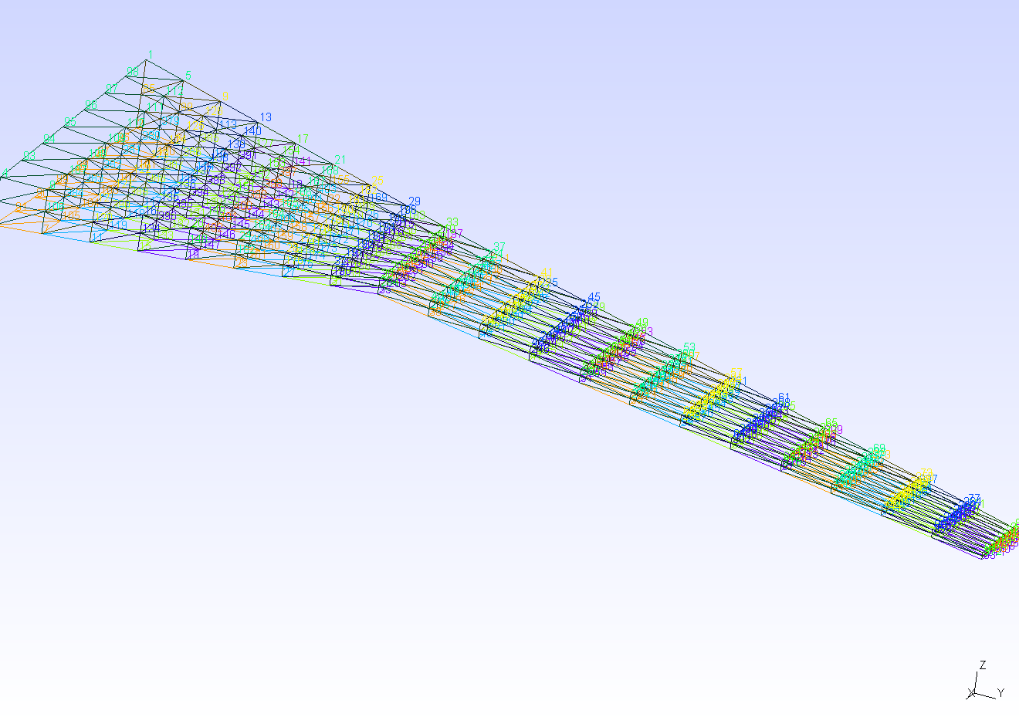
484

