Etude1
EVALUATION OF THE RESULTATS

nSamples | 5, 15, 25 |  |  |  |  |  |  |  |  |  |  | Results Original Code (ID = Configuration) |  |  |  |  |  | Results Configuration 1 |  |  |  |  |  | Results Configuration 2 |  |  |  |  |  | Results Configuration 3 |  |  |  |  |  | Results Configuration 4
nCandidates | 10 ou 30, 50, 100 |  |  |  |  | ID | nSamples | nCandidate | Total Time |  |  | u_max | Γ_min | Γ_max | σ_min | σ_max | σ_avg | u_max | Γ_min | Γ_max | σ_min | σ_max | σ_avg | u_max | Γ_min | Γ_max | σ_min | σ_max | σ_avg | u_max | Γ_min | Γ_max | σ_min | σ_max | σ_avg | u_max | Γ_min | Γ_max | σ_min | σ_max | σ_avg
 |  |  |  |  |  | 1 | 5 | 10 | 10min |  |  | 0.559 | 14.9 | 193 | 8.30E+03 | 4.10E+07 | 7513679 | 0.669 | 14.8 | 192 | 2.68E+03 | 4.85E+07 | 9040357 | 0.669 | 14.5 | 194 | 4.30E+03 | 4.55E+07 | 8360640 | 0.661 | 13.5 | 207 | 1.51E+04 | 3.80E+07 | 6934160 | 0.66 | 13.5 | 208 | 2.82E+04 | 3.56E+07 | 6487474
 |  |  |  |  |  | 2 | 5 | 50 | 35min |  |  | 0.579 | 14.7 | 194 | 3.55E+03 | 3.99E+07 | 7306765 | 0.75 | 12.8 | 197 | 1.67E+04 | 5.21E+07 | 11567868 | 0.749 | 13.2 | 201 | 2.22E+04 | 4.97E+07 | 10451761 | 0.749 | 12.5 | 191 | 2.12E+04 | 4.29E+07 | 8129305 | 0.747 | 13.2 | 200 | 3.18E+04 | 4.04E+07 | 7340263
Configuration | 1 | 2 | 3 | 4 |  | 3 | 5 | 100 | 1h11min |  |  | 0.706 | 12.3 | 190 | 1.99E+04 | 4.08E+07 | 7315405 | 0.524 | 13.9 | 197 | 5.47E+03 | 3.66E+07 | 7706369 | 0.575 | 13.9 | 197 | 4.93E+03 | 3.83E+07 | 7656935 | 0.716 | 13.9 | 197 | 5.52E+03 | 4.19E+07 | 8168548 | 0.774 | 13.9 | 197 | 1.82E+04 | 4.22E+07 | 8255140
h_skins | 0.028 | 0.029 | 0.030 | 0.031 |  | 4 | 15 | 30 | 1h07min |  |  | 0.753 | 13.6 | 203 | 6.29E+03 | 4.04E+07 | 7346109 | 0.564 | 15 | 194 | 3.08E+03 | 4.09E+07 | 7600983 | 0.58 | 14.7 | 194 | 1.75E+04 | 4.01E+07 | 7339816 | 0.707 | 12.3 | 190 | 1.05E+04 | 4.08E+07 | 7321188 | 0.748 | 13.6 | 203 | 1.23E+04 | 4.04E+07 | 7325666
h_ribs | 0.009 | 0.014 | 0.010 | 0.015 |  | 5 | 15 | 50 | 1h50min |  |  |  |  |  |  |  |  | 0.559 | 14.9 | 193 | 1.72E+03 | 4.11E+07 | 7540366 | 0.575 | 14.7 | 194 | 1.31E+04 | 3.99E+07 | 7331042 | 0.708 | 12.3 | 191 | 1.43E+04 | 4.09E+07 | 7348318 | 0.749 | 13.6 | 203 | 1.33E+04 | 4.03E+07 | 7334995
h_spars_le | 0.017 | 0.019 | 0.022 | 0.025 |  | 6 | 15 | 100 | 3h41min |  |  |  |  |  |  |  |  | 0.554 | 14.9 | 193 | 1.83E+04 | 4.11E+07 | 7544401 | 0.573 | 14.7 | 195 | 4.03E+03 | 3.99E+07 | 7334367 | 0.71 | 12.3 | 191 | 1.82E+04 | 4.11E+07 | 7379571 | 0.748 | 13.6 | 203 | 2.83E+04 | 4.05E+07 | 7359249
h_spars_te | 0.009 | 0.013 | 0.011 | 0.015 |  | 7 | 25 | 30 | 1h34min |  |  |  |  |  |  |  |  | 0.562 | 14.9 | 193 | 1.17E+04 | 4.10E+07 | 7549628 | 0.582 | 14.7 | 194 | 3.68E+03 | 4.01E+07 | 7353591 | 0.705 | 12.3 | 190 | 1.06E+04 | 4.08E+07 | 7301908 | 0.753 | 13.6 | 203 | 2.64E+04 | 4.07E+07 | 7427952
b | 64.75 | 66.83 | 73.20 | 75.65 |  | 8 | 25 | 50 | 2h52min |  |  |  |  |  |  |  |  | 0.57 | 14.9 | 193 | 6.61E+03 | 4.16E+07 | 7647643 | 0.578 | 14.7 | 194 | 2.82E+03 | 3.98E+07 | 7310952 | 0.709 | 12.3 | 191 | 1.05E+04 | 4.11E+07 | 7350192 | 0.754 | 13.6 | 203 | 4.89E+03 | 4.05E+07 | 7370310
S | 443.56 | 449.70 | 444.44 | 500.21 |  | 9 | 25 | 100 | 6h |  |  |  |  |  |  |  |  | 0.558 | 14.9 | 193 | 3.80E+03 | 4.02E+07 | 7459346 | 0.578 | 14.7 | 194 | 9.55E+03 | 3.93E+07 | 7324286 | 0.709 | 12.4 | 191 | 1.31E+04 | 4.04E+07 | 7436060 | 0.753 | 13.6 | 203 | 1.44E+04 | 4.03E+07 | 7339933
 |  |  |  |  |  |  |  |  | Online time |  | 3s

ID | 1 |  |  |  | 2 |  |  |  | 3 |  |  |  | 4 |  |  |  | 5 |  |  |  | 6 |  |  |  | 7 |  |  |  | 8 |  |  |  | 9 |  |  |  |  |  |  | u_max | Γ_min | Γ_max | σ_min | σ_max | σ_avg
Configuration | 1 | 2 | 3 | 4 | 1 | 2 | 3 | 4 | 1 | 2 | 3 | 4 | 1 | 2 | 3 | 4 | 1 | 2 | 3 | 4 | 1 | 2 | 3 | 4 | 1 | 2 | 3 | 4 | 1 | 2 | 3 | 4 | 1 | 2 | 3 | 4 |  | nS = 65 nCand = 70 | Conf 1 | 0.564 | 14.9 | 193 | 7.16E+03 | 4.10E+07 | 7544525
u_max | 16.44% | 13.45% | 6.37% | 12.35% | 25.47% | 22.70% | 5.74% | 0.80% | 6.26% | 0.69% | 1.40% | 2.71% | 0.89% | 0.17% | 0.14% | 0.66% | 0.00% | 0.69% | 0.28% | 0.53% | 0.89% | 1.04% | 0.56% | 0.66% | 0.53% | 0.52% | 0.14% | 0.00% | 1.93% | 0.17% | 0.42% | 0.13% | 0.18% | 0.17% | 0.42% | 0.00% |  |  |  | 1% | 0% | 0% | 14% | 0% | 0%
Γ_min | 0.67% | 1.36% | 8.89% | 0.74% | 14.09% | 10.20% | 1.60% | 2.94% | 6.71% | 5.44% | 11.51% | 2.16% | 0.67% | 0.00% | 0.00% | 0.00% | 0.00% | 0.00% | 0.00% | 0.00% | 0.00% | 0.00% | 0.00% | 0.00% | 0.00% | 0.00% | 0.00% | 0.00% | 0.00% | 0.00% | 0.00% | 0.00% | 0.00% | 0.00% | 0.81% | 0.00% |  |  | Conf 2 | 0.58 | 14.7 | 194 | 2.94E+03 | 3.99E+07 | 7310863
Γ_max | 0.52% | 0.00% | 8.21% | 2.40% | 2.03% | 3.48% | 0.52% | 1.48% | 2.03% | 1.52% | 3.55% | 2.96% | 0.52% | 0.00% | 0.00% | 0.00% | 0.00% | 0.00% | 0.52% | 0.00% | 0.00% | 0.51% | 0.52% | 0.00% | 0.00% | 0.00% | 0.00% | 0.00% | 0.00% | 0.00% | 0.52% | 0.00% | 0.00% | 0.00% | 0.52% | 0.00% |  |  |  | 0% | 0% | 0% | 17% | 0% | 0%
σ_min | 67.71% | 17.44% | 24.12% | 77.70% | 50.30% | 84.01% | 6.13% | 80.22% | 34.10% | 27.99% | 72.26% | 65.44% | 62.89% | 79.71% | 47.24% | 48.86% | 79.28% | 72.90% | 28.14% | 52.71% | 54.64% | 11.91% | 8.54% | 77.77% | 29.06% | 3.53% | 46.73% | 76.17% | 20.36% | 20.56% | 47.24% | 22.26% | 54.22% | 62.83% | 34.17% | 56.32% |  |  | Conf 3 | 0.706 | 12.3 | 190 | 2.06E+04 | 4.08E+07 | 7319996
σ_max | 15.46% | 12.31% | 6.86% | 11.88% | 21.31% | 19.72% | 4.90% | 0.00% | 10.73% | 4.01% | 2.63% | 4.27% | 0.24% | 0.50% | 0.00% | 0.00% | 0.24% | 0.00% | 0.24% | 0.25% | 0.24% | 0.00% | 0.73% | 0.25% | 0.00% | 0.50% | 0.00% | 0.74% | 1.44% | 0.25% | 0.73% | 0.25% | 1.95% | 1.50% | 0.98% | 0.25% |  |  |  | 0% | 0% | 0% | 3% | 0% | 0%
σ_avg | 16.89% | 12.61% | 5.21% | 11.69% | 35.05% | 30.09% | 10.01% | 0.08% | 2.50% | 4.57% | 10.44% | 11.01% | 1.15% | 0.45% | 0.08% | 0.28% | 0.35% | 0.33% | 0.45% | 0.15% | 0.41% | 0.38% | 0.87% | 0.18% | 0.48% | 0.64% | 0.18% | 1.10% | 1.75% | 0.06% | 0.47% | 0.33% | 0.72% | 0.24% | 1.62% | 0.08% |  |  | Conf 4 | 0.751 | 13.6 | 203 | 9.80E+03 | 4.03E+07 | 7326573
 |  |  |  |  |  |  |  |  |  |  |  |  |  |  |  |  |  |  |  |  |  |  |  |  |  |  |  |  |  |  |  |  |  |  |  |  |  |  |  | 0% | 0% | 0% | 36% | 0% | 0%
ID | 1 |  |  |  | 2 |  |  |  | 3 |  |  |  | 4 |  |  |  | 5 |  |  |  | 6 |  |  |  | 7 |  |  |  | 8 |  |  |  | 9 |  |  |  |  | Time | 7h38min
Configuration | 1 | 2 | 3 | 4 | 1 | 2 | 3 | 4 | 1 | 2 | 3 | 4 | 1 | 2 | 3 | 4 | 1 | 2 | 3 | 4 | 1 | 2 | 3 | 4 | 1 | 2 | 3 | 4 | 1 | 2 | 3 | 4 | 1 | 2 | 3 | 4
Node VM_max | 484 | 484 | 484 | 484 | 484 | 484 | 484 | 484 | 484 | 484 | 484 | 484 | 484 | 484 | 484 | 484 | 484 | 484 | 484 | 484 | 484 | 484 | 484 | 484 | 484 | 484 | 484 | 484 | 484 | 484 | 484 | 484 | 484 | 484 | 484 | 484
VM (Node 484) | 48540835 | 45464668 | 37984964 | 35624687 | 52059432 | 49704912 | 42932225 | 40379679 | 36578133 | 38343525 | 41925371 | 42232939 | 40911607 | 39874746 | 40842429 | 40354839 | 41102904 | 35438962 | 40935683 | 40253041 | 41118073 | 39855131 | 41092776 | 40455046 | 41047047 | 40148406 | 40776023 | 40668576 | 41573477 | 39750568 | 41081560 | 40514021 | 40243212 | 39329427 | 40378476 | 40317645
Node 484 | 22% | 18% | 1% | 7% | 27% | 25% | 10% | 5% | 4% | 3% | 8% | 10% | 7% | 7% | 6% | 5% | 8% | 5% | 6% | 5% | 8% | 7% | 6% | 6% | 7% | 7% | 6% | 6% | 9% | 7% | 6% | 6% | 6% | 6% | 5% | 5%
Original VMmax Node | 484
VM (Node 484) | 37975409 | 37159300 | 38484360 | 38203893

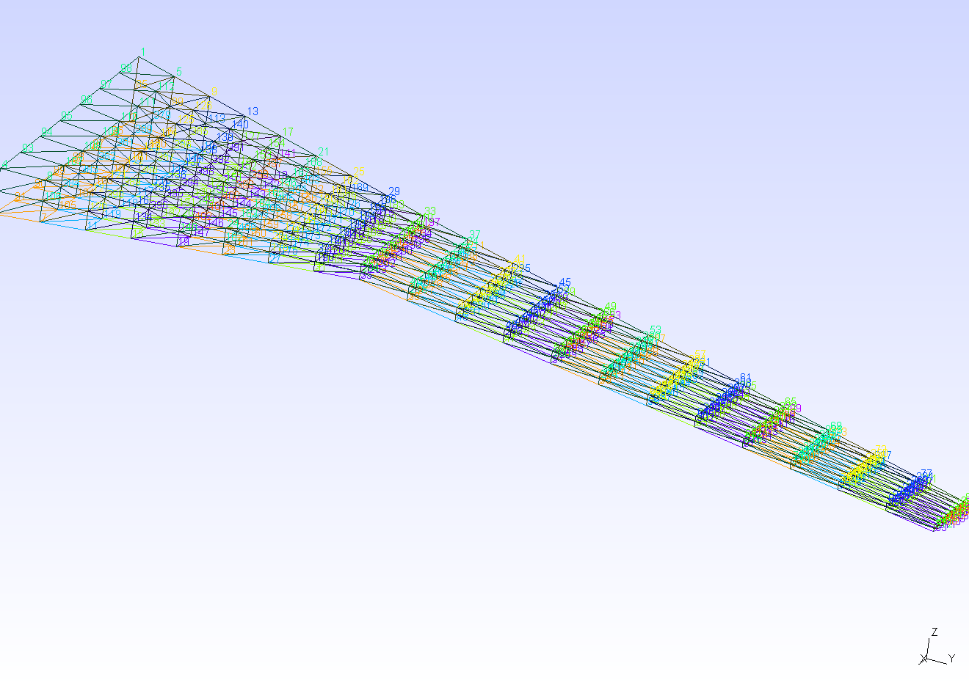
484

