锦标赛获奖
图片中的文字 | Conquer the Tournament！（征服锦标赛）
 | Win 10,000,000 Prize Pool！
图片外文字 | I won XX（名次） in tournament. Join me now and win the grand prize of $10,000,000!

 | 1st、2nd、3rd、4th、5th

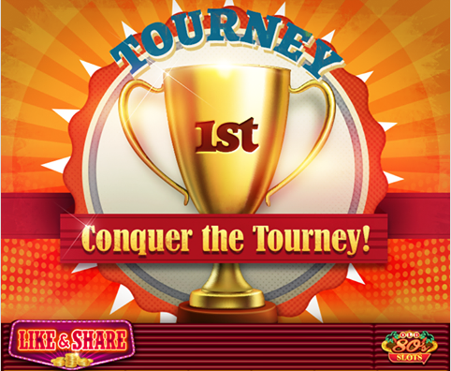
参考竞品

Big Win
图片中的文字 | BIG WIN
 | LOVE HUGE WINS！
图片外文字 | I Big-Won in HUGE WIN SLOTS with just one spin. Beat that – click to join me now!


参考竞品

Epic Win
图片中的文字 | Epic WIN
 | LOVE HUGE WINS！
图片外文字 | I Epic-Won in HUGE WIN SLOTS with just one spin. Beat that – click to join me now!


参考竞品

