功能描述
原文 | 进度 | tips（i） | 奖励
Complete All Daily Challenges | 0/4 | Complete 4 Daily Challenges until the time is up. | 2000
Spin 100 Times | 0/100 | Spin 100 times in any slot game (Free Spins do not count). | 500
Hit a Big Win | 0/1 | Hit a Big Win (at least 10 times bet) in any slot game. | 500
Trigger a Free Spin | 0/1 | Trigger a free spin in any slot game. | 500
Collect 3 Hourly Bonuses | 0/3 | Tap collect credits button in Lobby. | 500

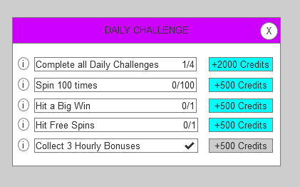

完成一个任务后自动弹出完成任务的弹窗，持续一段时间后，收回弹窗

参考竞品
