Sheet1
会场 | Day1 |  | Day2 |  | Day3
主会场 | 8:30am ~ 10:30am (9:00am & 9:45am 中场休息) | 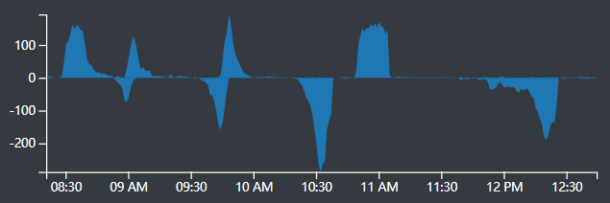 | 9:00am ~ 10:30am (9:30am 中场休息) | 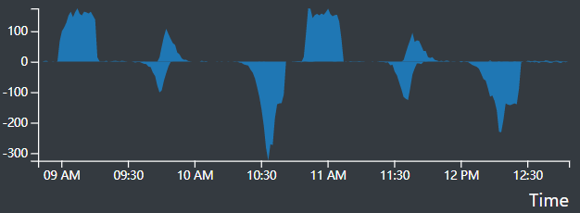 | 9:00am ~ 10:30am (9:30am 中场休息) | 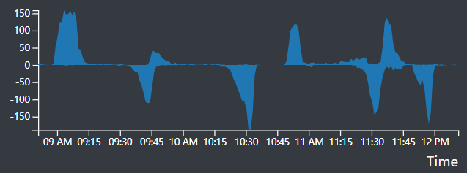

 | 11:00am ~ 12:15am |  | 11:00am ~ 12:00am (11:30am 中场休息) |  | 11:00am ~ 12:00am (11:30am 中场休息)

分会场A | 2:00pm ~ 3:00pm | 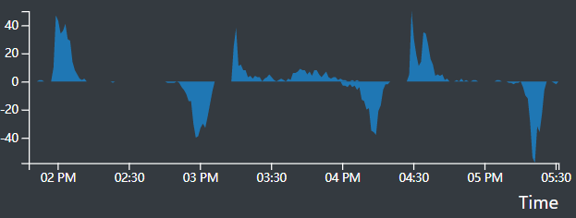 | 2:00pm ~ 3:00pm | 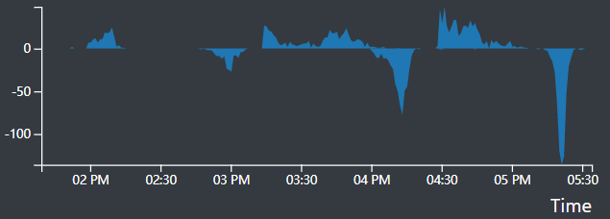 | 10:30am ~ 11:15am | 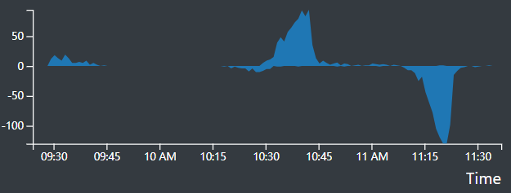
 | 3:15pm ~ 4:00pm |  | 3:15pm ~ 4:00pm
 | 4:30pm ~ 5:15pm |  | 4:30pm ~ 5:15pm

分会场B | 2:00pm ~ 3:30pm | 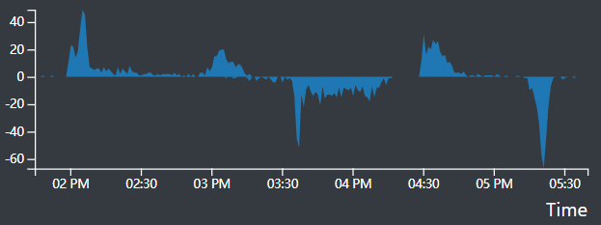 | 2:00pm ~ 3:30pm | 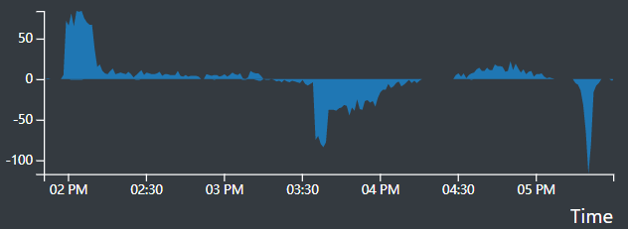 | 9:30am ~ 10:45am | 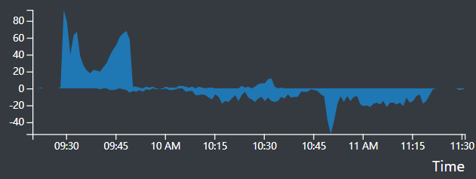
 | 4:30pm ~ 5:15pm |  | 4:30pm ~ 5:15pm

分会场C | 2:00pm ~ 3:30pm | 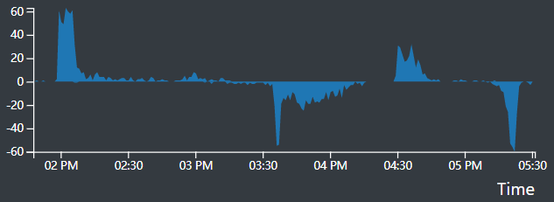 | 2:00pm ~ 3:30pm | 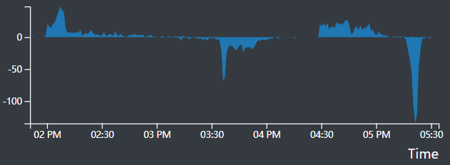 | 9:30am ~ 10:45am | 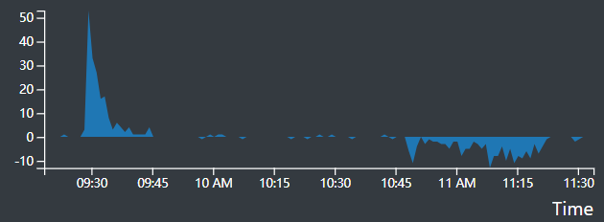
 | 4:30pm ~ 5:15pm |  | 4:30pm ~ 5:15pm

分会场D | 2:00pm ~ 3:30pm | 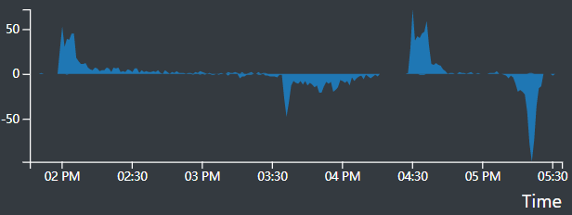 | 2:00pm ~ 3:30pm | 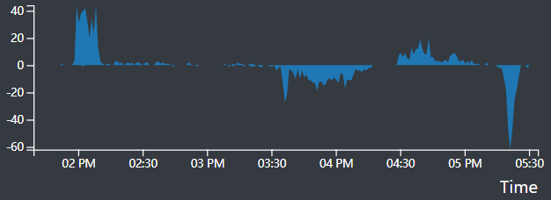
 | 4:30pm ~ 5:15pm |  | 4:30pm ~ 5:15pm

