Specialized Chisel 2023
model | Specialized Chisel
model year | 2023
input date | 25-Nov-23
URL | https://www.specialized.com/us/en/chisel-comp/p/199641?color=319922-199641
Material | aluminum
frame_size | frame size | XS | S | M | L | XL
crank_length | Crank Length | 165 | 170 | 175 | 175 | 175
handlebar_width | Handlebar Width | 750 | 750 | 750 | 750 | 750
stem_length | Stem Length | 60 | 60 | 70 | 70 | 70
saddle_width | Saddle Width | 155 | 155 | 143 | 143 | 143
seatpost_length | Seatpost Length | 350 | 400 | 400 | 400 | 400
stack | Stack | 591 | 605 | 605 | 619 | 633
reach | Reach | 385 | 405 | 430 | 455 | 480
head_tube_length | Head Tube Length | 95 | 95 | 95 | 110 | 125
head_tube_angle | Head Tube Angle | 68 | 68 | 68 | 68 | 68
bb_height | BB Height | 304 | 309 | 309 | 309 | 309
bottom_bracket_drop | BB Drop | 68 | 63 | 63 | 63 | 63
trail | Trail | 103 | 103 | 103 | 103 | 103
axle_crown | Fork Length, Full | 486 | 506 | 506 | 506 | 506
fork_offset_rake | Fork Rake/Offset | 44 | 44 | 44 | 44 | 44
front_center | Front Center | 647 | 674 | 699 | 730 | 760
chainstay_length | Chainstay Length | 432 | 432 | 432 | 432 | 432
wheelbase | Wheelbase | 1070 | 1099 | 1124 | 1154 | 1185
top_tube_effective_length | Top Tube Length, Horizontal | 555 | 578 | 603 | 632 | 661
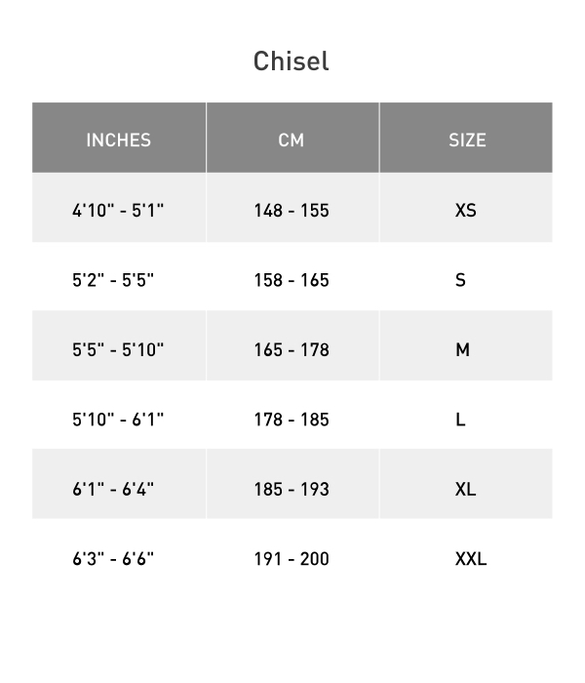
standover | Bike Standover Height | 732 | 762 | 792 | 816 | 847
seat_tube_length | Seat Tube Length | 367 | 400 | 430 | 470 | 520
seat_tube_angle | Seat Tube Angle | 74 | 74 | 74 | 74 | 74
wheel_size | wheel size | 29 | 29 | 29 | 29 | 29
tire_width_spec | tire width spec | 59.69 | 59.69 | 59.69 | 59.69 | 59.69
tire_width_max | tire width max
rider_min | rider_min | 148 | 158 | 165 | 178 | 185
rider_max | rider_max | 155 | 165 | 178 | 185 | 193

 |  | XS | S | M | L | XL
 | Crank Length | 165mm | 170mm | 175mm | 175mm | 175mm
 | Handlebar Width | 750mm | 750mm | 750mm | 750mm | 750mm
 | Stem Length | 60mm | 60mm | 70mm | 70mm | 70mm
 | Saddle Width | 155mm | 155mm | 143mm | 143mm | 143mm
 | Seatpost Length | 350mm | 400mm | 400mm | 400mm | 400mm
 | Stack | 591mm | 605mm | 605mm | 619mm | 633mm
 | Reach | 385mm | 405mm | 430mm | 455mm | 480mm
 | Head Tube Length | 95mm | 95mm | 95mm | 110mm | 125mm
 | Head Tube Angle | 68° | 68° | 68° | 68° | 68°
 | BB Height | 304mm | 309mm | 309mm | 309mm | 309mm
 | BB Drop | 68mm | 63mm | 63mm | 63mm | 63mm
 | Trail | 103mm | 103mm | 103mm | 103mm | 103mm
 | Fork Length, Full | 486mm | 506mm | 506mm | 506mm | 506mm
 | Fork Rake/Offset | 44mm | 44mm | 44mm | 44mm | 44mm
 | Front Center | 647mm | 674mm | 699mm | 730mm | 760mm
 | Chainstay Length | 432mm | 432mm | 432mm | 432mm | 432mm
 | Wheelbase | 1070mm | 1099mm | 1124mm | 1154mm | 1185mm
 | Top Tube Length, Horizontal | 555mm | 578mm | 603mm | 632mm | 661mm
 | Bike Standover Height | 732mm | 762mm | 792mm | 816mm | 847mm
 | Seat Tube Length | 367mm | 400mm | 430mm | 470mm | 520mm
 | Seat Tube Angle | 74° | 74° | 74° | 74° | 74°

