Cannondale SuperX 2023
model | Cannondale SuperX 1
Date | 28-Jun-23
URL | https://www.cannondale.com/en-us/bikes/road/cyclocross/superx/superx-1
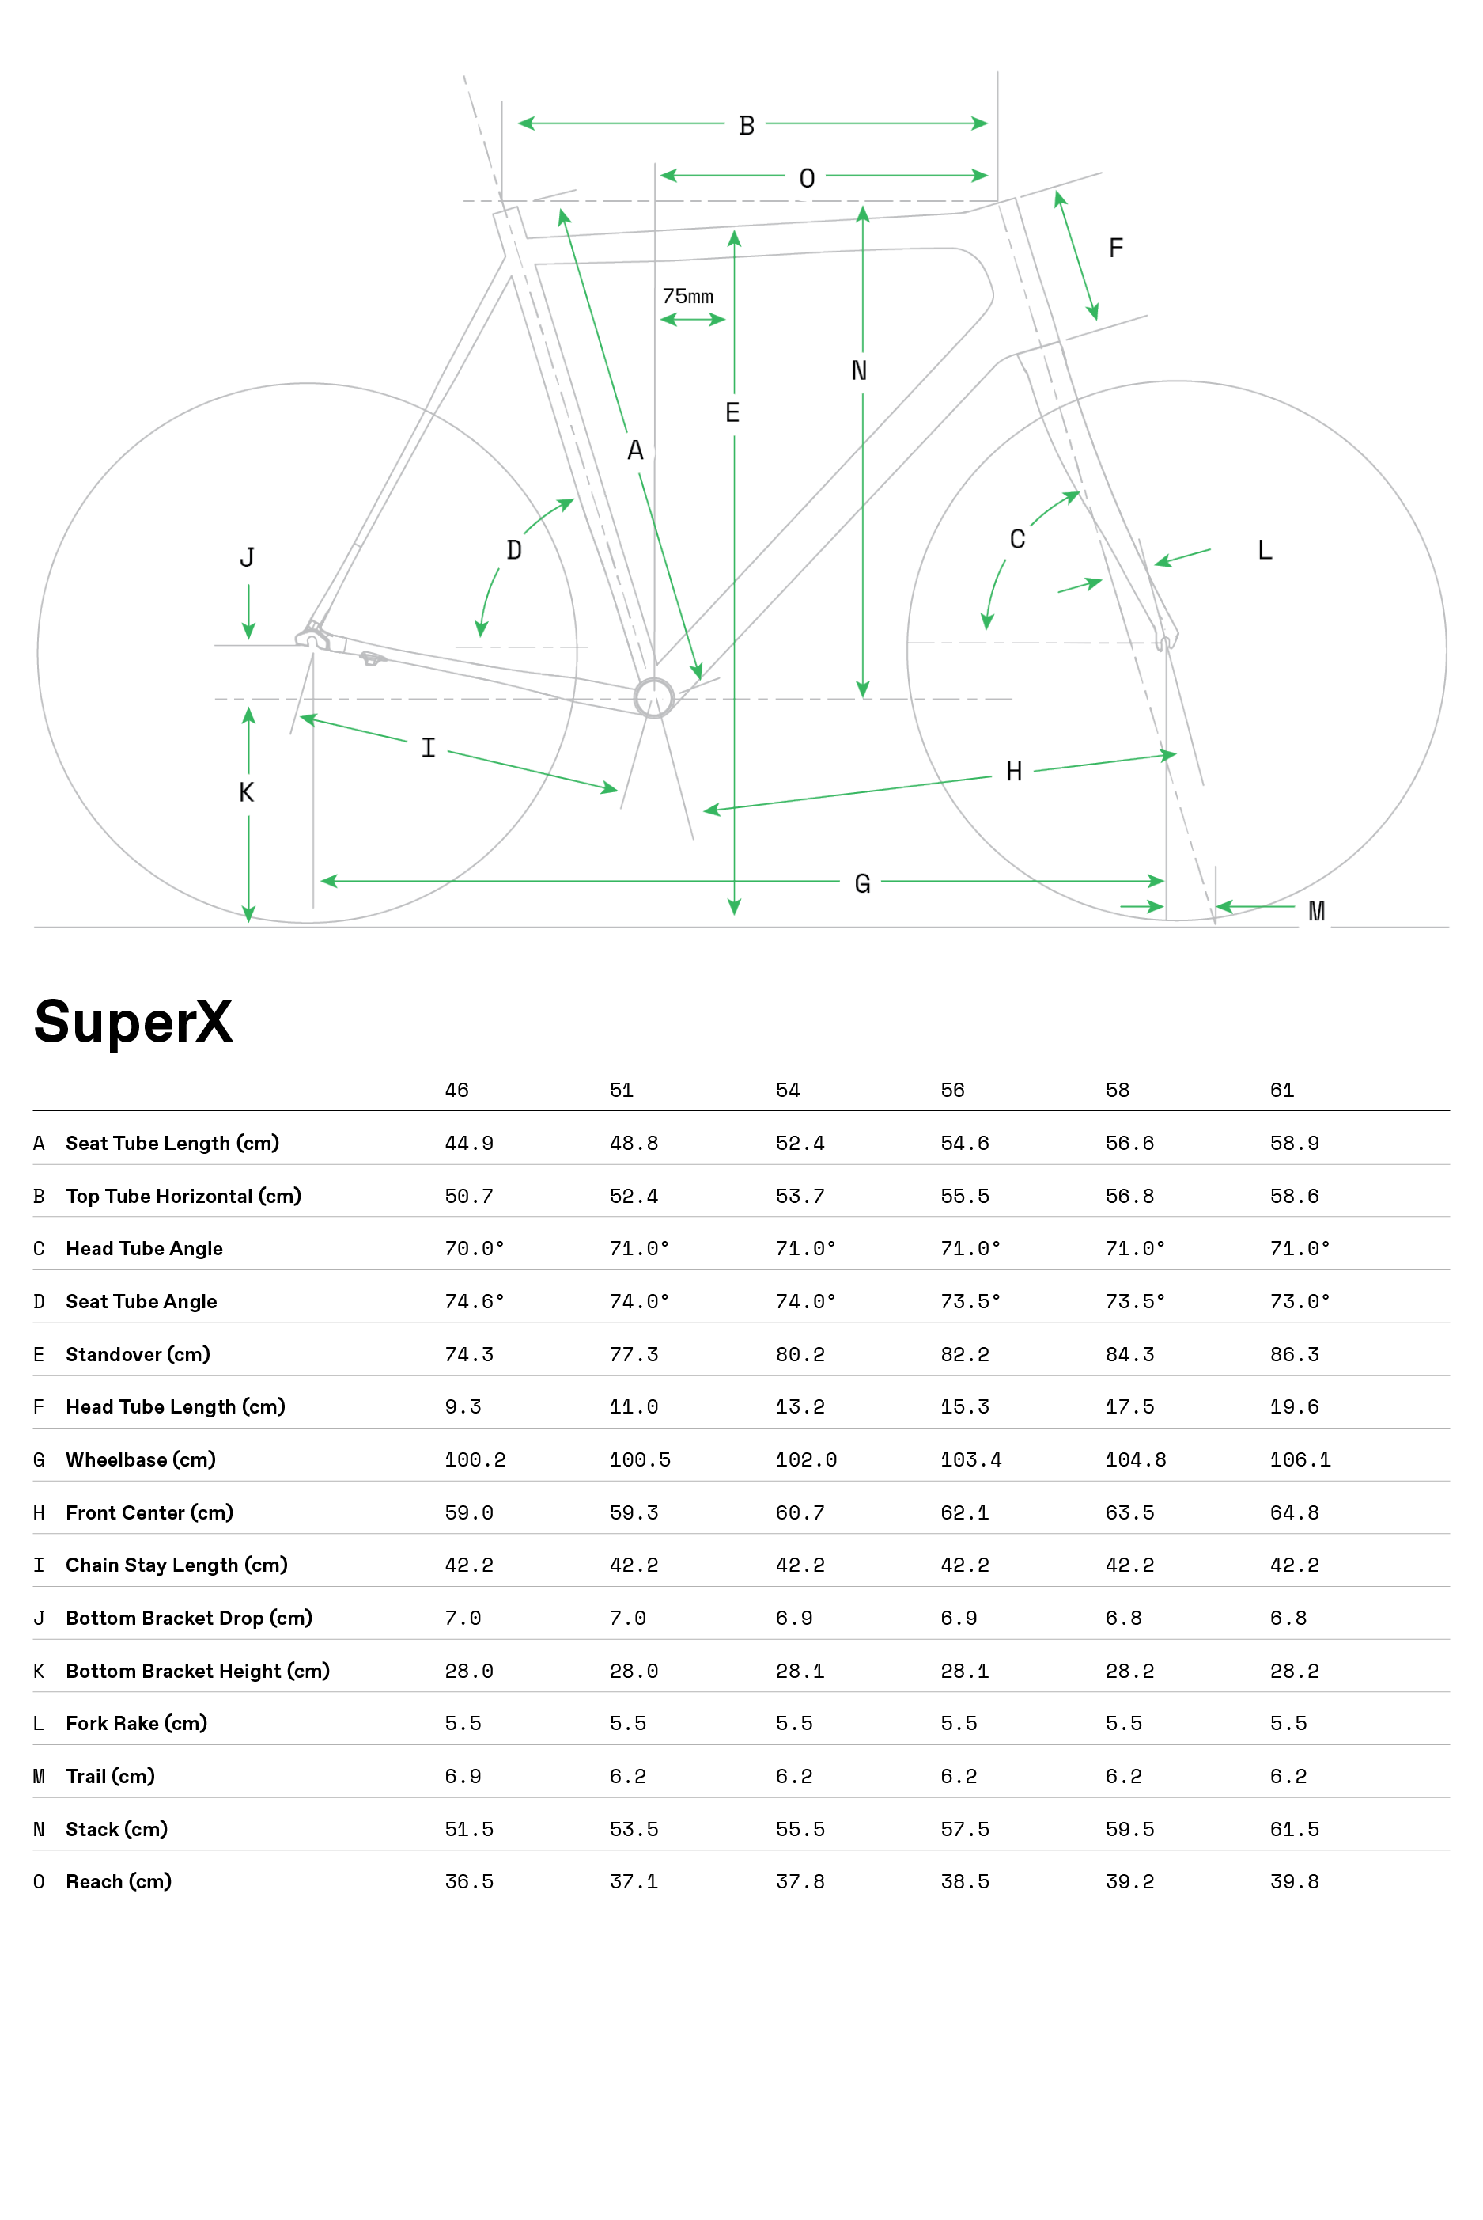
Material | carbon
frame_size | Frame Size | 46 | 51 | 54 | 56 | 58 | 61
seat_tube_length | A Seat Tube Length (cm) | 449 | 488 | 524 | 546 | 566 | 589
top_tube_effective_length | B Top Tube Horizontal (cm) | 507 | 524 | 537 | 555 | 568 | 586
head_tube_angle | C Head Tube Angle | 70 | 71 | 71 | 71 | 71 | 71
seat_tube_angle | D Seat Tube Angle | 74.6 | 74 | 74 | 73.5 | 73.5 | 73
standover | E Standover (cm) | 743 | 773 | 802 | 822 | 843 | 863
head_tube_length | F Head Tube Length (cm) | 93 | 110 | 132 | 153 | 175 | 196
wheelbase | G Wheelbase (cm) | 1002 | 1005 | 1020 | 1034 | 1048 | 1061
front_center | H Front Center (cm) | 590 | 593 | 607 | 621 | 635 | 648
chainstay_length | I Chain Stay Length (cm) | 422 | 422 | 422 | 422 | 422 | 422
bottom_bracket_drop | J Bottom Bracket Drop (cm) | 70 | 70 | 69 | 69 | 68 | 68
bottom_bracket_height | K Bottom Bracket Height (cm) | 280 | 280 | 281 | 281 | 282 | 282
fork_offset_rake | L Fork Rake (cm) | 55 | 55 | 55 | 55 | 55 | 55
trail | M Trail (cm) | 69 | 62 | 62 | 62 | 62 | 62
stack | N Stack (cm) | 515 | 535 | 555 | 575 | 595 | 615
reach | 0 Reach (cm) | 365 | 371 | 378 | 385 | 392 | 398
stem_length | stem_length
crank_length | crank_length
handlebar_width | handlebar_width
wheel_size | wheel_size
tire_width_spec | tire_width_spec | 40 | 40 | 40 | 40 | 40 | 40
tire_width_max | tire_width_max | 40 | 40 | 40 | 40 | 40 | 40
rider_min | rider_min | 152 | 160 | 165 | 172 | 177 | 182
rider_max | rider_max | 162 | 170 | 175 | 182 | 187 | 193

 | Frame Size | 46 | 51 | 54 | 56 | 58 | 61
 | A Seat Tube Length (cm) | 44.9 | 48.8 | 52.4 | 54.6 | 56.6 | 58.9
 | B Top Tube Horizontal (cm) | 50.7 | 52.4 | 53.7 | 55.5 | 56.8 | 58.6
 | C Head Tube Angle | 70.0° | 71.0° | 71.0° | 71.0° | 71.0° | 71.0°
 | D Seat Tube Angle | 74.6° | 74.0° | 74.0° | 73.5° | 73.5° | 73.0°
 | E Standover (cm) | 74.3 | 77.3 | 80.2 | 82.2 | 84.3 | 86.3
 | F Head Tube Length (cm) | 9.3 | 11 | 13.2 | 15.3 | 17.5 | 19.6
 | G Wheelbase (cm) | 100.2 | 100.5 | 102 | 103.4 | 104.8 | 106.1
 | H Front Center (cm) | 59 | 59.3 | 60.7 | 62.1 | 63.5 | 64.8
 | I Chain Stay Length (cm) | 42.2 | 42.2 | 42.2 | 42.2 | 42.2 | 42.2
 | J Bottom Bracket Drop (cm) | 7 | 7 | 6.9 | 6.9 | 6.8 | 6.8
 | K Bottom Bracket Height (cm) | 28 | 28 | 28.1 | 28.1 | 28.2 | 28.2
 | L Fork Rake (cm) | 5.5 | 5.5 | 5.5 | 5.5 | 5.5 | 5.5
 | M Trail (cm) | 6.9 | 6.2 | 6.2 | 6.2 | 6.2 | 6.2
 | N Stack (cm) | 51.5 | 53.5 | 55.5 | 57.5 | 59.5 | 61.5
 | 0 Reach (cm) | 36.5 | 37.1 | 37.8 | 38.5 | 39.2 | 39.8

 | 46

 | @Html.Sitecore().DictionaryEx("/PDP/Sizing/Size", "Size*"):51

 | @Html.Sitecore().DictionaryEx("/PDP/Sizing/Size", "Size*"):54

 | @Html.Sitecore().DictionaryEx("/PDP/Sizing/Size", "Size*"):56

 | @Html.Sitecore().DictionaryEx("/PDP/Sizing/Size", "Size*"):58

 | @Html.Sitecore().DictionaryEx("/PDP/Sizing/Size", "Size*"):61

Canyon Inflite CF 2023
model | Inflite CF SLX 9
Date | 28-Jun-23
URL | https://www.canyon.com/en-us/road-bikes/cyclocross-bikes/inflite/cf-slx/inflite-cf-slx-9/3312.html?dwvar_3312_pv_rahmenfarbe=R059_P27
Material | carbon
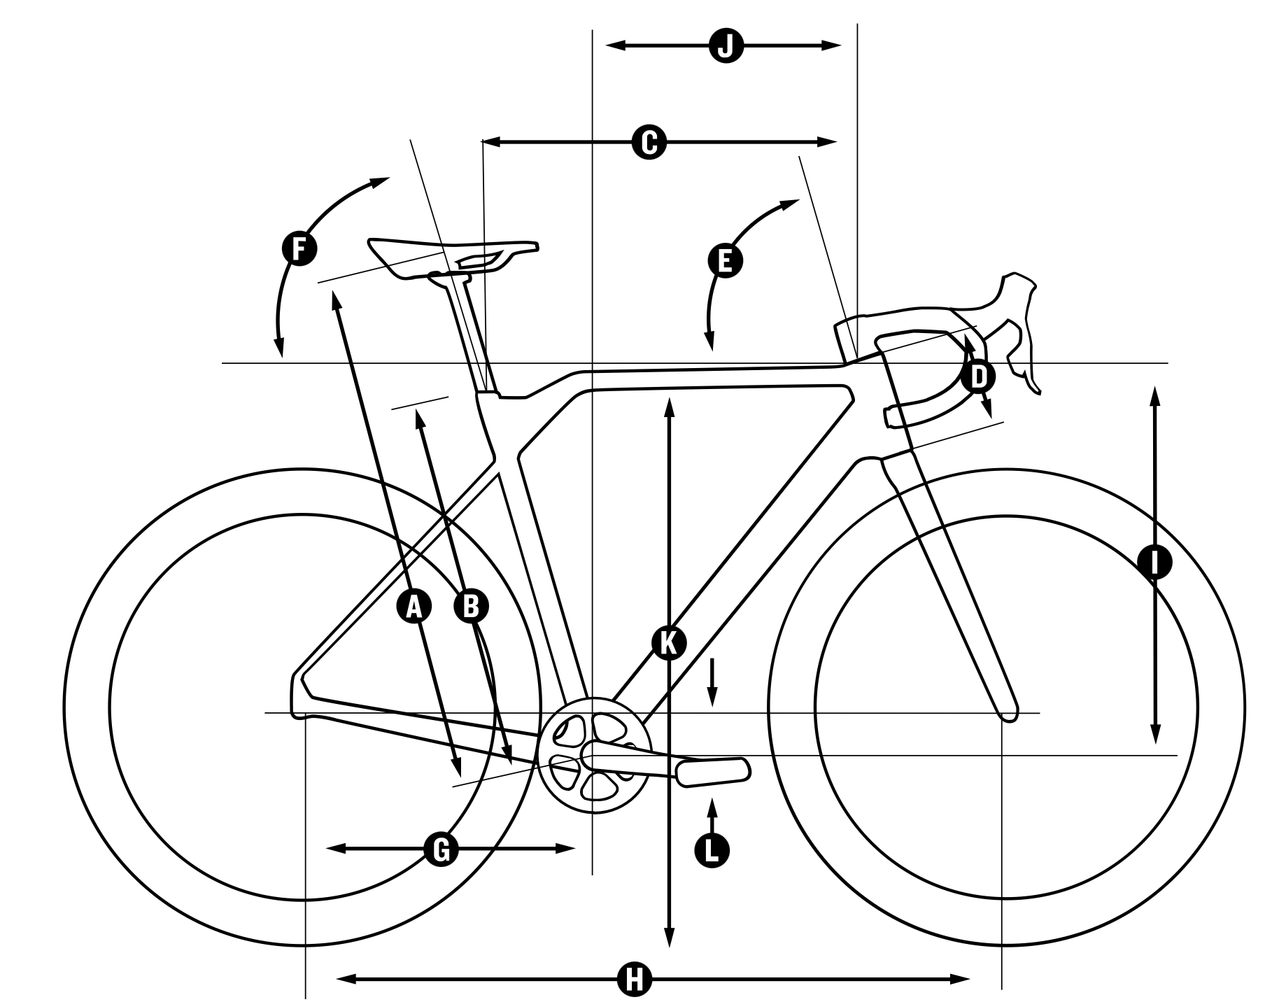
frame_size | Frame Size | 2XS | XS | S | M | L | XL
seat_tube_length | Seat Tube Length in mm (B) | 452 | 482 | 512 | 542 | 572 | 602
top_tube_effective_length | Top Tube Length in mm (C) | 522 | 532 | 550 | 562 | 578 | 601
head_tube_length | Head Tube Length in mm (D) | 113 | 102 | 119 | 146 | 168 | 192
head_tube_angle | Head Tube Angle (E) | 71.5 | 71 | 72.25 | 72.5 | 72.5 | 72.7
seat_tube_angle | Seat Tube Angle (F) | 73.5 | 73.5 | 73.5 | 73.5 | 73.5 | 73.5
chainstay_length_h | Chainstay Length in mm (G) | 415 | 425 | 425 | 425 | 425 | 425
wheelbase | Wheel Base in mm (H) | 980 | 1000 | 1006 | 1018 | 1034 | 1055
stack | Stack in mm (I) | 510 | 527 | 547 | 572 | 593 | 616
reach | Reach in mm (J) | 371 | 376 | 388 | 393 | 402 | 418
standover | Stand-over Height in mm (K) | 749 | 783 | 807 | 839 | 859 | 883
bottom_bracket_drop | Bottom Bracket Offset in mm (L) | 55 | 66 | 66 | 64 | 64 | 64
stack_plus | Stack+ in mm | 598 | 618 | 637 | 663 | 686 | 709
reach_plus | Reach+ in mm | 419 | 433 | 446 | 462 | 481 | 497
chainstay_length | chainstay Length computed | 418.62871378 | 430.09417573 | 430.09417573 | 429.79181007 | 429.79181007 | 429.79181007
fork_offset_rake | fork rake
wheel_size | wheel_size | 650 | 700 | 700 | 700 | 700 | 700
stem_length | stem_length | 70 | 80 | 80 | 90 | 10 | 100
crank_length | crank_length
handlebar_width | handlebar_width
tire_width_spec | tire_width_spec | 33 | 33 | 33 | 33 | 33 | 33
tire_width_max | tire_width_max
rider_min | rider_min | 160 | 166 | 172 | 178 | 184 | 190
rider_max | rider_max | 166 | 172 | 178 | 184 | 190 | 196

 | Body Height in cm | 160 - 166 | 166 - 172 | 172 - 178 | 178 - 184 | 184 - 190 | 190 - 196
 | Seat Height in mm (A) | 643 - 743 | 673 - 773 | 703 - 803 | 733 - 833 | 763 - 863 | 793 - 893

