Cannondale Synapse Carbon 2023
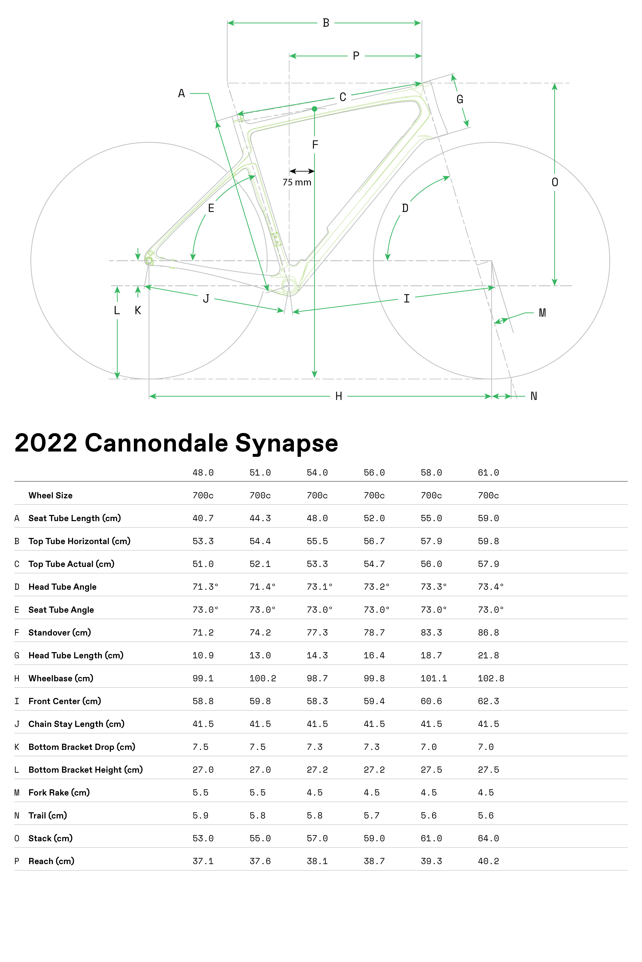
model | Cannondale Synapse Carbon 2 LE
Date | 25-Jun-23
URL | https://www.cannondale.com/en-us/bikes/road/endurance/synapse-carbon/synapse-carbon-2-le
Material | carbon
frame_size | Frame Size | 48 | 51 | 54 | 56 | 58 | 61
wheel_size | Wheel Size | 700 | 700 | 700 | 700 | 700 | 700
seat_tube_length | A Seat Tube Length (cm) | 407 | 443 | 480 | 520 | 550 | 590
top_tube_effective_length | B Top Tube Horizontal (cm) | 533 | 544 | 555 | 567 | 579 | 598
top_tube_actual_length | C Top Tube Actual (cm) | 510 | 521 | 533 | 547 | 560 | 579
head_tube_angle | D Head Tube Angle | 71.3 | 71.4 | 73.1 | 73.2 | 73.3 | 73.4
seat_tube_angle | E Seat Tube Angle | 73 | 73 | 73 | 73 | 73 | 73
standover | F Standover (cm) | 712 | 742 | 773 | 787 | 833 | 868
head_tube_length | G Head Tube Length (cm) | 109 | 130 | 143 | 164 | 187 | 218
wheelbase | H Wheelbase (cm) | 991 | 1002 | 987 | 998 | 1011 | 1028
front_center | I Front Center (cm) | 588 | 598 | 583 | 594 | 606 | 623
chainstay_length | J Chain Stay Length (cm) | 415 | 415 | 415 | 415 | 415 | 415
bottom_bracket_drop | K Bottom Bracket Drop (cm) | 75 | 75 | 73 | 73 | 70 | 70
bottom_bracket_height | L Bottom Bracket Height (cm) | 270 | 270 | 272 | 272 | 275 | 275
fork_offset_rake | M Fork Rake (cm) | 55 | 55 | 45 | 45 | 45 | 45
trail | N Trail (cm) | 59 | 58 | 58 | 57 | 56 | 56
stack | 0 Stack (cm) | 530 | 550 | 570 | 590 | 610 | 640
reach | P Reach (cm) | 371 | 376 | 381 | 387 | 393 | 402
stem_length | stem_length
crank_length | crank_length
handlebar_width | handlebar_width
tire_width_spec | tire_width_spec | 30 | 30 | 30 | 30 | 30 | 30
tire_width_max | tire_width_max
rider_min | rider_min | 157 | 165 | 170 | 175 | 182 | 190
rider_max | rider_max | 167 | 175 | 180 | 185 | 193 | 203

 | Frame Size | 48 | 51 | 54 | 56 | 58 | 61
 | Wheel Size | 700c | 700c | 700c | 700c | 700c | 700c
 | A Seat Tube Length (cm) | 40.7 | 44.3 | 48 | 52 | 55 | 59
 | B Top Tube Horizontal (cm) | 53.3 | 54.4 | 55.5 | 56.7 | 57.9 | 59.8
 | C Top Tube Actual (cm) | 51 | 52.1 | 53.3 | 54.7 | 56 | 57.9
 | D Head Tube Angle | 71.3° | 71.4° | 73.1° | 73.2° | 73.3° | 73.4°
 | E Seat Tube Angle | 73.0° | 73.0° | 73.0° | 73.0° | 73.0° | 73.0°
 | F Standover (cm) | 71.2 | 74.2 | 77.3 | 78.7 | 83.3 | 86.8
 | G Head Tube Length (cm) | 10.9 | 13 | 14.3 | 16.4 | 18.7 | 21.8
 | H Wheelbase (cm) | 99.1 | 100.2 | 98.7 | 99.8 | 101.1 | 102.8
 | I Front Center (cm) | 58.8 | 59.8 | 58.3 | 59.4 | 60.6 | 62.3
 | J Chain Stay Length (cm) | 41.5 | 41.5 | 41.5 | 41.5 | 41.5 | 41.5 | 48
 | K Bottom Bracket Drop (cm) | 7.5 | 7.5 | 7.3 | 7.3 | 7 | 7 | 157 | 165 | 170 | 175 | 182 | 190
 | L Bottom Bracket Height (cm) | 27 | 27 | 27.2 | 27.2 | 27.5 | 27.5 | 167 | 175 | 180 | 185 | 193 | 203
 | M Fork Rake (cm) | 5.5 | 5.5 | 4.5 | 4.5 | 4.5 | 4.5 | @Html.Sitecore().DictionaryEx("/PDP/Sizing/Size", "Size*"):51
 | N Trail (cm) | 5.9 | 5.8 | 5.8 | 5.7 | 5.6 | 5.6
 | 0 Stack (cm) | 53 | 55 | 57 | 59 | 61 | 64
 | P Reach (cm) | 37.1 | 37.6 | 38.1 | 38.7 | 39.3 | 40.2 | @Html.Sitecore().DictionaryEx("/PDP/Sizing/Size", "Size*"):54

 |  |  |  |  |  |  |  | @Html.Sitecore().DictionaryEx("/PDP/Sizing/Size", "Size*"):56

 |  |  |  |  |  |  |  | @Html.Sitecore().DictionaryEx("/PDP/Sizing/Size", "Size*"):58

 |  |  |  |  |  |  |  | @Html.Sitecore().DictionaryEx("/PDP/Sizing/Size", "Size*"):61

Canyon Endurance CF SL 2023
model | Canyon Endurance CF SL 8
Date | 25-Jun-23
URL | https://www.canyon.com/en-us/road-bikes/endurance-bikes/endurace/cf-sl/endurace-cf-sl-8-disc/3383.html?dwvar_3383_pv_rahmenfarbe=GY%2FBK
Material | carbon
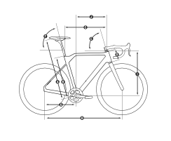
frame_size | Frame Size | XS | S | M | L | XL | 2XL
seat_tube_length | Seat Tube Length in mm (B) | 462 | 492 | 522 | 552 | 582 | 612
top_tube_effective_length | Top Tube Length in mm (C) | 527 | 541 | 553 | 568 | 592 | 607
head_tube_length | Head Tube Length in mm (D) | 115 | 139 | 158 | 184 | 206 | 225
head_tube_angle | Head Tube Angle (E) | 71 | 72 | 73 | 73 | 73.25 | 73.25
seat_tube_angle | Seat Tube Angle (F) | 73.5 | 73.5 | 73.5 | 73.5 | 73.5 | 73.5
chainstay_length_h | Chainstay Length in mm (G) | 415 | 415 | 415 | 415 | 415 | 415
wheelbase | Wheel Base in mm (H) | 982 | 988 | 990 | 1.006 | 1.028 | 1.043
stack | Stack in mm (I) | 532 | 557 | 578 | 604 | 625 | 644
reach | Reach in mm (J) | 370 | 376 | 382 | 389 | 407 | 417
standover | Stand-over Height in mm (K) | 750 | 780 | 806 | 832 | 857 | 881
bottom_bracket_drop | Bottom Bracket Offset in mm (L) | 75 | 73 | 73 | 73 | 73 | 73
stack_plus | Stack+ in mm | 632 | 658 | 680 | 708 | 729 | 749
reach_plus | Reach+ in mm | 424 | 441 | 458 | 475 | 494 | 513
chainstay_length | computed chainstay | 421.72265768 | 421.37156999 | 421.37156999 | 421.37156999 | 421.37156999 | 421.37156999
fork_offset_rake | fork_offset_rake
wheel_size | wheel_size | 700 | 700 | 700 | 700 | 700 | 700
stem_length | stem_length
crank_length | crank_length
handlebar_width | handlebar_width
tire_width_spec | tire_width_spec | 30 | 30 | 30 | 30 | 30 | 30
tire_width_max | tire_width_max
rider_min | rider_min | 166 | 172 | 178 | 184 | 190 | 196
rider_max | rider_max | 172 | 178 | 184 | 190 | 196 | 202

 | Body Height in cm | < 172 | 172 - 178 | 178 - 184 | 184 - 190 | 190 - 196 | > 196
 | Seat Height in mm (A) | 653 - 753 | 683 - 783 | 713 - 813 | 743 - 843 | 773 - 873 | 803 - 903

