Cannondale SuperSix Evo 2022
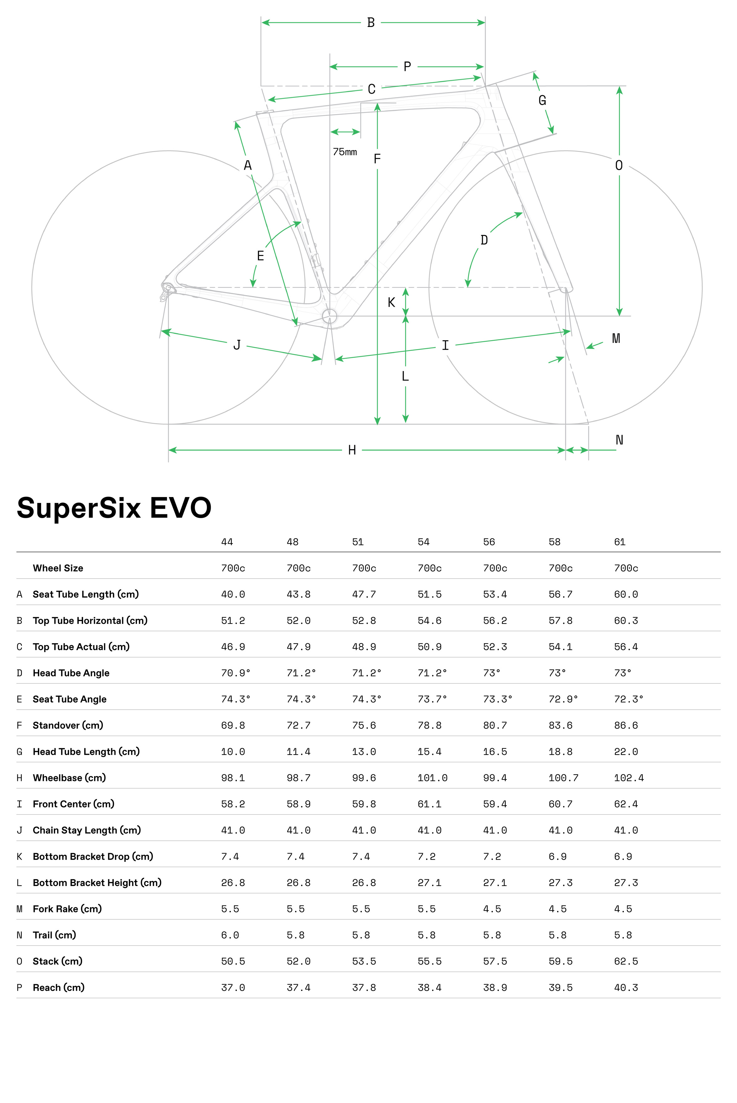
model | Cannondale Supersix Evo 1
Date | 25-Jun-23
URL | https://www.cannondale.com/en-us/bikes/road/race/supersix-evo/supersix-evo-1
Material | carbon
frame_size | Frame Size | 44 | 48 | 51 | 54 | 56 | 58 | 61
wheel_size | Wheel Size | 700 | 700 | 700 | 700 | 700 | 700 | 700
seat_tube_length | A Seat Tube Length (cm) | 400 | 438 | 477 | 515 | 534 | 567 | 600
top_tube_effective_length | B Top Tube Horizontal (cm) | 512 | 520 | 528 | 546 | 562 | 578 | 603
top_tube_actual_length | C Top Tube Actual (cm) | 469 | 479 | 489 | 509 | 523 | 541 | 564
head_tube_angle | D Head Tube Angle | 70.9 | 71.2 | 71.2 | 71.2 | 73 | 73 | 73
seat_tube_angle | E Seat Tube Angle | 74.3 | 74.3 | 74.3 | 73.7 | 73.3 | 72.9 | 72.3
standover | F Standover (cm) | 698 | 727 | 756 | 788 | 807 | 836 | 866
head_tube_length | G Head Tube Length (cm) | 100 | 114 | 130 | 154 | 165 | 188 | 220
wheelbase | H Wheelbase (cm) | 981 | 987 | 996 | 1010 | 994 | 1007 | 1024
front_center | I Front Center (cm) | 582 | 589 | 598 | 611 | 594 | 607 | 624
chainstay_length | J Chain Stay Length (cm) | 410 | 410 | 410 | 410 | 410 | 410 | 410
bottom_bracket_drop | K Bottom Bracket Drop (cm) | 74 | 74 | 74 | 72 | 72 | 69 | 69
bottom_bracket_height | L Bottom Bracket Height (cm) | 268 | 268 | 268 | 271 | 271 | 273 | 273
fork_offset_rake | M Fork Rake (cm) | 55 | 55 | 55 | 55 | 45 | 45 | 45
trail | N Trail (cm) | 60 | 58 | 58 | 58 | 58 | 58 | 58
stack | 0 Stack (cm) | 505 | 520 | 535 | 555 | 575 | 595 | 625
reach | P Reach (cm) | 370 | 374 | 378 | 384 | 389 | 395 | 403
stem_length | stem_length
crank_length | crank_length
handlebar_width | handlebar_width
tire_width_spec | tire_width_spec | 25 | 25 | 25 | 25 | 25 | 25 | 25
tire_width_max | tire_width_max
rider_min | rider_min | 154 | 160 | 165 | 170 | 177 | 182 | 190
rider_max | rider_max | 165 | 170 | 175 | 180 | 185 | 193 | 200

 | Frame Size | 44 | 48 | 51 | 54 | 56 | 58 | 61
 | Wheel Size | 700c | 700c | 700c | 700c | 700c | 700c | 700c
 | A Seat Tube Length (cm) | 40 | 43.8 | 47.7 | 51.5 | 53.4 | 56.7 | 60
 | B Top Tube Horizontal (cm) | 51.2 | 52 | 52.8 | 54.6 | 56.2 | 57.8 | 60.3
 | C Top Tube Actual (cm) | 46.9 | 47.9 | 48.9 | 50.9 | 52.3 | 54.1 | 56.4
 | D Head Tube Angle | 70.9° | 71.2° | 71.2° | 71.2° | 73° | 73° | 73°
 | E Seat Tube Angle | 74.3° | 74.3° | 74.3° | 73.7° | 73.3° | 72.9° | 72.3°
 | F Standover (cm) | 69.8 | 72.7 | 75.6 | 78.8 | 80.7 | 83.6 | 86.6
 | G Head Tube Length (cm) | 10 | 11.4 | 13 | 15.4 | 16.5 | 18.8 | 22
 | H Wheelbase (cm) | 98.1 | 98.7 | 99.6 | 101 | 99.4 | 100.7 | 102.4
 | I Front Center (cm) | 58.2 | 58.9 | 59.8 | 61.1 | 59.4 | 60.7 | 62.4
 | J Chain Stay Length (cm) | 41 | 41 | 41 | 41 | 41 | 41 | 41
 | K Bottom Bracket Drop (cm) | 7.4 | 7.4 | 7.4 | 7.2 | 7.2 | 6.9 | 6.9
 | L Bottom Bracket Height (cm) | 26.8 | 26.8 | 26.8 | 27.1 | 27.1 | 27.3 | 27.3
 | M Fork Rake (cm) | 5.5 | 5.5 | 5.5 | 5.5 | 4.5 | 4.5 | 4.5
 | N Trail (cm) | 6 | 5.8 | 5.8 | 5.8 | 5.8 | 5.8 | 5.8
 | 0 Stack (cm) | 50.5 | 52 | 53.5 | 55.5 | 57.5 | 59.5 | 62.5
 | P Reach (cm) | 37 | 37.4 | 37.8 | 38.4 | 38.9 | 39.5 | 40.3

 | 44

 | @Html.Sitecore().DictionaryEx("/PDP/Sizing/Size", "Size*"):48

 | @Html.Sitecore().DictionaryEx("/PDP/Sizing/Size", "Size*"):51

 | @Html.Sitecore().DictionaryEx("/PDP/Sizing/Size", "Size*"):54

 | @Html.Sitecore().DictionaryEx("/PDP/Sizing/Size", "Size*"):56

 | @Html.Sitecore().DictionaryEx("/PDP/Sizing/Size", "Size*"):58

 | @Html.Sitecore().DictionaryEx("/PDP/Sizing/Size", "Size*"):61

Canyon Ultimate CF 2023
model | Ultimate CF SLX 8 Di2
Date | 26-Jun-23
URL | https://www.canyon.com/en-us/road-bikes/cyclocross-bikes/inflite/cf-slx/inflite-cf-slx-9/3312.html?dwvar_3312_pv_rahmenfarbe=R059_P27
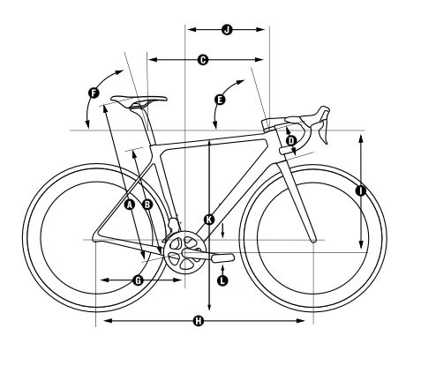
Material | carbon
frame_size | Frame Size | 3XS | 2XS | XS | S | M | L | XL | 2XL
seat_tube_length | Seat Tube Length in mm (B) | 390 | 420 | 450 | 480 | 510 | 540 | 570 | 600
top_tube_effective_length | Top Tube Length in mm (C) | 497 | 516 | 529 | 546 | 555 | 569 | 594 | 609
head_tube_length | Head Tube Length in mm (D) | 104 | 88 | 107 | 121 | 142 | 162 | 188 | 206
head_tube_angle | Head Tube Angle (E) | 70.2 | 71.5 | 71.2 | 72.8 | 73.3 | 73.3 | 73.5 | 73.8
seat_tube_angle | Seat Tube Angle (F) | 73.5 | 73.5 | 73.5 | 73.5 | 73.5 | 73.5 | 73.5 | 73.5
chainstay_length_h | Chainstay Length in mm (G) | 405 | 410 | 410 | 410 | 410 | 413 | 415 | 415
wheelbase | Wheel Base in mm (H) | 958 | 975 | 979 | 982 | 988 | 1.003 | 1.029 | 1.042
stack | Stack in mm (I) | 483 | 498 | 520 | 539 | 560 | 580 | 606 | 624
reach | Reach in mm (J) | 358 | 372 | 378 | 390 | 393 | 401 | 419 | 429
standover | Stand-over Height in mm (K) | 697 | 720 | 748 | 775 | 801 | 828 | 851 | 874
bottom_bracket_drop | Bottom Bracket Offset in mm (L) | 60 | 73 | 73 | 73 | 73 | 73 | 73 | 73
stack_plus | Stack+ in mm | 558 | 573 | 596 | 613 | 635 | 656 | 681 | 701
reach_plus | Reach+ in mm | 415 | 428 | 446 | 459 | 473 | 490 | 509 | 529
chainstay_length | chainstay computed | 409.42032192 | 416.448076 | 416.448076 | 416.448076 | 416.448076 | 419.40195517 | 421.37156999 | 421.37156999
fork_offset_rake
wheel_size
stem_length
crank_length | crank_length
handlebar_width | handlebar_width
tire_width_spec | tire_width_spec | 25 | 25 | 25 | 25 | 25 | 25 | 25 | 25
tire_width_max | tire_width_max
rider_min | rider_min | 154 | 160 | 166 | 172 | 178 | 184 | 190 | 196
rider_max | rider_max | 160 | 166 | 172 | 178 | 184 | 190 | 196 | 202

 | Body Height in cm | < 160 | 160 - 166 | 166 - 172 | 172 - 178 | 178 - 184 | 184 - 190 | 190 - 196 | > 196
 | Seat Height in mm (A) | 594 - 694 | 624 - 724 | 654 - 754 | 684 - 784 | 714 - 814 | 744 - 844 | 774 - 874 | 804 - 904

