Why share my salary
Why share your salary?

Because transparency in pay helps fight off gender gap in salaries.
Because great companies (Buffer, GitLab...) have set up transparent salary formulas.
Because Glassdoor and Payscale salary scales don't fully capture our experience as remote workers.
Here's my motto: | https://twitter.com/rdutel/status/1040918188886827009?lang=en
Because you can't negotiate if you don't have any benchmark

-Rodolphe | rodolphe@remotive.io | @rdutel | remotive.io

PS: Struggling with your salary negotiation? Take a look at this cool video - |  |  |  | How to Negotiate Your Job Offer (Harvard Business School)

PPS:
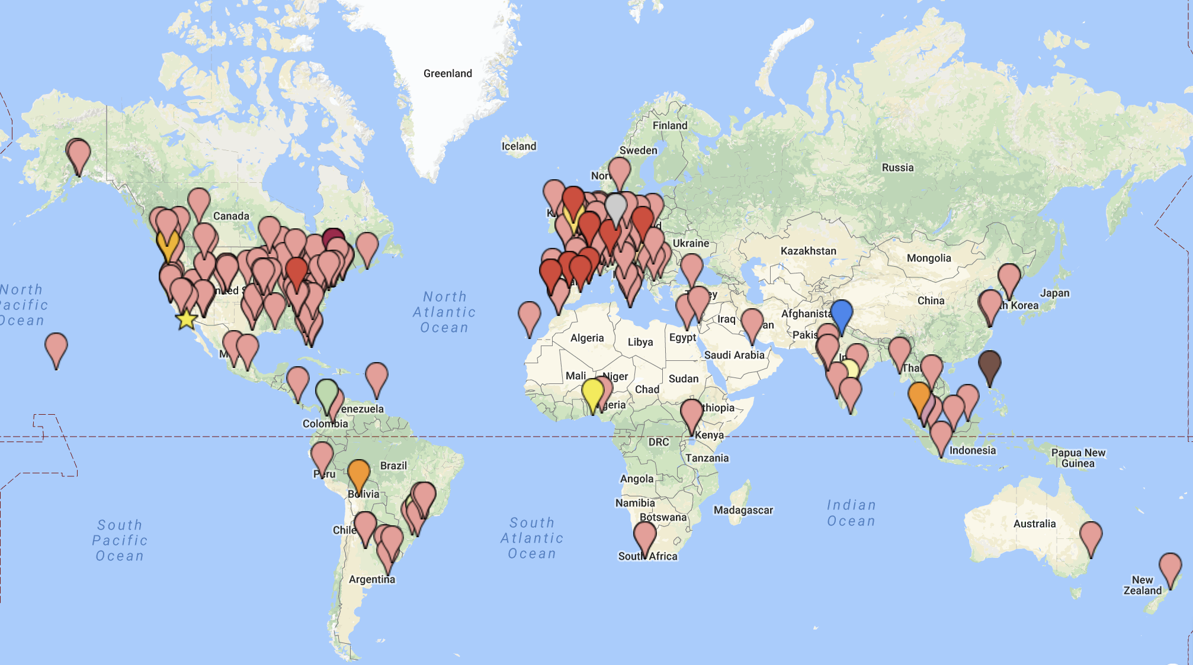
 |  |  |  | Remotive is a community who gathers 25,000+ remote workers. 1,100+ of us support each other on Slack:

 |  |  |  | Learn more: | Remotive Community

 |  |  |  | Remotive helps Tech professionals go remote. Go transparency!

 |  |  |  | Est. 2014. Voted #1 on Product Hunt in 2014, 2015 & 2017

 |  |  |  |  |  |  | >10 hours
 |  |  |  |  |  |  | 10-20 hours
 |  | 0 |  |  |  |  | 20-30 hours |  | White
2-5 employees |  | Seed (>100k$) |  | Male | Junior | Over paid | 30-40 hours |  | Black or African American
6-10 employees |  | 100-200k$ |  | Female | Intermediate | Under paid | 40-50 hours | yes | American Indian or Alaska Native
11-25 employees |  | 200-500k$ |  | Non-binary | Advanced | Just right! | 50-60 hours | no | Asian
26-50 employees |  | 500-1m$ |  |  | Experienced |  | 60-70 hours |  | Native Hawaiian or Other Pacific Islander
51-100 employees |  | 1-5m$ |  |  | Master |  | 70+ hours
101-200 employees |  | 5m$+
200+ employees |  | 10m$+
 |  | Unsure

