15062025
Test Case ID | Pre-requisite | Test Scenario | Execution Steps | Execution Status
TC_001 | Cart has items | Admin login | Navigate to Admin page -> Enter required information -> Click on Submit button -> Verify the response message -> Check for expected results | Not Executed | Creating Dataframe
TC_002 | User is logged out | Password reset | Navigate to Password page -> Enter required information -> Click on Continue button -> Verify the response message -> Check for expected results | Pass
TC_003 | User has completed orders | Product upload (admin) | Navigate to Product page -> Enter required information -> Click on Continue button -> Verify the response message -> Check for expected results | Fail | co1 =
TC_004 | Admin privileges required | Login functionality | Navigate to Login page -> Enter required information -> Click on Submit button -> Verify the response message -> Check for expected results | Not Executed | co2 =
TC_005 | User account exists | Change password | Navigate to Change page -> Enter required information -> Click on Continue button -> Verify the response message -> Check for expected results | Blocked | co3 =
TC_006 | Internet connection is active | Product upload (admin) | Navigate to Product page -> Enter required information -> Click on Continue button -> Verify the response message -> Check for expected results | Fail | co4 =
TC_007 | Internet connection is active | Sort products | Navigate to Sort page -> Enter required information -> Click on Continue button -> Verify the response message -> Check for expected results | Pass | co5 =
TC_008 | Internet connection is active | Login functionality | Navigate to Login page -> Enter required information -> Click on Submit button -> Verify the response message -> Check for expected results | Pass | co6 =
TC_009 | Cart has items | Discount code application | Navigate to Discount page -> Enter required information -> Click on Continue button -> Verify the response message -> Check for expected results | Pass
TC_010 | User has pending orders | Inventory update | Navigate to Inventory page -> Enter required information -> Click on Continue button -> Verify the response message -> Check for expected results | Blocked | Extracting the "Execution Status" Coloumn
TC_011 | Cart is empty | Sort products | Navigate to Sort page -> Enter required information -> Click on Continue button -> Verify the response message -> Check for expected results | Blocked
TC_012 | Product catalog is populated | Remove from cart | Navigate to Remove page -> Enter required information -> Click on Continue button -> Verify the response message -> Check for expected results | Blocked | c1 =
TC_013 | Internet connection is active | Search functionality | Navigate to Search page -> Enter required information -> Click on Continue button -> Verify the response message -> Check for expected results | Blocked | c2 =
TC_014 | Cart is empty | Admin login | Navigate to Admin page -> Enter required information -> Click on Submit button -> Verify the response message -> Check for expected results | Blocked | c3 =
TC_015 | Cart has items | User registration | Navigate to User page -> Enter required information -> Click on Continue button -> Verify the response message -> Check for expected results | Fail | c4 =
TC_016 | Valid discount code available | User registration | Navigate to User page -> Enter required information -> Click on Continue button -> Verify the response message -> Check for expected results | Pass | c5 =
TC_017 | User account exists | Add to cart functionality | Navigate to Add page -> Enter required information -> Click on Continue button -> Verify the response message -> Check for expected results | Not Executed | c6 =
TC_018 | User account exists | Admin login | Navigate to Admin page -> Enter required information -> Click on Submit button -> Verify the response message -> Check for expected results | Pass
TC_019 | Product catalog is populated | Filter products | Navigate to Filter page -> Enter required information -> Click on Continue button -> Verify the response message -> Check for expected results | Pass | Taking the value count from "Execution Status" Coloumn
TC_020 | User is logged out | Discount code application | Navigate to Discount page -> Enter required information -> Click on Continue button -> Verify the response message -> Check for expected results | Pass
TC_021 | Product catalog is populated | Logout functionality | Navigate to Logout page -> Enter required information -> Click on Continue button -> Verify the response message -> Check for expected results | Fail | v1 =
TC_022 | User has pending orders | User registration | Navigate to User page -> Enter required information -> Click on Continue button -> Verify the response message -> Check for expected results | Blocked | v2 =
TC_023 | Admin privileges required | Payment gateway integration | Navigate to Payment page -> Enter required information -> Click on Continue button -> Verify the response message -> Check for expected results | Pass | v3 =
TC_024 | User has pending orders | Checkout process | Navigate to Checkout page -> Enter required information -> Click on Continue button -> Verify the response message -> Check for expected results | Not Executed | v4 =
TC_025 | Cart is empty | Password reset | Navigate to Password page -> Enter required information -> Click on Continue button -> Verify the response message -> Check for expected results | Blocked | v5 =
TC_026 | User account exists | Admin login | Navigate to Admin page -> Enter required information -> Click on Submit button -> Verify the response message -> Check for expected results | Not Executed | v6 =
TC_027 | User has pending orders | Login functionality | Navigate to Login page -> Enter required information -> Click on Submit button -> Verify the response message -> Check for expected results | Not Executed
TC_028 | User has completed orders | Add to cart functionality | Navigate to Add page -> Enter required information -> Click on Continue button -> Verify the response message -> Check for expected results | Not Executed | Creating a Dictionary Dataframe to store the keys and the values
TC_029 | Admin privileges required | Search functionality | Navigate to Search page -> Enter required information -> Click on Continue button -> Verify the response message -> Check for expected results | Not Executed
TC_030 | User account exists | Inventory update | Navigate to Inventory page -> Enter required information -> Click on Continue button -> Verify the response message -> Check for expected results | Not Executed | counts_df =
TC_031 | User is logged out | Search functionality | Navigate to Search page -> Enter required information -> Click on Continue button -> Verify the response message -> Check for expected results | Pass
TC_032 | User has pending orders | Profile update | Navigate to Profile page -> Enter required information -> Click on Continue button -> Verify the response message -> Check for expected results | Blocked | Creating the transpose of counts_df
TC_033 | Cart has items | Discount code application | Navigate to Discount page -> Enter required information -> Click on Continue button -> Verify the response message -> Check for expected results | Blocked
TC_034 | User account exists | Search functionality | Navigate to Search page -> Enter required information -> Click on Continue button -> Verify the response message -> Check for expected results | Fail | counts_df_T =
TC_035 | User has completed orders | Product upload (admin) | Navigate to Product page -> Enter required information -> Click on Continue button -> Verify the response message -> Check for expected results | Blocked
TC_036 | Admin privileges required | User registration | Navigate to User page -> Enter required information -> Click on Continue button -> Verify the response message -> Check for expected results | Fail | Plotting using Matplotlib
TC_037 | Internet connection is active | Order history view | Navigate to Order page -> Enter required information -> Click on Continue button -> Verify the response message -> Check for expected results | Blocked
TC_038 | User has completed orders | User registration | Navigate to User page -> Enter required information -> Click on Continue button -> Verify the response message -> Check for expected results | Not Executed | Plot =
TC_039 | Cart is empty | Password reset | Navigate to Password page -> Enter required information -> Click on Continue button -> Verify the response message -> Check for expected results | Pass
TC_040 | User has completed orders | Discount code application | Navigate to Discount page -> Enter required information -> Click on Continue button -> Verify the response message -> Check for expected results | Blocked | Output
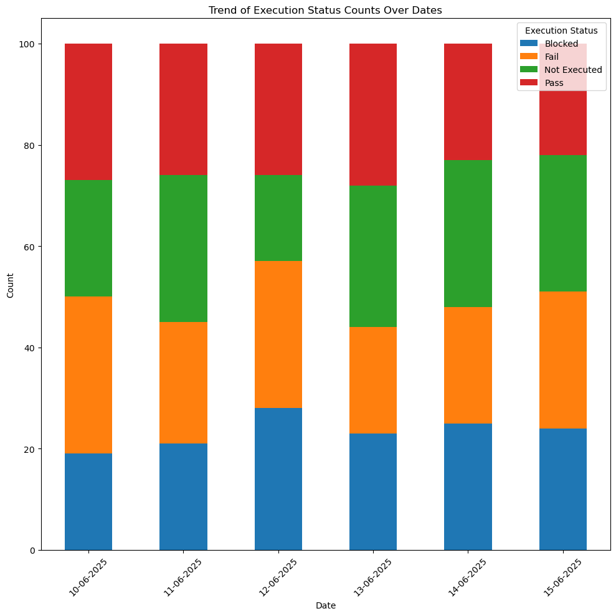
TC_041 | Cart has items | Change password | Navigate to Change page -> Enter required information -> Click on Continue button -> Verify the response message -> Check for expected results | Fail
TC_042 | Valid discount code available | Filter products | Navigate to Filter page -> Enter required information -> Click on Continue button -> Verify the response message -> Check for expected results | Not Executed
TC_043 | Valid discount code available | Password reset | Navigate to Password page -> Enter required information -> Click on Continue button -> Verify the response message -> Check for expected results | Not Executed
TC_044 | Admin privileges required | Change password | Navigate to Change page -> Enter required information -> Click on Continue button -> Verify the response message -> Check for expected results | Fail
TC_045 | Valid discount code available | Logout functionality | Navigate to Logout page -> Enter required information -> Click on Continue button -> Verify the response message -> Check for expected results | Not Executed
TC_046 | Product catalog is populated | Admin login | Navigate to Admin page -> Enter required information -> Click on Submit button -> Verify the response message -> Check for expected results | Not Executed
TC_047 | Cart has items | Admin login | Navigate to Admin page -> Enter required information -> Click on Submit button -> Verify the response message -> Check for expected results | Fail
TC_048 | User has pending orders | Session timeout | Navigate to Session page -> Enter required information -> Click on Continue button -> Verify the response message -> Check for expected results | Fail
TC_049 | User account exists | User registration | Navigate to User page -> Enter required information -> Click on Continue button -> Verify the response message -> Check for expected results | Blocked
TC_050 | User is logged out | Login functionality | Navigate to Login page -> Enter required information -> Click on Submit button -> Verify the response message -> Check for expected results | Not Executed
TC_051 | User has pending orders | Payment gateway integration | Navigate to Payment page -> Enter required information -> Click on Continue button -> Verify the response message -> Check for expected results | Pass
TC_052 | Cart has items | Change password | Navigate to Change page -> Enter required information -> Click on Continue button -> Verify the response message -> Check for expected results | Fail
TC_053 | Internet connection is active | Checkout process | Navigate to Checkout page -> Enter required information -> Click on Continue button -> Verify the response message -> Check for expected results | Blocked
TC_054 | User has completed orders | Order history view | Navigate to Order page -> Enter required information -> Click on Continue button -> Verify the response message -> Check for expected results | Fail
TC_055 | User has pending orders | Product upload (admin) | Navigate to Product page -> Enter required information -> Click on Continue button -> Verify the response message -> Check for expected results | Fail
TC_056 | Product catalog is populated | Add to cart functionality | Navigate to Add page -> Enter required information -> Click on Continue button -> Verify the response message -> Check for expected results | Pass
TC_057 | Admin privileges required | Search functionality | Navigate to Search page -> Enter required information -> Click on Continue button -> Verify the response message -> Check for expected results | Pass
TC_058 | User is logged out | Filter products | Navigate to Filter page -> Enter required information -> Click on Continue button -> Verify the response message -> Check for expected results | Fail
TC_059 | User has completed orders | Add to cart functionality | Navigate to Add page -> Enter required information -> Click on Continue button -> Verify the response message -> Check for expected results | Fail
TC_060 | Cart is empty | Inventory update | Navigate to Inventory page -> Enter required information -> Click on Continue button -> Verify the response message -> Check for expected results | Fail
TC_061 | Cart is empty | Product upload (admin) | Navigate to Product page -> Enter required information -> Click on Continue button -> Verify the response message -> Check for expected results | Blocked
TC_062 | User has completed orders | Add to cart functionality | Navigate to Add page -> Enter required information -> Click on Continue button -> Verify the response message -> Check for expected results | Fail
TC_063 | Valid discount code available | Add to cart functionality | Navigate to Add page -> Enter required information -> Click on Continue button -> Verify the response message -> Check for expected results | Pass
TC_064 | Product catalog is populated | Sort products | Navigate to Sort page -> Enter required information -> Click on Continue button -> Verify the response message -> Check for expected results | Pass
TC_065 | Product catalog is populated | Search functionality | Navigate to Search page -> Enter required information -> Click on Continue button -> Verify the response message -> Check for expected results | Not Executed
TC_066 | User has pending orders | Sort products | Navigate to Sort page -> Enter required information -> Click on Continue button -> Verify the response message -> Check for expected results | Blocked
TC_067 | User has completed orders | Session timeout | Navigate to Session page -> Enter required information -> Click on Continue button -> Verify the response message -> Check for expected results | Blocked
TC_068 | Valid discount code available | Order history view | Navigate to Order page -> Enter required information -> Click on Continue button -> Verify the response message -> Check for expected results | Not Executed
TC_069 | Admin privileges required | User registration | Navigate to User page -> Enter required information -> Click on Continue button -> Verify the response message -> Check for expected results | Fail
TC_070 | User is logged out | Login functionality | Navigate to Login page -> Enter required information -> Click on Submit button -> Verify the response message -> Check for expected results | Not Executed
TC_071 | User is logged out | Login functionality | Navigate to Login page -> Enter required information -> Click on Submit button -> Verify the response message -> Check for expected results | Not Executed
TC_072 | User has pending orders | Remove from cart | Navigate to Remove page -> Enter required information -> Click on Continue button -> Verify the response message -> Check for expected results | Not Executed
TC_073 | Cart has items | Logout functionality | Navigate to Logout page -> Enter required information -> Click on Continue button -> Verify the response message -> Check for expected results | Blocked
TC_074 | User has pending orders | Filter products | Navigate to Filter page -> Enter required information -> Click on Continue button -> Verify the response message -> Check for expected results | Blocked
TC_075 | User account exists | Remove from cart | Navigate to Remove page -> Enter required information -> Click on Continue button -> Verify the response message -> Check for expected results | Pass
TC_076 | User has pending orders | Session timeout | Navigate to Session page -> Enter required information -> Click on Continue button -> Verify the response message -> Check for expected results | Blocked
TC_077 | Internet connection is active | Add to cart functionality | Navigate to Add page -> Enter required information -> Click on Continue button -> Verify the response message -> Check for expected results | Blocked
TC_078 | Internet connection is active | Product upload (admin) | Navigate to Product page -> Enter required information -> Click on Continue button -> Verify the response message -> Check for expected results | Not Executed
TC_079 | Cart is empty | User registration | Navigate to User page -> Enter required information -> Click on Continue button -> Verify the response message -> Check for expected results | Fail
TC_080 | Cart has items | Order history view | Navigate to Order page -> Enter required information -> Click on Continue button -> Verify the response message -> Check for expected results | Not Executed
TC_081 | Cart has items | Login functionality | Navigate to Login page -> Enter required information -> Click on Submit button -> Verify the response message -> Check for expected results | Fail
TC_082 | Internet connection is active | Login functionality | Navigate to Login page -> Enter required information -> Click on Submit button -> Verify the response message -> Check for expected results | Not Executed
TC_083 | Valid discount code available | Inventory update | Navigate to Inventory page -> Enter required information -> Click on Continue button -> Verify the response message -> Check for expected results | Fail
TC_084 | Product catalog is populated | Product upload (admin) | Navigate to Product page -> Enter required information -> Click on Continue button -> Verify the response message -> Check for expected results | Pass
TC_085 | Admin privileges required | Admin login | Navigate to Admin page -> Enter required information -> Click on Submit button -> Verify the response message -> Check for expected results | Not Executed
TC_086 | User account exists | Add to cart functionality | Navigate to Add page -> Enter required information -> Click on Continue button -> Verify the response message -> Check for expected results | Not Executed
TC_087 | Internet connection is active | Remove from cart | Navigate to Remove page -> Enter required information -> Click on Continue button -> Verify the response message -> Check for expected results | Fail
TC_088 | User has completed orders | Payment gateway integration | Navigate to Payment page -> Enter required information -> Click on Continue button -> Verify the response message -> Check for expected results | Not Executed
TC_089 | User account exists | Change password | Navigate to Change page -> Enter required information -> Click on Continue button -> Verify the response message -> Check for expected results | Fail
TC_090 | Product catalog is populated | Remove from cart | Navigate to Remove page -> Enter required information -> Click on Continue button -> Verify the response message -> Check for expected results | Fail
TC_091 | User has pending orders | Email notification on order | Navigate to Email page -> Enter required information -> Click on Continue button -> Verify the response message -> Check for expected results | Blocked
TC_092 | User is logged out | Remove from cart | Navigate to Remove page -> Enter required information -> Click on Continue button -> Verify the response message -> Check for expected results | Blocked
TC_093 | User is logged out | Sort products | Navigate to Sort page -> Enter required information -> Click on Continue button -> Verify the response message -> Check for expected results | Fail
TC_094 | Cart is empty | Change password | Navigate to Change page -> Enter required information -> Click on Continue button -> Verify the response message -> Check for expected results | Fail
TC_095 | User account exists | Discount code application | Navigate to Discount page -> Enter required information -> Click on Continue button -> Verify the response message -> Check for expected results | Pass
TC_096 | Cart has items | Search functionality | Navigate to Search page -> Enter required information -> Click on Continue button -> Verify the response message -> Check for expected results | Pass
TC_097 | Valid discount code available | Change password | Navigate to Change page -> Enter required information -> Click on Continue button -> Verify the response message -> Check for expected results | Pass
TC_098 | Admin privileges required | Sort products | Navigate to Sort page -> Enter required information -> Click on Continue button -> Verify the response message -> Check for expected results | Fail
TC_099 | Product catalog is populated | Session timeout | Navigate to Session page -> Enter required information -> Click on Continue button -> Verify the response message -> Check for expected results | Not Executed
TC_100 | User has pending orders | Order history view | Navigate to Order page -> Enter required information -> Click on Continue button -> Verify the response message -> Check for expected results | Pass

