Query
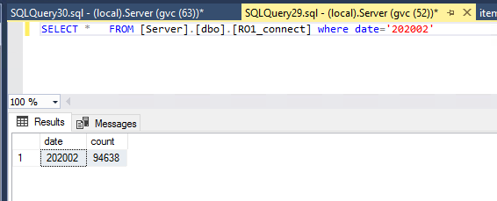
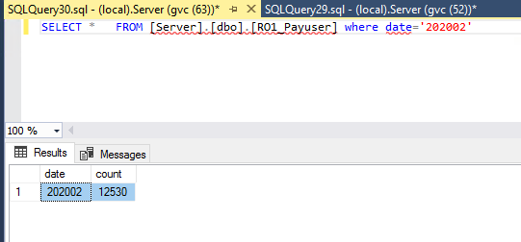
SELECT * FROM [Server].[dbo].[RO1_connect] where date='202002'

