NGF
n | 0 | 1 | 2 | 3 | 4 | 5 | 6
x | 1 | 1.3 | 1.6 | 1.9 | 2.2 | 2.5 | 2.8
f(x) | 2.7182818285 | 3.6692966676 | 4.9530324244 | 6.6858944423 | 9.0250134994 | 12.182493961 | 16.444646771
Δf(x) | 0.611 | 0.585 | 0.571 | 0.563 | 0.559 | 0.56
Δ2f(x) | -0.026 | -0.014 | -0.008 | -0.004 | 0.001
Δ3f(x) | 0.012 | 0.006 | 0.004 | 0.005
Δ4f(x) | -0.006 | -0.002 | 0.001
Δ5f(x) | 0.004 | 0.003
Δ6f(x) | -0.001

xs = | 1.03 | 1.4 | 1.7 | 2 | 2.4 | 2.7 | 4
s = | 0.017459301206 | 0.042206618262 | 0.029823749771 | 0.020894735813 | 0.029303971343 | 0.020655835244 | 0.08794657862

n! |  |  | k | s-k
0 | 1 |  | 0 | 0.017459301206
1 | 1 |  | 1 | -0.98254069879
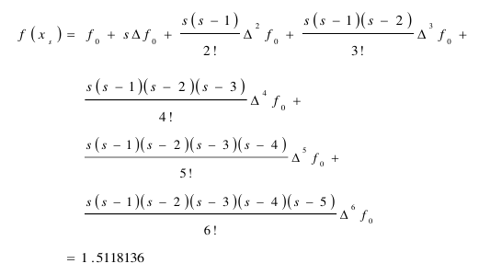
2 | 2 |  | 2 | -1.9825406988
3 | 6 |  | 3 | -2.9825406988
4 | 24 |  | 4 | -3.9825406988
5 | 120 |  | 5 | -4.9825406988
6 | 720

 |  |  |  | s(s-k)
f(xs) = | 1.3116381316 |  | s | 0.017459301206
 |  |  | s(s-1) | -0.017154474007
 |  |  |  | 0.034009442886
 |  |  |  | -0.10143454755
 |  |  |  | 0.40396721389
 |  |  |  | -2.0127830842

 |  |  |  | f0 | 2.7182818285
 |  |  |  |  | 0.010667633037
 |  |  |  |  | 0.00044601632419
 |  |  |  |  | 0.00020405665732
 |  |  |  |  | 0.00010143454755
 |  |  |  |  | 6.7327868981E-05
 |  |  |  |  | 1.6773192368E-05
 |  |  |  | f(xs) | 2.7297850701

NGB
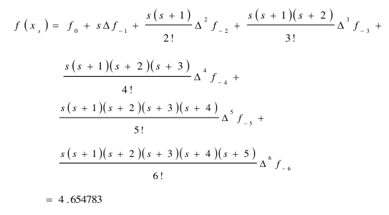
n | x | f(x) | Δf(x) | Δ2f(x) | Δ3f(x) | Δ4f(x) | Δ5f(x) | Δ6f(x)
-6 | 1 | 1.449
-5 | 1.3 | 2.06 | 0.611
-4 | 1.6 | 2.645 | 0.585 | -0.026
-3 | 1.9 | 3.216 | 0.571 | -0.014 | 0.012
-2 | 2.2 | 3.779 | 0.563 | -0.008 | 0.006 | -0.006
-1 | 2.5 | 4.338 | 0.559 | -0.004 | 0.004 | -0.002 | 0.004
0 | 2.8 | 4.898 | 0.56 | 0.001 | 0.005 | 0.001 | 0.003 | -0.001

