intro
Context

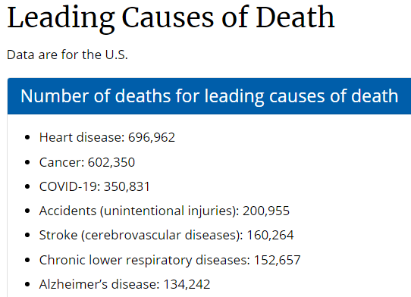
Why care about strokes?
Strokes were the 5th leading cause of death in the U.S. in 2020,
according to the CDC
About the data
Kaggle dataset from fedesoriano, downloaded over 59,000 times
(official acknowledgements remain confidential)
https://www.kaggle.com/fedesoriano/stroke-prediction-dataset

https://www.cdc.gov/nchs/fastats/leading-causes-of-death.htm
 | 5110 | patient registers
Dimensions | 10 | features
 | 1 | target (suffered stroke or not)

na
Cleaning Data

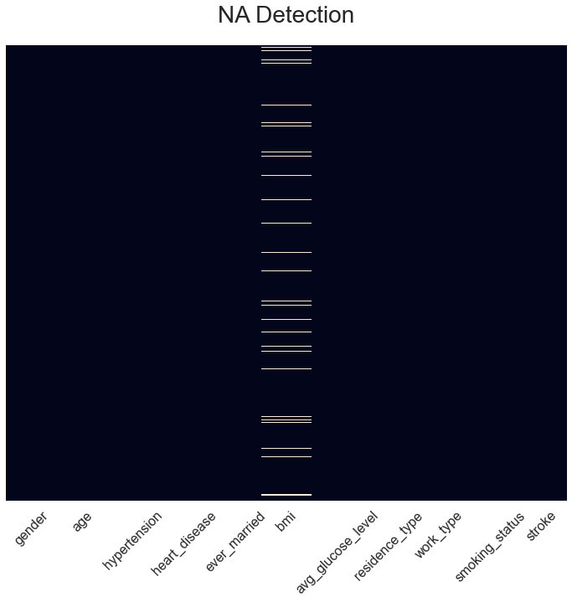
Detecting NA values
A first inspection revealed NA values in the bmi variable

Dropping the registers
Since we only found 201 NA values (3.93% of the original dataset),
we decided to drop said registers rather than losing a whole feature

 | 4909 | patient registers
New Dimensions | 10 | features
 | 1 | target (suffered stroke or not)

drop
Cleaning Data

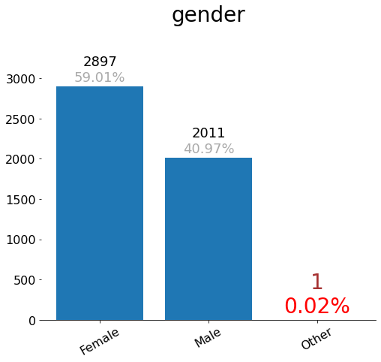
Detecting low count values
Low frequency categories might add unwanted noise. We will remove categories
whose proportion drops below a threshold of 2.5% of the whole dataset
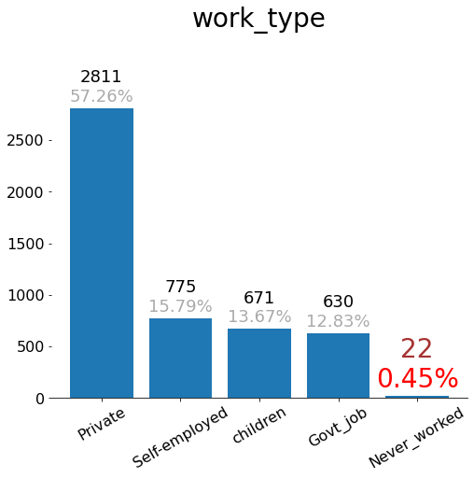
Dropping the registers
We only found 23 misrepresented values (0.47% of the
non-NA dataset), and decided to drop said registers

 | 4886 | patient registers
New Dimensions | 10 | features
 | 1 | target (suffered stroke or not)

low_strokes
Cleaning Data

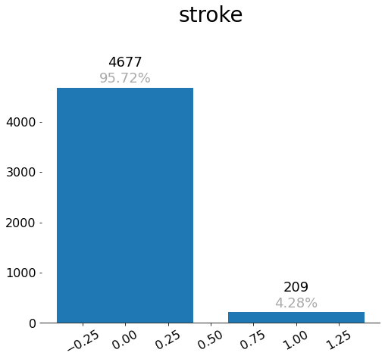
Unbalanced target variable
The stroke variable has too many 0 values (4677 i.e. 95.72%)
and very few 1 values (209 i.e. 4.28%)

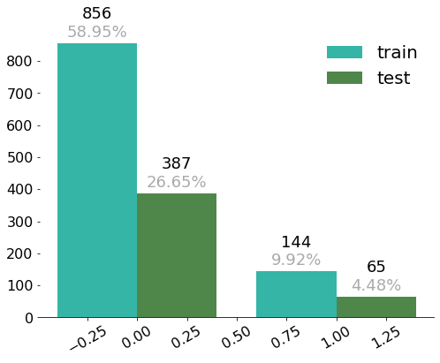
Selecting a sample
To balance the dataset, we will sample without replacement to have
an 85% - 15% proportion of 0 - 1 values, retaining 1452 registers (29.72%)

 | 1452 | patient registers
New Dimensions | 10 | features
 | 1 | target (suffered stroke or not)

exploration_1
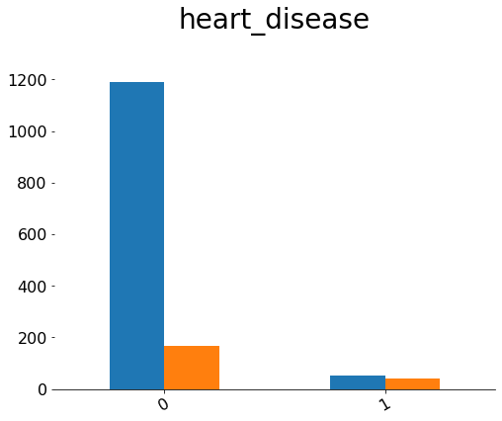
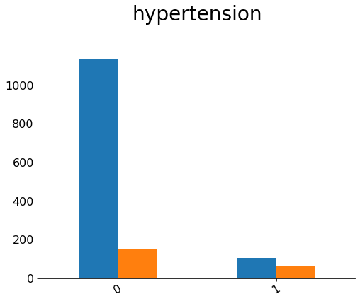
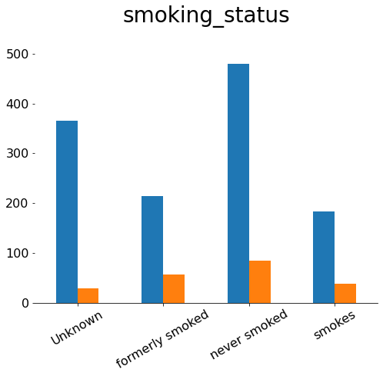
Exploration - Discrete Variables (Health Related)

heart_disease | Considerably less strokes for people without heart diseases
hypertension | Considerably less strokes for people without hypertension
smoking_status | Relatively similar proportions

exploration_2
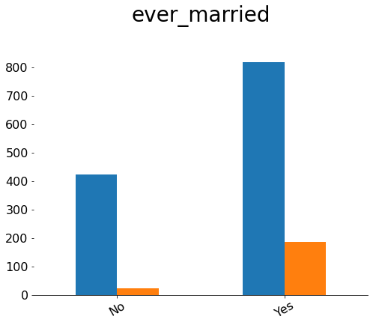
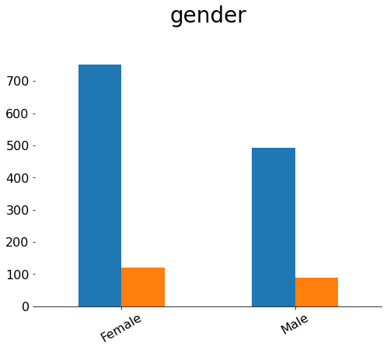
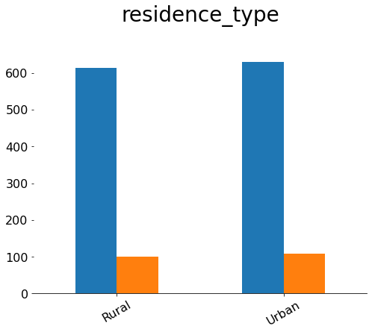
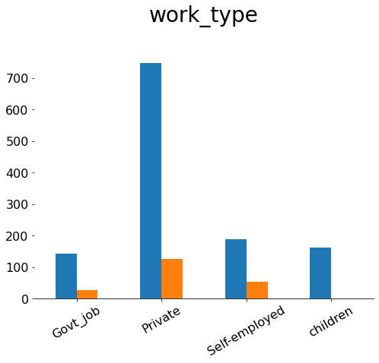
Exploration - Discrete Variables (Demographical)

ever_married | Considerably higher proportion of strokes for people who were ever married
gender | Seemingly less strokes on females, though perhaphs not considerable
residence_type | Very similar distributions
work_type | Children have 0 strokes; other work types have similar proportions

exploration_3
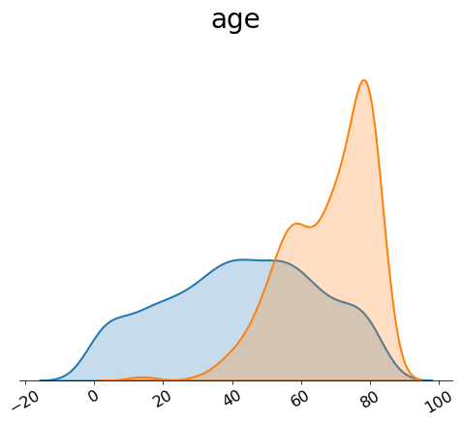
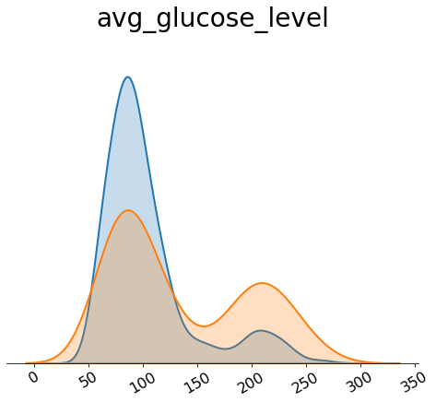
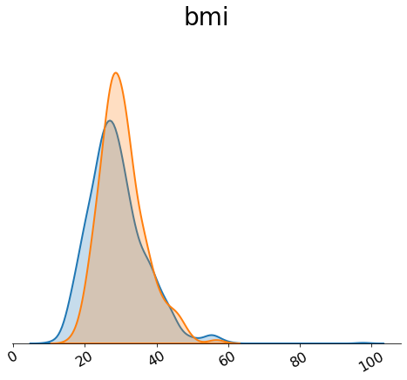
Exploration - Continuous Variables

age | Considerably more right biased for people who have suffered strokes
avg_glucose_level | Bimodal; strokes are more prevalent in higher levels
bmi | Very similar distributions

exploration_4
Exploration - Correlations

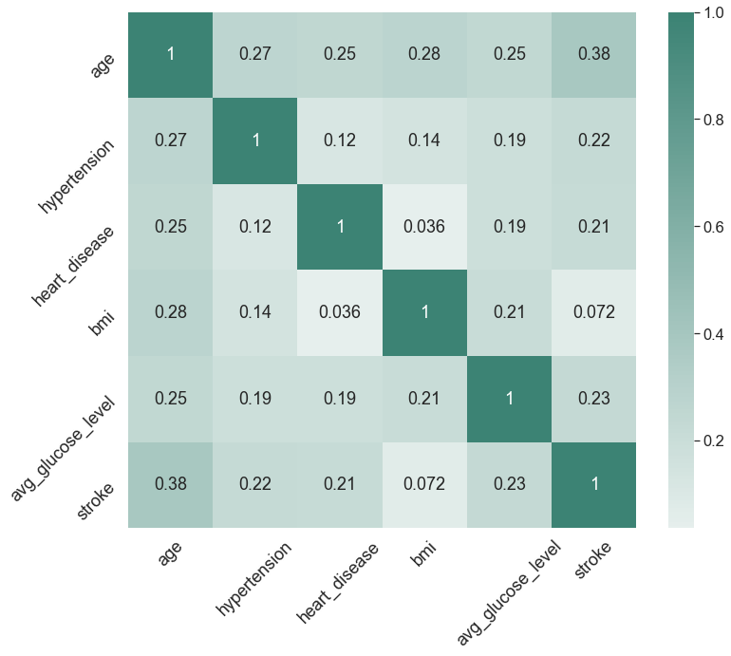
All positive
All numerical features show positive correlation vs strokes

Discrete variables
Having hypertension or a heart disease correlates positively
with having strokes

Continuous variables
Being older and having high bmi & glucose levels correlates
positively with having strokes

model_1
Model - Training

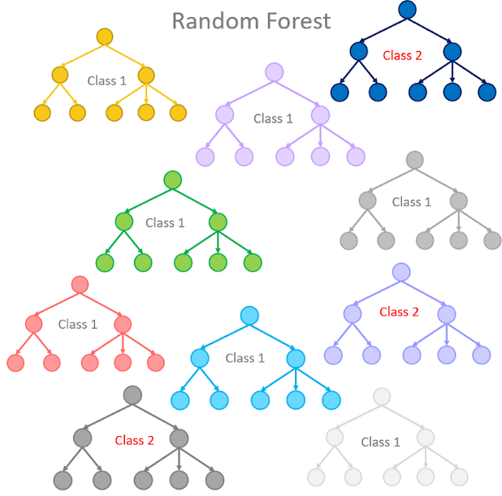
Variable selection
Given the low dimensionality (10 features), we will use each one of them

Model selection
A Random Forest will be used given it is a well known, tried-and-true model

Feature engineering
One-Hot Encoding will be used to allow scikit-learn to work with factors

https://towardsdatascience.com/from-a-single-decision-tree-to-a-random-forest-b9523be65147
Train - Test scores
An accuracy of 100% was acheived for the train set and 85.39% for the test set

model_2
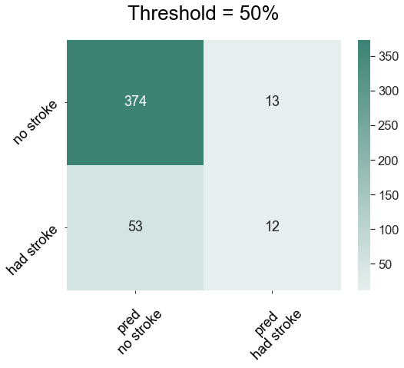
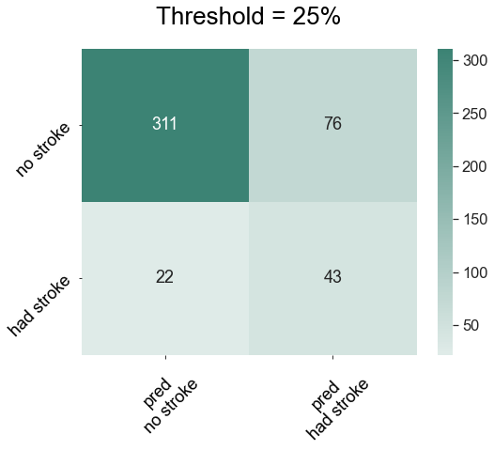
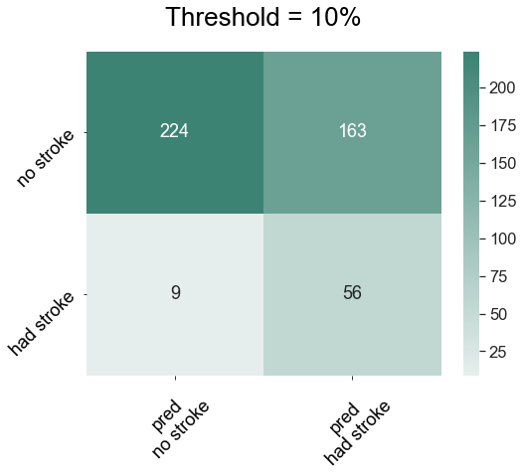
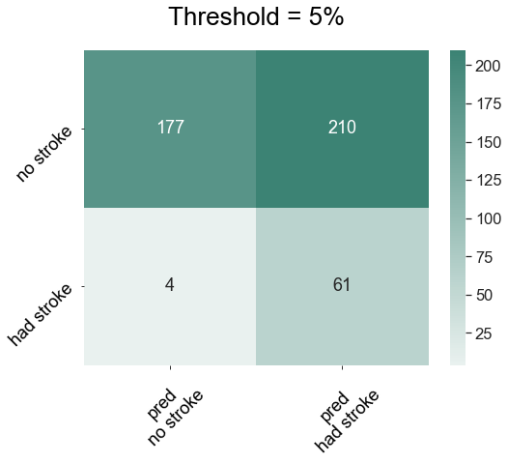
Model - Results

What is the most important metric?
In our case, we would like to maximize the True Positive Rate, that is to correctly predict a stroke if the
person is indeed susceptible to having one
Can we compromise false positives?
Based on these results, a (big maybe) sensible decision would be to set a 10% threshold, in order to minimize
false negatives (16.07% FNR), at the cost of increasing false positives (42.11% FPR)

model_3
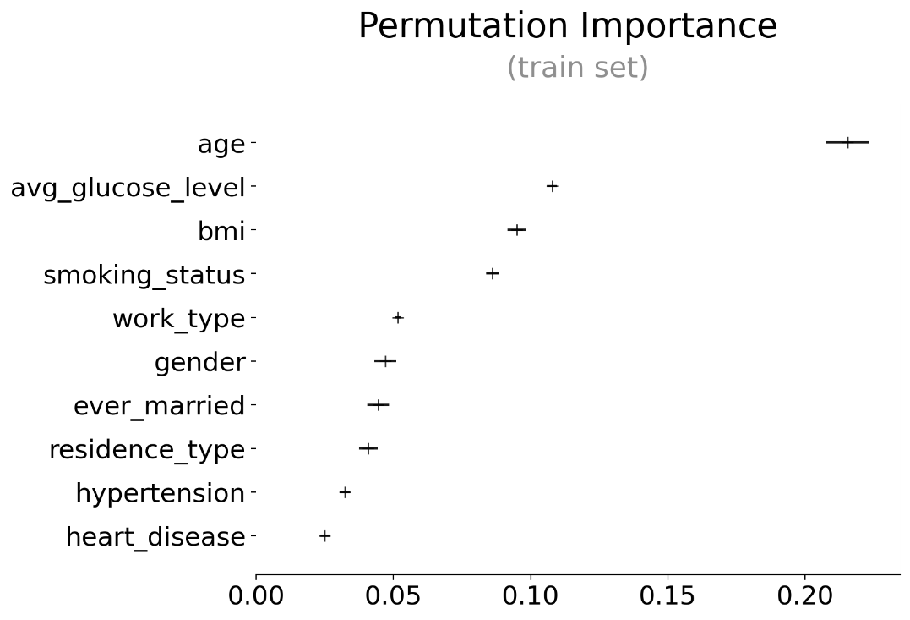
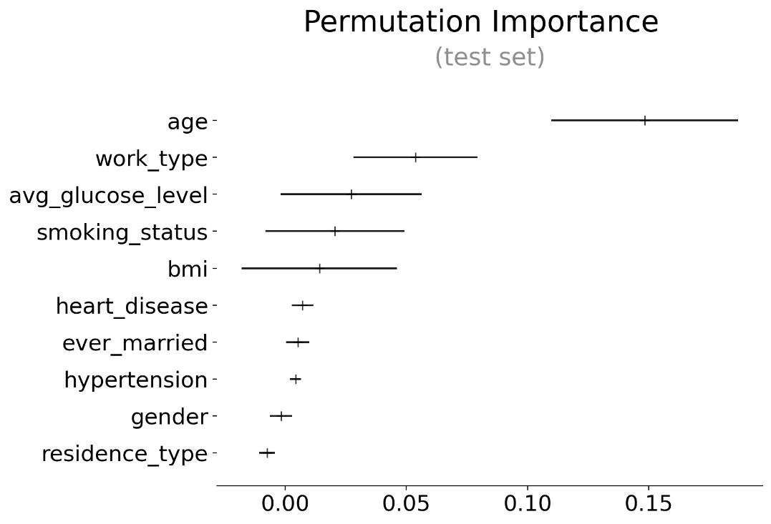
Model - Permutation Importance

How important is each feature to predict strokes?
Both on train and test sets, the most important variable was age
Less important ones are work_type, bmi, avg_glucose_level & smoking_status
The least relevant features are gender, ever_married, residence_type, hypertension & heart_disease

annex
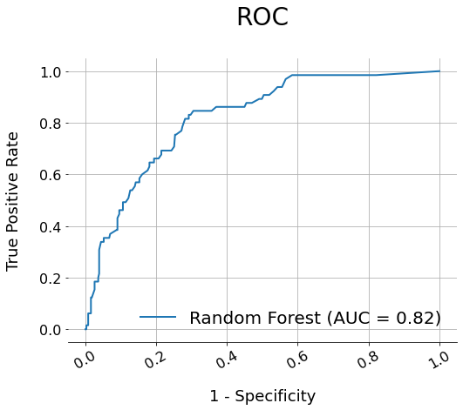
Annex

ROC for Random Forest

