Holidays
from: https://www.timeanddate.com/holidays/russia/2015

2016: Currently Muslim holidays are declared paid days off in such regions as Crimea, Bashkortostan, Adygeya, Dagestan, Ingushetia, Chechnya and Kabardino-Balkariya.
2019: Muslim holidays are officially non-working day in the republics of Adygea, Bashkortostan, Dagestan, Ingushetia, Kabardino-Balkaria, Karachay-Cherkessia, Tatarstan, Chechnya and Crimea.
Russian Holidays 2015: |  | "1/1,1/2,1/3,1/4,1/5,1/6,1/7,1/8,1/9,2/23,3/8,3/9,5/1,5/2,5/3,5/4,5/9,5/10,5/11,6/12,11/4" |  | Includes actual holiday, and, if it falls on or surrounding a weekend, also includes any adjusted observance day and included weekend days
Muslim Regions additionally celebrate: |  |  | "7/18,9/24"
2020-01-01 | Thursday | New Year's Day | National holiday |  |  |  |  |  | 2010 News Report:
2020-01-02 | Friday | New Year Holiday | National holiday |  |  |  |  |  | Tatarstan's parliament on September 23 approved a bill to mark the adoption of Islam by the Volga Bulgars, the ancestors of the present-day Tatars, in 922.
2020-01-03 | Saturday | The Prophet's Birthday | Muslim |  |  |  |  |  | The new holiday will be on May 21 each year.
2020-01-03 | Saturday | New Year Holiday | National holiday |  |  |  |  |  | In addition, parliament approved another annual holiday marking the end of the Muslim fasting month of Ramadan.
2020-01-04 | Sunday | New Year Holiday | National holiday |  |  |  |  |  | Since Ramadan is based on the lunar calendar, the holiday will "float" and be marked on a different day each year.
2020-01-05 | Monday | New Year Holiday | National holiday |  |  |  |  |  | Previously, only Kurban Bayram (Eid al-Adha), or the annual Muslim festival of sacrifice, is a state holiday in Tatarstan, a predominantly Muslim republic.
2020-01-06 | Tuesday | New Year Holiday | National holiday
2020-01-07 | Wednesday | Orthodox Christmas Day | National holiday, Orthodox | This is when Russia celebrates Christmas (Gregorian Calendar version of Dec 25)
2020-01-08 | Thursday | New Year Holiday | National holiday
2020-01-09 | Friday | New Year Holiday | National holiday |  |  |  |  |  | Region | shop_id | City | Eid-al-Fitr and Eid-al-Adha, and extra days:
2020-01-14 | Wednesday | Old New Year | Observance |  |  |  |  |  | Adygeya | 2 | Adygeya | 2020-04-25
 |  |  |  |  |  |  |  |  | Bashkortostan | 52 | Ufa | 2020-10-11
2020-02-14 | Saturday | Valentine's Day | Observance |  |  |  |  |  | Bashkortostan | 53 | Ufa | 2020-10-11
2020-02-23 | Monday | Defender of the Fatherland Day | National holiday |  |  |  |  |  | Tatarstan | 13 | Kazan | May 21, Aug 30, Nov 6
2020-02-27 | Friday | Special Operations Forces Day | Observance |  |  |  |  |  | Tatarstan | 14 | Kazan | May 21, Aug 30, Nov 6

2020-03-08 | Sunday | International Women's Day | National holiday
2020-03-09 | Monday | Day off for International Women's Day | National holiday |  |  |  |  |  | Volgograd: | First or second Sunday of September
2020-03-21 | Saturday | March Equinox | Season |  |  |  |  |  | Volgograd: | Radonitsa 4/28 or so(?)

2020-04-12 | Sunday | Orthodox Easter Day | Observance, Orthodox | Radonitsa: Mon Apr 27 or Tues Apr 28 (holiday in Volgograd)
 |  |  |  |  | 2nd Monday or Tuesday after Easter
2020-05-01 | Friday | Spring and Labor Day | National holiday
2020-05-04 | Monday | Public Holiday | National holiday |  |  |  |  |  | Volga has high concentration of Muslim followers
2020-05-09 | Saturday | Victory Day | National holiday |  |  |  |  |  | South has high concentration also
2020-05-11 | Monday | Day off for Victory Day | National holiday
2020-05-16 | Saturday | Isra and Mi'raj | Muslim |  |  |  |  |  | North Caucasus, Crimea, Chechnya also high concentration, but not included in shop list

2020-06-12 | Friday | Russia Day | National holiday
2020-06-18 | Thursday | Ramadan starts | Muslim
2020-06-21 | Sunday | June Solstice | Season

2020-07-13 | Monday | Lailat al-Qadr | Muslim
2020-07-18 | Saturday | Eid al-Fitr | Muslim | Holiday in Muslim regions (end of Ramadan)

2020-09-01 | Tuesday | Day of Knowledge | Observance
2020-09-23 | Wednesday | September Equinox | Season
2020-09-24 | Thursday | Eid al-Adha | Muslim | Holiday in Muslim regions

2020-10-15 | Thursday | Muharram | Muslim

2020-11-04 | Wednesday | Unity Day | National holiday

2020-12-22 | Tuesday | December Solstice | Season
2020-12-24 | Thursday | The Prophet's Birthday | Muslim

2014

Russian Holidays 2014: |  | "1/1,1/2,1/3,1/4,1/5,1/6,1/7,1/8,2/22,2/23,3/8,3/9,3/10,5/1,5/2,5/3,5/4,5/9,5/10,5/11,6/12,6/13,6/14,6/15,11/1,11/2,11/3,11/4"
Muslim Regions additionally celebrate: |  |  | "7/29,10/4"
Date |  | Name | Type
2020-01-01 | Wednesday | New Year's Day | National holiday
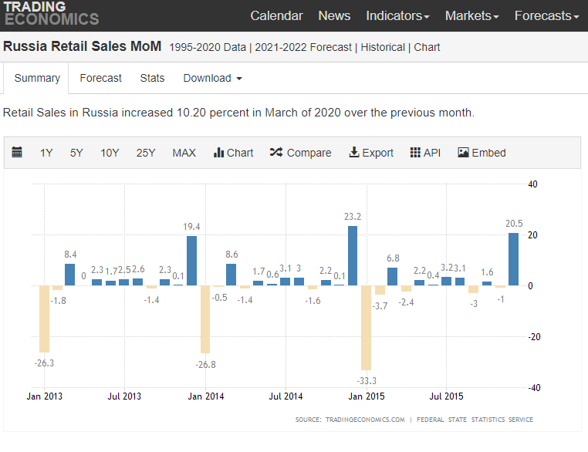
2020-01-02 | Thursday | New Year Holiday | National holiday
2020-01-03 | Friday | New Year Holiday | National holiday
2020-01-04 | Saturday | Working day | Working day (replacement)
2020-01-05 | Sunday | Working day | Working day (replacement)
2020-01-06 | Monday | New Year Holiday | National holiday
2020-01-07 | Tuesday | Orthodox Christmas Day | National holiday, Orthodox
2020-01-08 | Wednesday | New Year Holiday | National holiday
2020-01-14 | Tuesday | The Prophet's Birthday | Muslim
2020-01-14 | Tuesday | Old New Year | Observance

2020-02-14 | Friday | Valentine's Day | Observance
2020-02-22 | Saturday | Defender of the Fatherland Day holiday | National holiday
2020-02-23 | Sunday | Defender of the Fatherland Day | National holiday

2020-03-08 | Saturday | International Women's Day | National holiday
2020-03-09 | Sunday | International Womens' Day holiday | National holiday
2020-03-10 | Monday | Day off for International Women's Day | National holiday
2020-03-20 | Thursday | March Equinox | Season

2020-04-20 | Sunday | Orthodox Easter Day | Observance, Orthodox | Radonitsa: 4/25 or 4/26

2020-05-01 | Thursday | Spring and Labor Day | National holiday
2020-05-02 | Friday | Spring and Labor Day Holiday | National holiday
2020-05-03 | Saturday | Spring and Labor Day Holiday | National holiday
2020-05-04 | Sunday | Special working day | National holiday
2020-05-09 | Friday | Victory Day | National holiday
2020-05-10 | Saturday | Victory Day Holiday | National holiday
2020-05-11 | Sunday | Victory Day Holiday 2 | National holiday
2020-05-27 | Tuesday | Isra and Mi'raj | Muslim

2020-06-07 | Saturday | Special working day | Working day (replacement)
2020-06-12 | Thursday | Russia Day | National holiday
2020-06-13 | Friday | Russia Day Weekend | National holiday
2020-06-14 | Saturday | Russia Day Weekend | National holiday
2020-06-15 | Sunday | Russia Day Weekend | National holiday
2020-06-21 | Saturday | June Solstice | Season
2020-06-29 | Sunday | Ramadan starts | Muslim
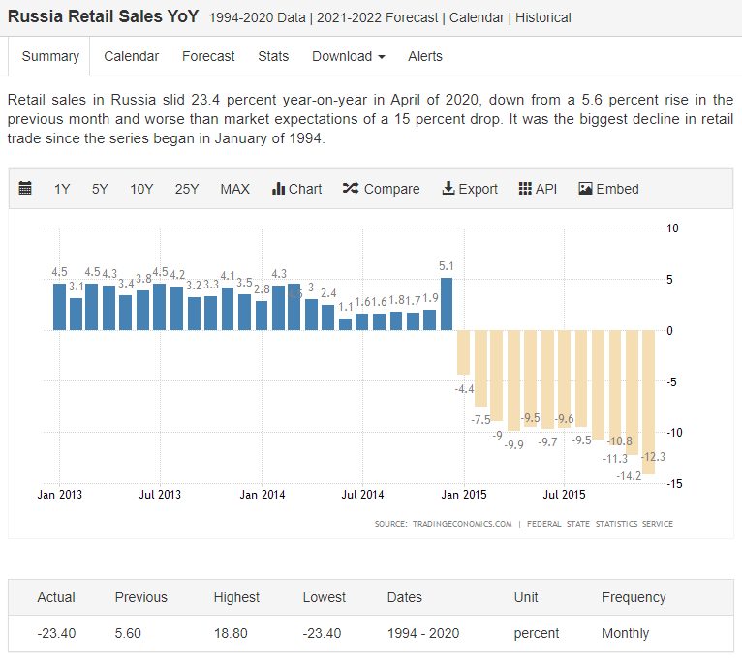
2020-07-24 | Thursday | Lailat al-Qadr | Muslim
2020-07-29 | Tuesday | Eid al-Fitr | Muslim

2020-09-01 | Monday | Day of Knowledge | Observance
2020-09-23 | Tuesday | September Equinox | Season

2020-10-04 | Saturday | Eid al-Adha | Muslim
2020-10-25 | Saturday | Muharram | Muslim

2020-11-01 | Saturday | Public holiday | National holiday
2020-11-02 | Sunday | Public holiday | National holiday
2020-11-03 | Monday | Public Holiday | National holiday
2020-11-04 | Tuesday | Unity Day | National holiday

2020-12-22 | Monday | December Solstice | Season

year 2013

Russian Holidays 2013: |  | "1/1,1/2,1/3,1/4,1/5,1/6,1/7,1/8,2/23,3/8,5/1,5/2,5/3,5/4,5/9,5/10,6/12,11/4" |  |  | 2013 | jan | 6 | 6
Muslim Regions additionally celebrate: |  |  | "8/8,10/15" |  |  | feb | 1 | 2
Date |  | Name | Type |  |  | mar | 1 | 3
2020-01-01 | Tuesday | New Year's Day | National holiday |  |  | apr | 0
2020-01-02 | Wednesday | New Year Holiday | National holiday |  |  | may | 6
2020-01-03 | Thursday | New Year Holiday | National holiday |  |  | june | 1
2020-01-04 | Friday | New Year Holiday | National holiday |  |  | july | 0
2020-01-07 | Monday | Orthodox Christmas Day | National holiday, Orthodox |  |  | aug | 0
2020-01-08 | Tuesday | New Year Holiday | National holiday |  |  | sept | 0
2020-01-14 | Monday | Old New Year | Observance |  |  | oct | 0
2020-01-24 | Thursday | The Prophet's Birthday | Muslim |  |  | nov | 1
 |  |  |  |  |  | dec | 0
2020-02-14 | Thursday | Valentine's Day | Observance
2020-02-23 | Saturday | Defender of the Fatherland Day | National holiday

2020-03-08 | Friday | International Women's Day | National holiday
2020-03-20 | Wednesday | March Equinox | Season

2020-05-01 | Wednesday | Spring and Labor Day | National holiday
2020-05-02 | Thursday | Spring and Labor Day Holiday | National holiday
2020-05-03 | Friday | Spring and Labor Day Holiday | National holiday
2020-05-05 | Sunday | Orthodox Easter Day | Observance, Orthodox | Radonitsa: 5/20 or 5/21
2020-05-09 | Thursday | Victory Day | National holiday
2020-05-10 | Friday | Defender of the Fatherland Day holiday | National holiday
2020-05-10 | Friday | Victory Day Holiday | National holiday

2020-06-06 | Thursday | Isra and Mi'raj | Muslim
2020-06-12 | Wednesday | Russia Day | National holiday
2020-06-21 | Friday | June Solstice | Season

2020-07-09 | Tuesday | Ramadan starts | Muslim

2020-08-03 | Saturday | Lailat al-Qadr | Muslim
2020-08-08 | Thursday | Eid al-Fitr | Muslim

2020-09-01 | Sunday | Day of Knowledge | Observance
2020-09-23 | Monday | September Equinox | Season

2020-10-15 | Tuesday | Eid al-Adha | Muslim

2020-11-04 | Monday | Unity Day | National holiday
2020-11-05 | Tuesday | Muharram | Muslim

2020-12-21 | Saturday | December Solstice | Season
2020-12-30 | Monday | New Year Holiday Week | Observance
2020-12-31 | Tuesday | New Year Holiday Week | Observance

