Turbine info
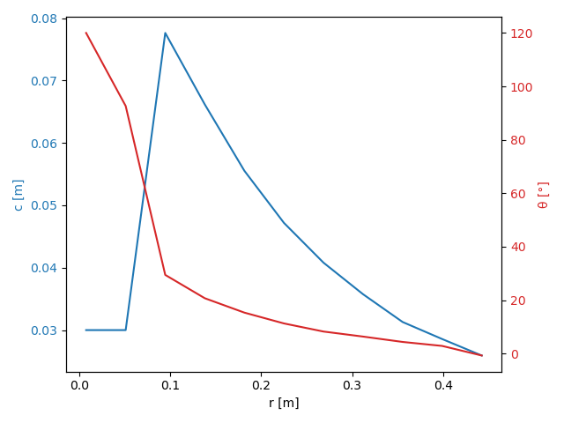
Turbine name | Karlsen NTNU Wind Turbine
Tip radius | 0.45 | m
Hub radius | 0.006 | m
Number of blades | 3
Fluid density | 1.225 | kg/m3
Kinematic viscosity | 0.000014207 | m2/s

r [m] | c [m] | theta [m] | profil [m]
0.0075 | 0.03 | 120 | Circle
0.051 | 0.03 | 92.66666667 | Circle
0.0945 | 0.07763148 | 29.450212 | s826
0.138 | 0.06616875 | 20.720573 | s826
0.1815 | 0.05554185 | 15.33749 | s826
0.225 | 0.04718906 | 11.29086 | s826
0.2685 | 0.04081029 | 8.2562373 | s826
0.312 | 0.03574962 | 6.3710879 | s826
0.3555 | 0.03129822 | 4.366385 | s826
0.399 | 0.02856646 | 2.8708533 | s826
0.4425 | 0.02592566 | -0.7167448 | s826

