Summary
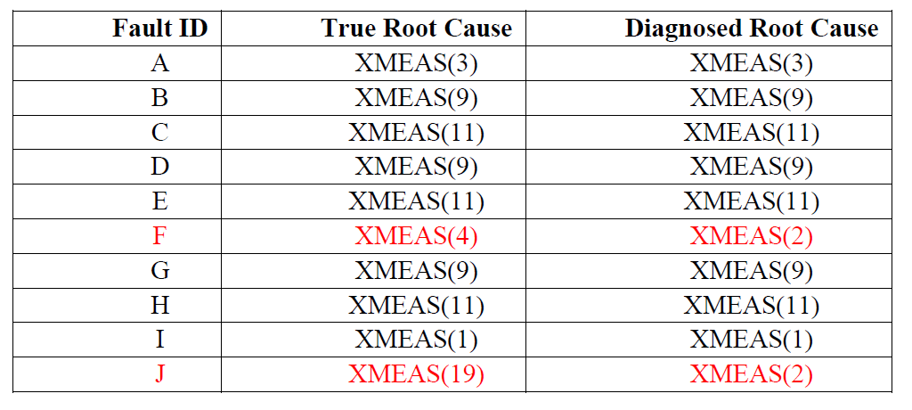
Fault | Maximun Noise level | Accurate Prediction
A | E-2 | Yes
B | E-7 | Yes
C | E-3 | Yes
D | E-7 | Yes
E | E-3 | Yes
F |  | No
G | E-8 | Yes
H | E-6 | Yes
I | E-8 | Yes
J |  | No

