Dashboard 1
New stores from 2015 to 2020 by region
 | Italy | Americas | EMEA | Asia and ROTW
 | 19 | 19 | 53 | 82
 | 19 | 35 | 61 | 104
Fashion Industry - Key Statistics (USD, Billions)
Luxury goods market | 339
Menswear market | 402
Womenswear market | 621
Bridal Wear market | 57
Childrenswear market | 186
Sports footwear market | 90

FASHION & SOIL DEGRADATION
Mongolia's surface is facing the threat of desertification, principally due to the breeding of cashmere goats | 90%
Overgazing and deforestation | 93%
Decrease in food prodcution | 30%
2021 Q1 Revenue Distribution
 | Distribution
Moncler | 91%
Stone Island | 9%

FASHION INDUSTRY’S GHG EMISSIONS
 | 100%
 | 1 | 4%
 | 0 | 6%
 |  | 8%
 |  | 15%
 |  | 20%
 |  | 3%
 |  | 38%
 |  | 3%
 |  | 3%
Level of sustainability - 2021
 | 0% | 0% | 0%
 | 33% | 67% | 50%
 | 100% | 100% | 80%

Dashboard 2
Analyst Coverage - Moncler 2021
Buy | 54%
Hold | 42%
Sell | 4%

Moncler VS Canada Goose - Gender diversity at workplace
 | Employees | Females in managerial positions
Moncler | 4,561 | 56%
Canada Goose | 3,590 | 37%

Revenue by Distribution Channel
Retail | $1,089,496.00
Wholesale | $350,913.00

Data, Appenidx and Bibliography
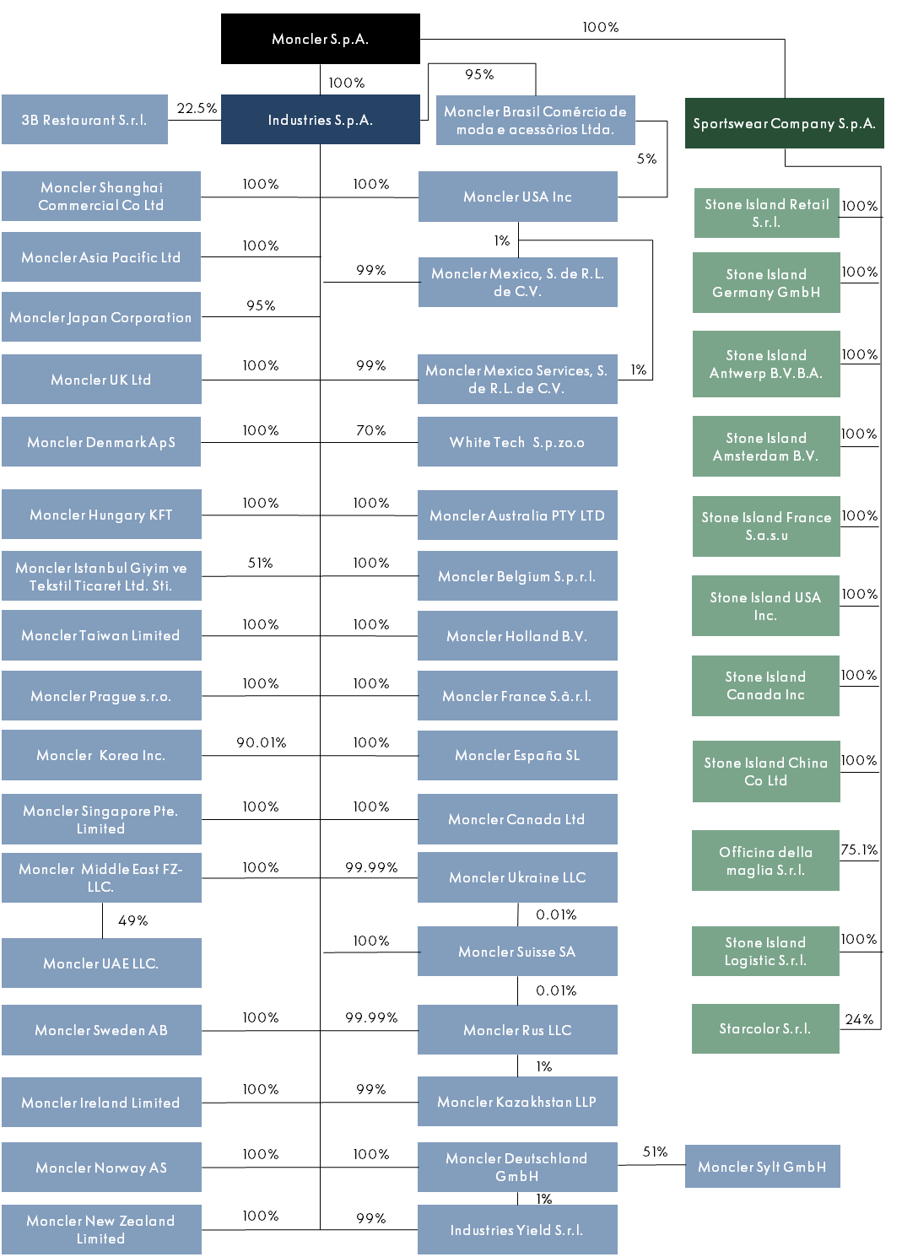

0% | 33% | 100% | Down tracing and certification according to the DIST
0% | 67% | 100% | Sustainable packaging for end-consumers
0% | 50% | 80% | Renewable and global energy sources.
0% | 12% | 30% | Moncler Genius 2021 outerwear is produced from sustainable fabrics

 | Region | 2015 | 2020
 | Italy | 19 | 19
 | Americas | 19 | 35
 | EMEA | 53 | 61
 | Asia and ROTW | 82 | 104

 | Recycling Down Integrity System & Traceability (DIST) certified material scraps, including nylon | USD | 2020
 | All outerwear manufacturers are audited for their social and ethical impacts | Distribution | 54913
 | Working with UNICEF to protect 50,000 children from the cold over the last four years | Infrastructure | 35456
 |  | Net Capex | 90369
 |  | % on Revenue | 6.30%

 |  | Geographic | Revenue
 |  | Asia | $467,928.00
 |  | EMEA | $379,069.00
 |  | Americas | $173,885.00
 |  | Total | $1,020,882.00

 |  | Buy | 54%
 |  | Hold | 42%
 |  | Sell | 4%

 |  |  | Moncler | Burberry Group | Hennes & Mauritz | Canada Goose
 |  | Description | Manufacturer of clothes and accessories intended to keep people warm. | Manufacturer of luxury clothing and non-apparel accessories for men, women and children. | Retailer of clothing for men, women, teenagers and children. | Manufacturer of specialized winter apparel designed to withstand arctic weather. | Emissions abatement due to other levers | Emissions abatement due to energy related levers
 |  | Primary Industry | Clothing | Accessories | Clothing | Clothing | 37% | 63% |  |  |  | 45 | Energy efficiency
 |  | HQ Location | Milan, Italy | London, United Kingdom | Stockholm, Sweden | Toronto, Canada |  |  |  |  |  | 39 | Energy mix transition
 |  | Employees | 4,561 | 2021 | 9,373 | 2021 | 153,000 | 2021 | 3,590 | 2021 |  |  | 45 | 39 | 16 | 16 | Energy mix transition
 |  | Total Raised | $301.85M | $704.48M | - | $80.82M |  |  | Energy efficiency | Energy mix transition | Energy mix transition
 |  | Post Valuation | $15.10B ᴱ | 09-Mar-2021 | $10.95B | 09-May-2018 | - | $1.36B ᴱ | 16-Mar-2017
 |  | Last Financing Details | $483.04M | Secondary Transaction - Private | 09-Mar-2021 | $194.52M | Share Repurchase | 19-Sep-2018 | Undisclosed amount | Secondary Transaction - Open Market | $259.38M | 2PO | 05-Jul-2017
 |  |  |  |  |  |  |  |  |  |  | Cut-make trim | Fabric preparation | Yarn preparation | Wet processes | Product Use | Retail | Material Production | Transport | End-of-use | 100% | 2,1O6 Mn tonnes CO2eq
 |  |  |  |  |  |  |  | FASHION INDUSTRY’S GHG EMISSIONS |  |  | 4% | 6% | 8% | 15% | 20% | 3% | 38% | 3% | 3%
 |  |  |  |  |  |  |  | 4% | Cut-make trim
 |  | Company | Moncler | Canada Goose |  |  |  | 6% | Fabric prepartation
 |  | Employees | 4,561 | 3,590 |  |  |  | 8% | Yarn preparation
 |  | Females in managerial positions | 56% | 37% |  |  |  | 15% | Wet processes
 |  |  |  |  |  |  |  | 20% | Product Use
 |  |  |  |  |  |  |  | 3% | Retail
 |  | Luxury goods market | 339 |  |  |  |  | 38% | Material Production
 |  | Menswear market | 402 |  |  |  |  | 3% | Transport
 |  | Womenswear market | 621 |  |  |  |  | 3% | End-of-use
 |  | Bridal Wear market | 57
 |  | Childrenswear market | 186
 |  | Sports footwear market | 90

 |  | USD | Brand | Distribution
 |  | $565,540.00 | Moncler | 91%
 |  | $56,228.00 | Stone Island | 9%

 |  | Distribution Channel | 2020
 |  | Retail | $1,089,496.00
 |  | Wholesale | $350,913.00

 |  | Mongolia's surface is facing the threat of desertification, principally due to the breeding of cashmere goats | 90%
 |  | Overgazing and deforestation | 93%
 |  | Decrease in food prodcution | 30%

