Tabelle1
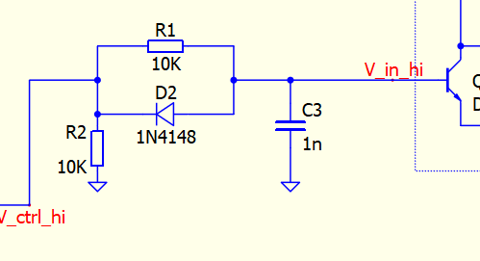
uC | [-] | STM32 | Arduino
U_uC | [V] | 3.3000 | 5.0000
R1 | [kOhm] | 5.1000 | 5.1000
C3 | [nF] | 1.0000 | 1.0000
V_in_thres | [V] | 0.8000 | 0.8000
on delay | [ns] | 1415.9219 | 889.2023

Tabelle2
duty_hi | V_out
0.1 | 1.1
0.2 | 2.85
0.3 | 4.6
0.4 | 6.3
0.5 | 8
0.6 | 9.63
0.7 | 11.23
0.8 | 12.9
0.9 | 14.3

