Header
Create New Form/Worksheet
FormModifier | Kimberly Bomaster
Spec Reference Number | AZ140Calc
Jurisdiction | Arizona
Form Name | Arizona Form 140
Scope | Arizona Income Tax for Residents Only
Print | IF [AZ140L59] or [AZ140L60] > -0-. IF [AZ140L10] > 3 or IF [AZ140L11] > 2, THEN print the 3rd page of the return, "Dependent Information - Continuation Sheet"; ELSE print only Page 1 and Page 2
MEF | N/A
Ownership | TP or TP and SP if MFJ
Occurances | 1
UI specs referenced | AZ140UI

Appendix 2015 140
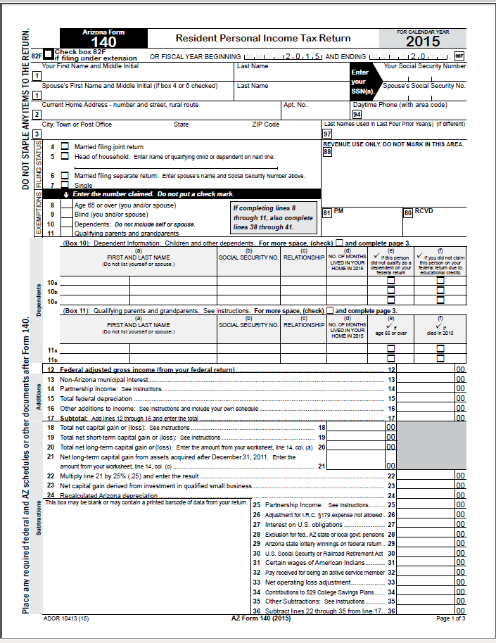
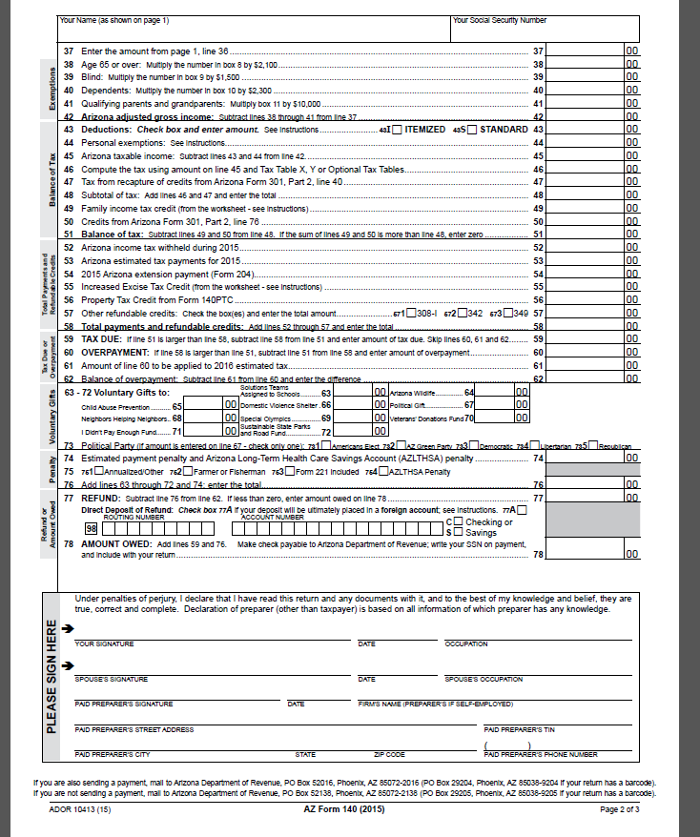

Appendix2
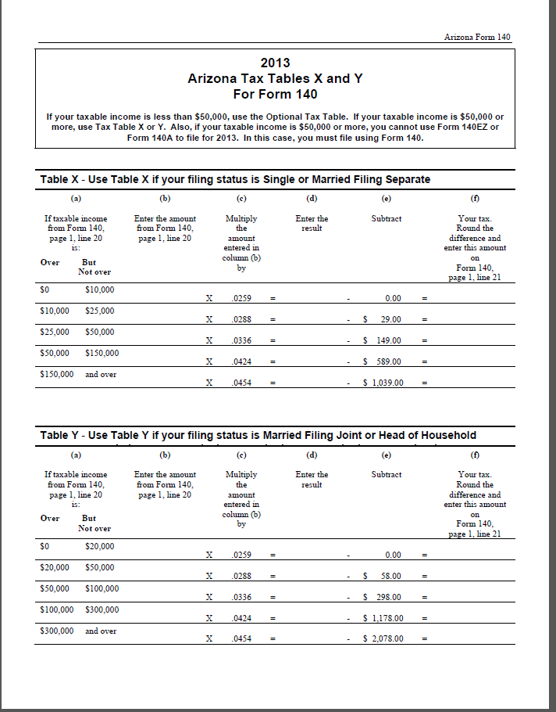
 | 2014 Tax Rate Tables X and Y

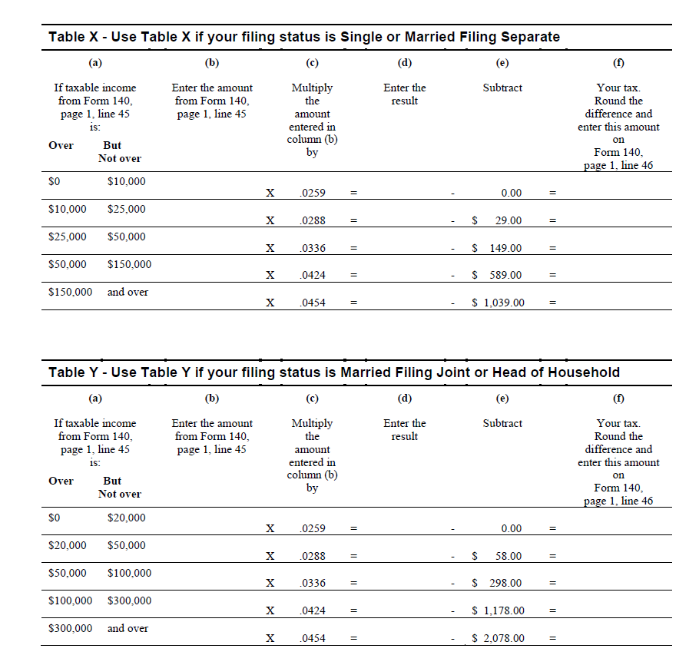

 | 2014 Optional Tax Table

https://technology.libertytax.net/LibTax/Tax_Share/Docs/States/AZ/Forms/Finals/2014%20Optional%20Tax%20Table.pdf

Appendix3
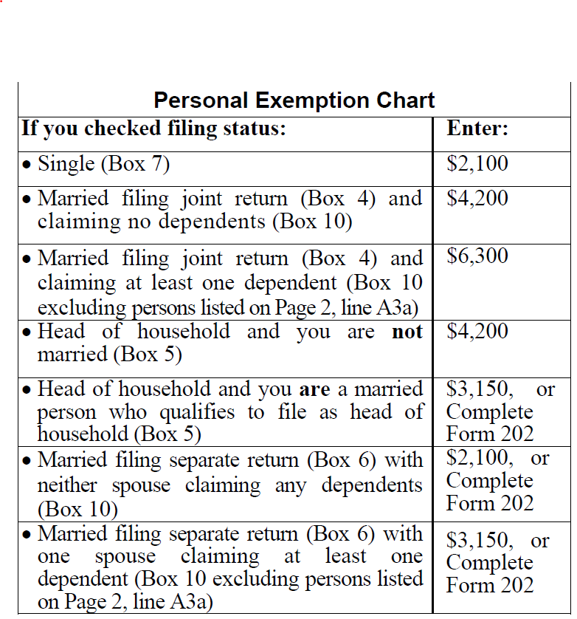
Appendix 3 | 2014

Old 2014 140
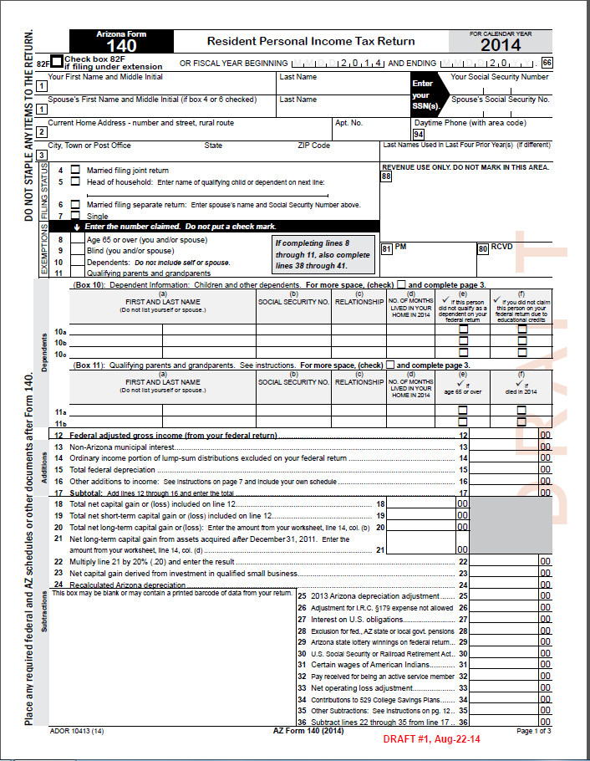
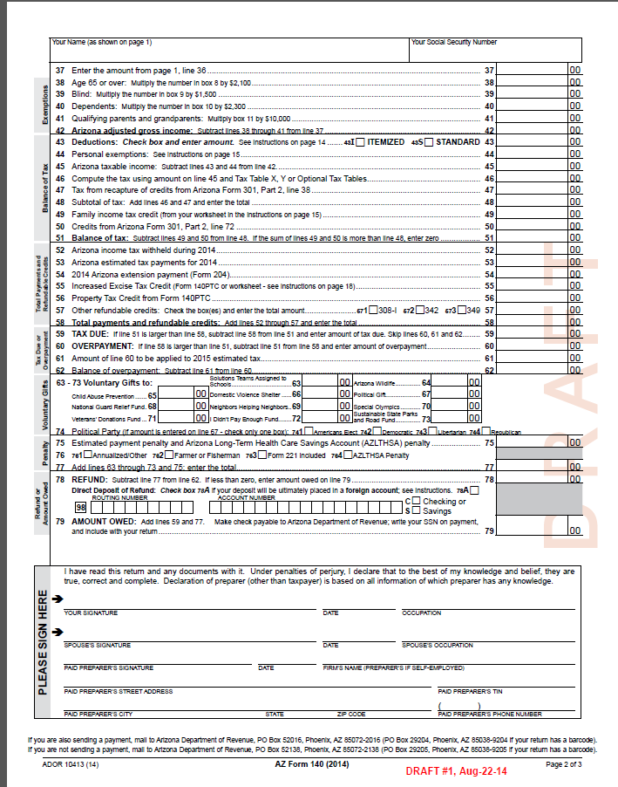
APPENDIX 1 | 2014

