Header
Create New Form/Worksheet
FormModifier | Cathy Clock
Spec Reference Number | CO104Calc
Jurisdiction | Colorado
Form Name | CO Individual Income Tax
Scope | Full-year, Part-year and Non-resident returns
Print | Always
MEF | Same as Print
Ownership | IF filing status = MFJ, THEN JOINT, ELSE TP
Occurrances | 1
UI specs referenced | CO104UI

Appendix
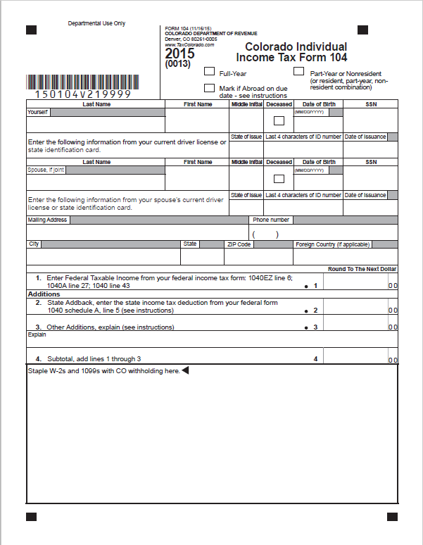
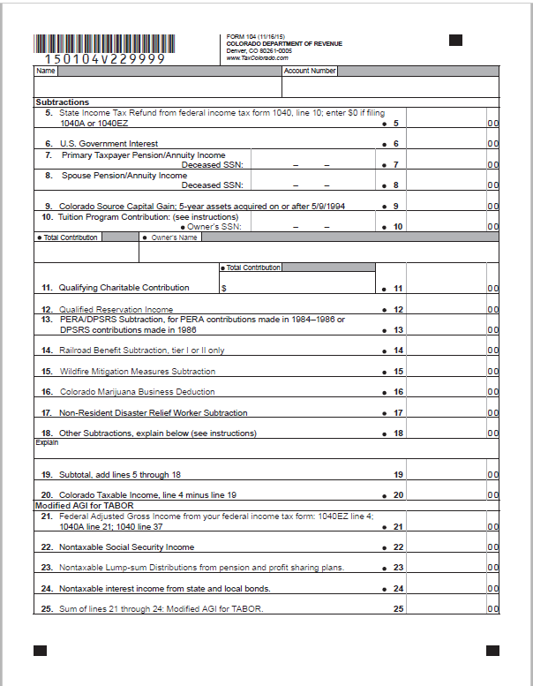
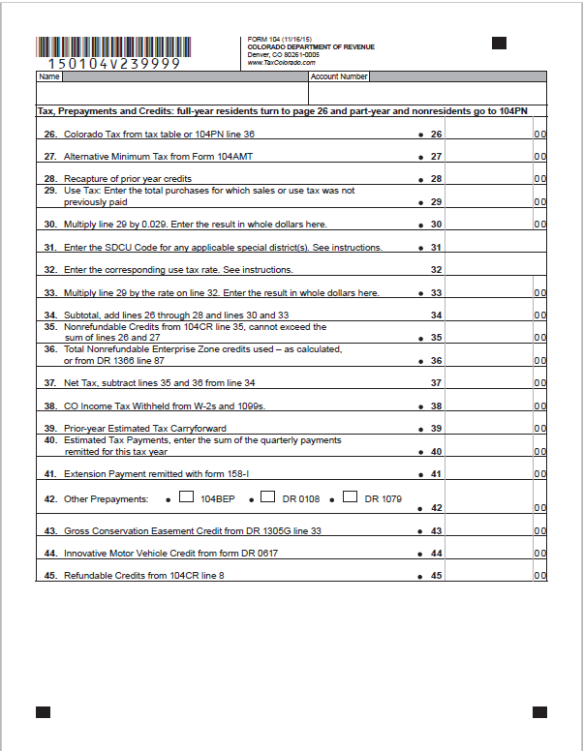
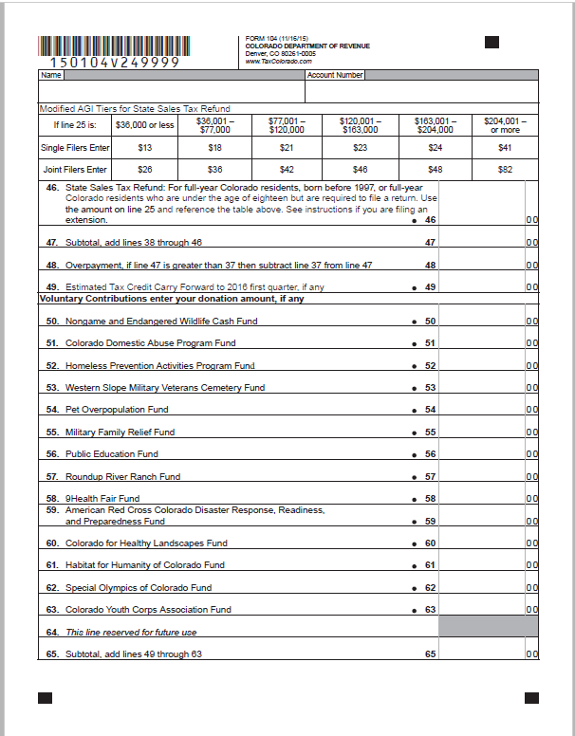
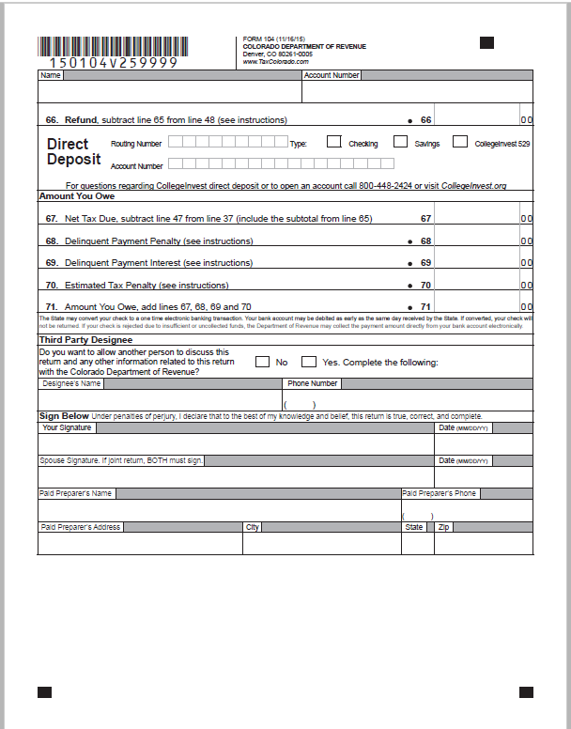

Use tax rate schedule
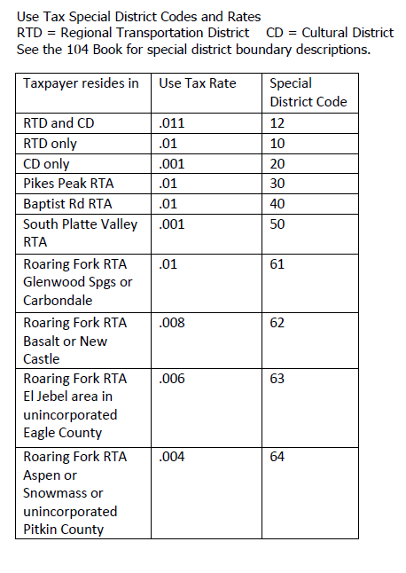

2014 Appendix
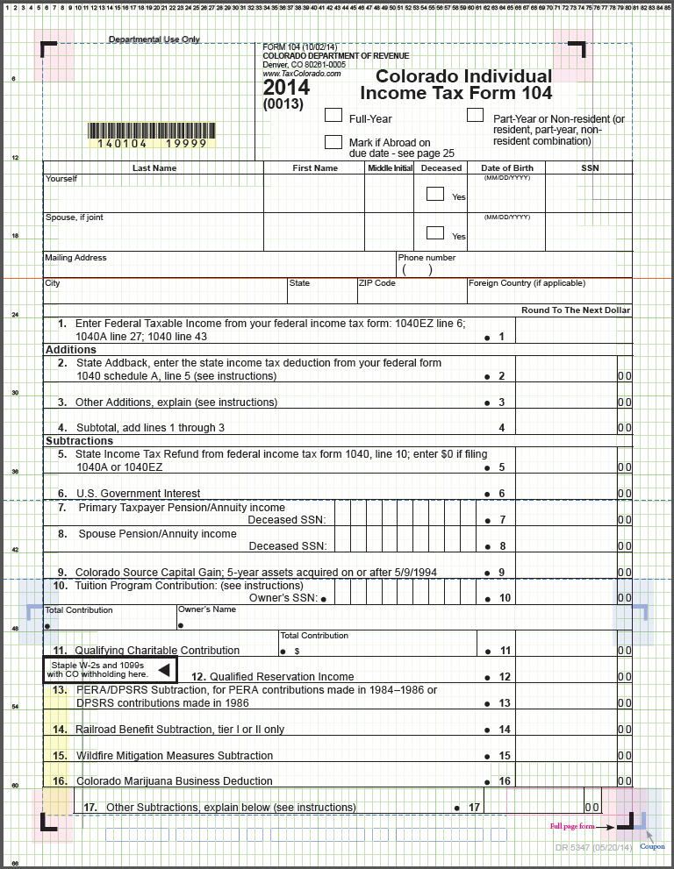
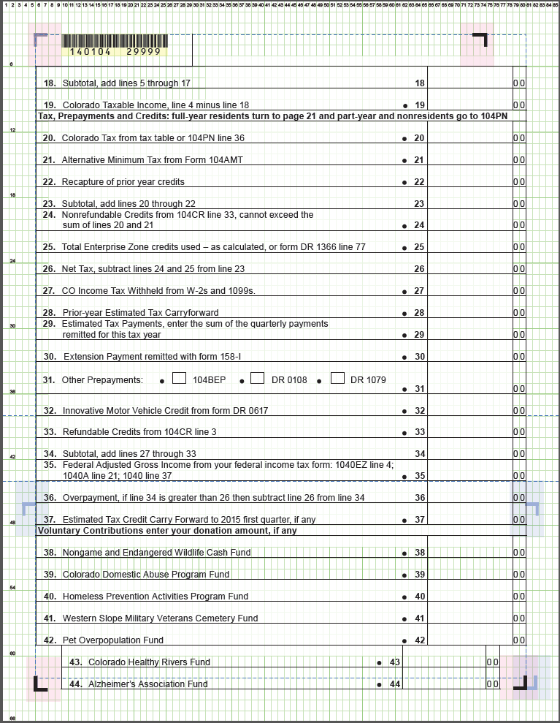
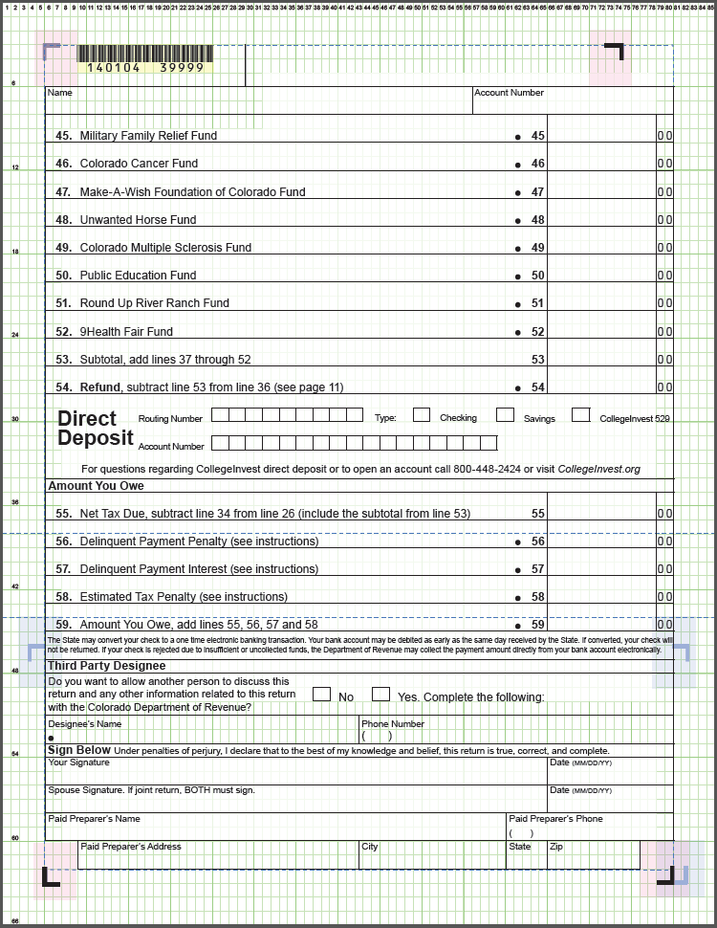
FV2

