Header
Create New Form/Worksheet
FormModifier | Katherine Deal
Spec Reference Number | UTTC40BCalc
Jurisdiction | Utah
Form Name | TC-40B Non and Part-year Resident Schedule
Scope | PYNR
Print | IF PY/NR THEN Print
MEF | IF PY/NR THEN MeF
Ownership | IF MFJ THEN Joint ELSE TP
Occurrences | 1
UI specs referenced | UTUI

Appendix - Form TC-40B
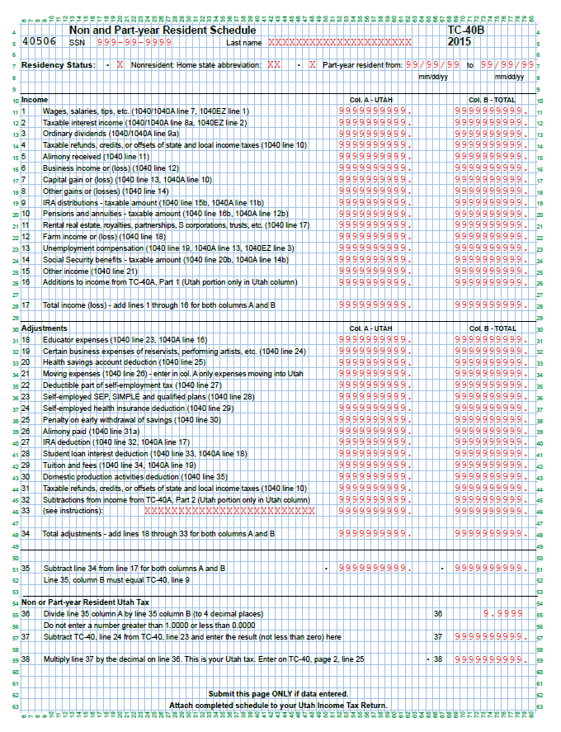

updated 6/2/2016 per Katherine Deal

