Header
Create New Form/Worksheet
FormModifier | Katherine Deal
Spec Reference Number | UTTC40Calc
Jurisdiction | Utah
Form Name | TC-40 Utah Individual Income Tax Return
Scope | Utah Individual Income Tax Return
Print | Always print Page 1 and 2, print page 3 only if page 3 contains any data
MEF | Always print Page 1 and 2, print page 3 only if page 3 contains any data
Ownership | IF MFJ THEN Joint; ELSE TP
Occurrences | 1
UI specs referenced | UT001UI

Appendix - Form TC-40
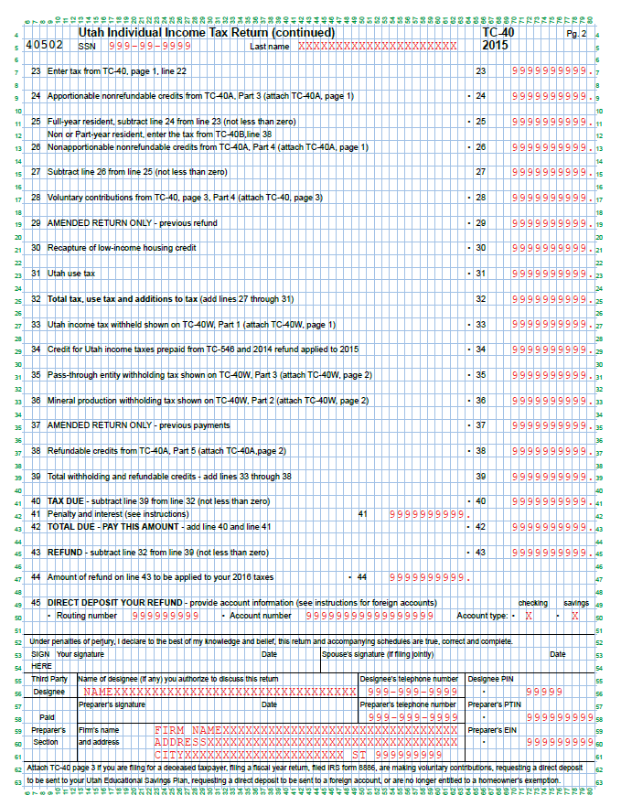
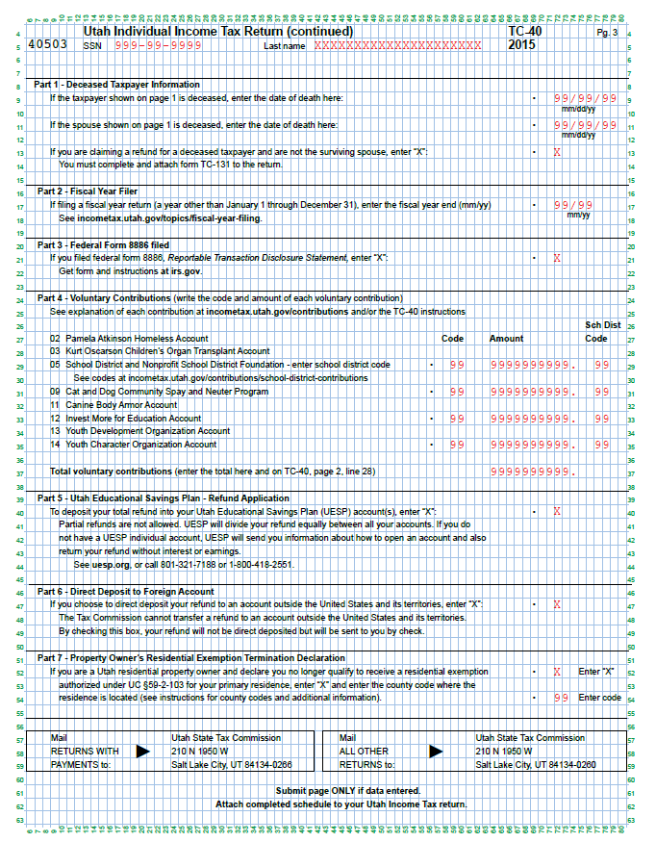
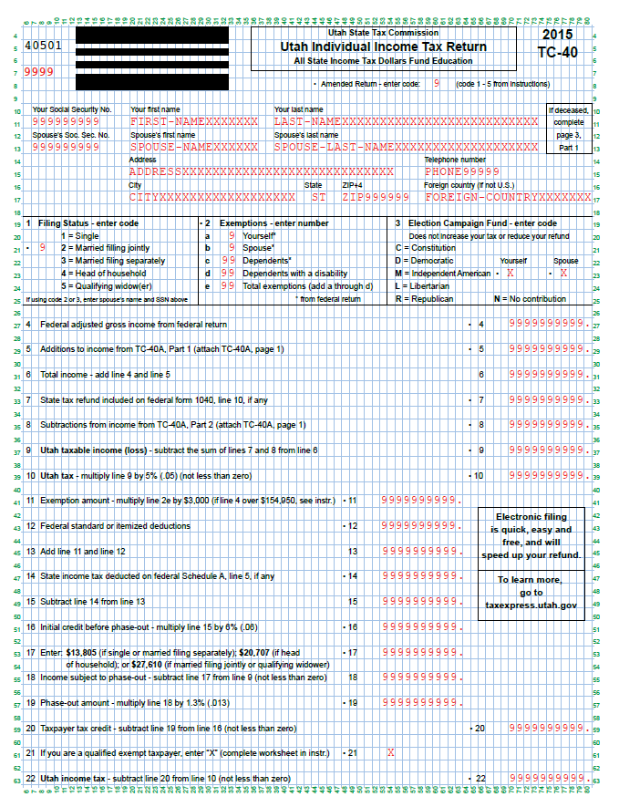

updated 5/31/2016 per Katherine Deal *scroll down for additional pages*

Appendix - UseTax
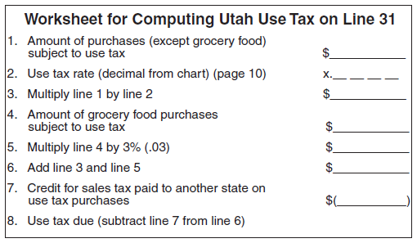
Use Tax Rate Chart
Order in chart | Display Name | Tax Rate
41 | Alta | 0.0835
60 | American Fork | 0.0685
49 | Aurora | 0.0605
2 | Beaver City | 0.0695
1 | Beaver County | 0.0595
43 | Blanding | 0.0635
22 | Boulder | 0.0795
15 | Bountiful | 0.0660
3 | Box Elder County | 0.0595
28 | Brian Head | 0.0795
4 | Brigham City | 0.0650
23 | Bryce Canyon | 0.0805
6 | Cache County | 0.0630
7 | Cache Valley Transit | 0.0655
9 | Carbon County | 0.0595
27 | Cedar City | 0.0605
60 | Cedar Hills | 0.0685
45 | Centerfield | 0.0605
15 | Centerville | 0.0660
15 | Clearfield | 0.0660
13 | Daggett County | 0.0695
14 | Davis County | 0.0650
17 | Duchesne City | 0.0605
16 | Duchesne County | 0.0595
19 | Emery County | 0.0595
46 | Ephraim | 0.0625
55 | Erda | 0.0625
23 | Escalante | 0.0805
46 | Fairview | 0.0625
71 | Falcon Hill Riverdale | 0.0705
15 | Farmington | 0.0660
38 | Garden City | 0.0755
21 | Garfield County | 0.0695
24 | Grand County | 0.0595
55 | Grantsville | 0.0625
20 | Green River | 0.0775
47 | Gunnison | 0.0635
62 | Heber | 0.0625
10 | Helper | 0.0605
67 | Hurricane | 0.0635
7 | Hyde Park | 0.0655
8 | Hyrum | 0.0660
63 | Independence | 0.0705
26 | Iron County | 0.0595
67 | Ivins | 0.0635
29 | Juab County | 0.0595
33 | Kanab | 0.0795
32 | Kane County | 0.0695
67 | La Verken | 0.0635
55 | Lakepoint | 0.0625
7 | Lewiston | 0.0655
55 | Lincoln | 0.0625
60 | Lindon | 0.0685
8 | Logan | 0.0660
45 | Mayfield | 0.0605
64 | Midway | 0.0735
34 | Millard County | 0.0595
7 | Millville | 0.0655
25 | Moab | 0.0785
43 | Monticello | 0.0635
35 | Morgan County | 0.0595
46 | Mt. Pleasant | 0.0625
40 | Murray | 0.0705
8 | N. Logan | 0.0660
15 | N. Salt Lake | 0.0660
58 | Naples | 0.0635
31 | Nephi | 0.0625
8 | Nibley | 0.0660
33 | Orderville | 0.0795
60 | Orem | 0.0685
22 | Panguitch | 0.0795
53 | Park City | 0.0795
65 | Park City East | 0.0785
4 | Perry | 0.0650
36 | Plute County | 0.0595
11 | Price | 0.0635
8 | Providence | 0.0660
49 | Redmond | 0.0605
37 | Rich County | 0.0595
50 | Richfield | 0.0635
8 | Richmond | 0.0660
8 | River Heights | 0.0660
71 | Riverdale | 0.0705
18 | Roosevelt | 0.0635
50 | Salina | 0.0635
39 | Salt Lake County | 0.0685
42 | San Juan County | 0.0595
44 | Sanpete County | 0.0595
67 | Santa Clara | 0.0635
30 | Santaquin South | 0.0620
48 | Sevier County | 0.0595
8 | Smithfield | 0.0660
5 | Snowville | 0.0695
52 | Snyderville Basin Transit | 0.0635
40 | South Salt Lake | 0.0705
68 | Springdale | 0.0765
67 | St. George | 0.0635
55 | Stansbury Park | 0.0625
51 | Summit County | 0.0605
56 | Tooele City | 0.0635
54 | Tooele County | 0.0595
22 | Tropic | 0.0795
57 | Uintah County | 0.0605
59 | Utah County | 0.0675
58 | Vernal | 0.0635
15 | W. Bountiful | 0.0660
61 | Wasatch County | 0.0595
67 | Washington City | 0.0635
66 | Washington County | 0.0605
69 | Wayne County | 0.0595
70 | Weber County | 0.0685
12 | Wellington | 0.0625
4 | Willard | 0.0650
15 | Woods Cross | 0.0660

