instruction
Purpose of this Excel Workbook:
 | The purpose of this Excel workbook is to format raw data generated by the checkconf.ksh script, which is saved in a file named report.csv. This document includes a macro to automate the formatting process.

Instructions:

1 - Copy the raw data into the "filekeys" sheet
 | The expected data format in the "report" sheet should match the example shown below.

2 - Run the macro using the "Ctrl + M" shortcut
 | The formatted data from "filekeys" will appear in the "Mise en forme" sheet, as illustrated in the example below.
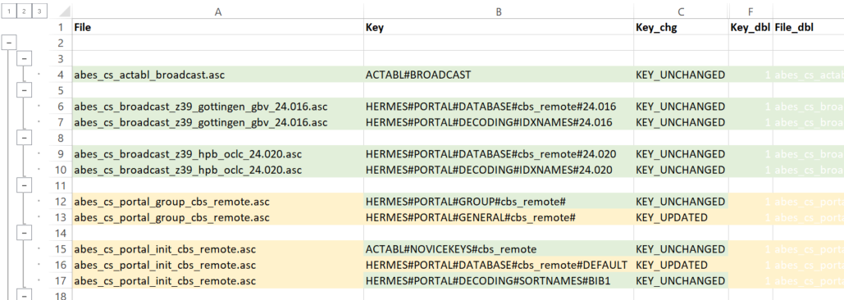

 |  | Legend:

 |  |  | Green background: Up-to-date file or ke
 |  |  | Orange background: Outdated key
 |  |  | Purple background: Key with an error
 |  | bold | Bold: Lines with duplicate keys in the directory

