Mode d'emploi
Objet de ce classeur Excel :
 | Le but de ce classeur excel est de mettre en forme les informations bruttes venant du script checkconf.ksh qui sont générées dans un fichier nommé fileskeys.csv. Ce document contient une macro qui automatise ce processus de mise en forme.

Mode d'emploi :

1 - Copier les données brutes dans la feuille "filekeys"
 | Le format de données attendu dans la feuille "fileskeys" doit être comme l'exemple ci-dessous

2 - Lancer la macro en utilsant la combinaison de touches "Ctrl m"
 | La mise en forme des données de "fileskeys" devrait s'afficher dans la feuille "Mise en forme" comme ci-dessous
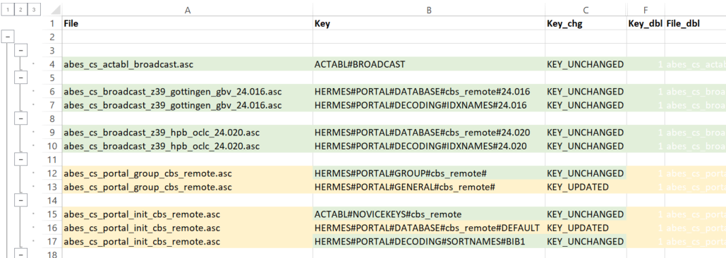

 |  | Légende :

 |  |  | Fond vert : fichier ou clé à jour
 |  |  | Fond orange : clé non à jour
 |  |  | Fond mauve : clé en erreur
 |  | gras | En gras : les lignes ou il y a des doublons de clé dans le répertoire

