Cover
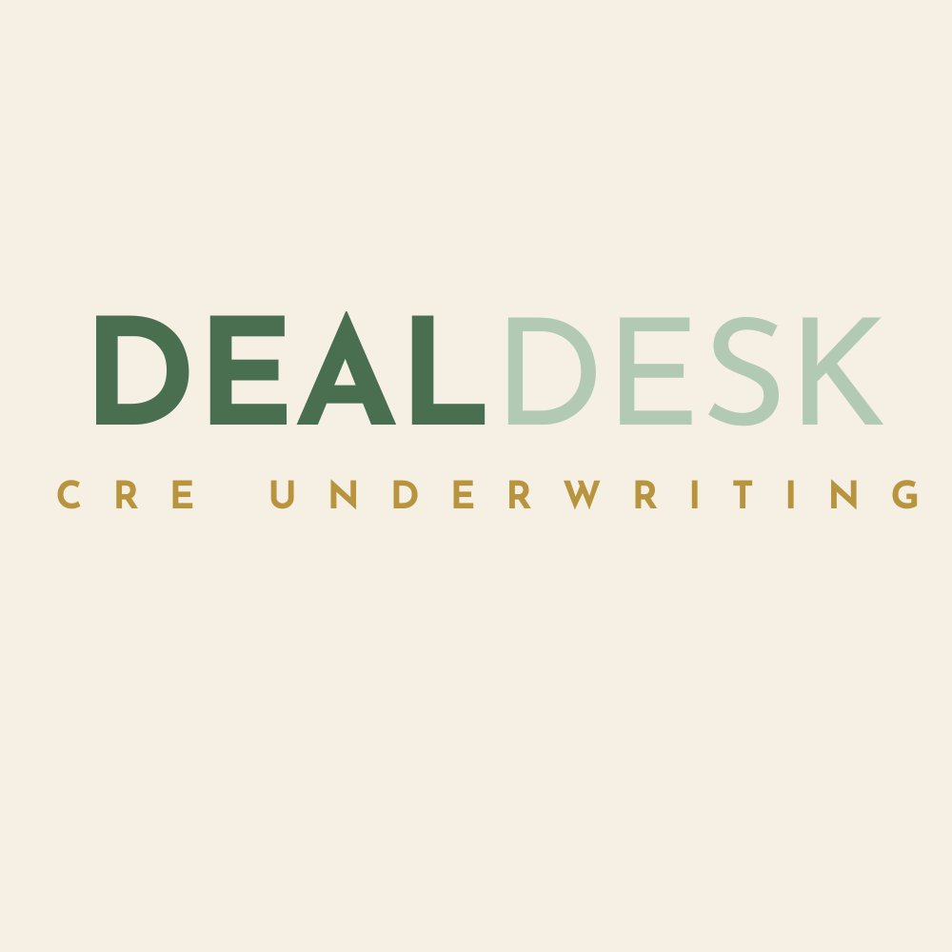
DEALDESK CRE UNDERWRITING
Investment Underwriting Model

Property Type:
Project Type:
Units:
Building SF:

KEY METRICS
Purchase Price
Price Per Unit
Total Project Cost
Total Equity
Year 1 NOI
Going-In Cap Rate
Year 1 Cash-on-Cash
Year 1 DSCR
Equity Multiple
Hold Period
LP IRR
Levered IRR
CONFIDENTIAL
Prepared by DealDesk CRE Underwriting.

