Cover
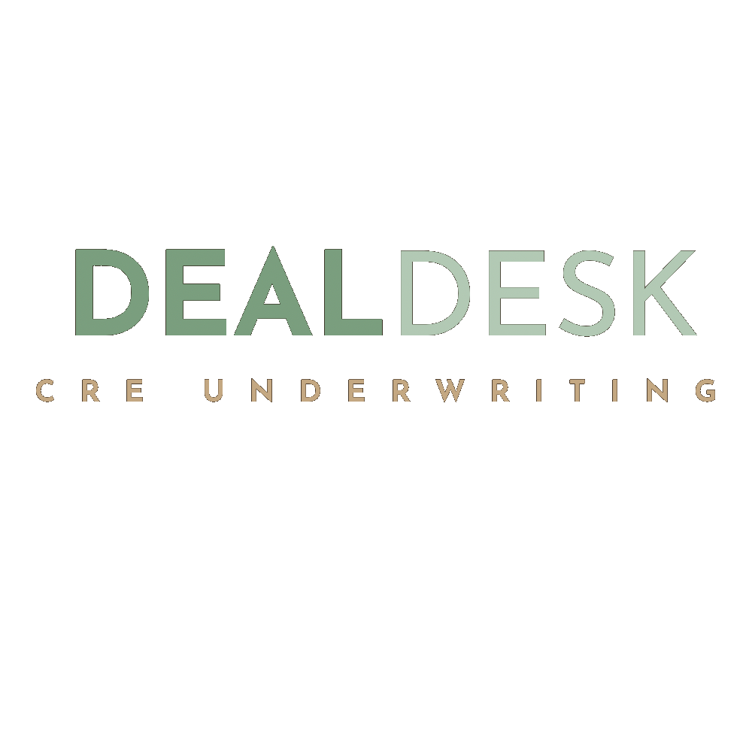
DEALDESK CRE UNDERWRITING
Investment Underwriting Model

Sample Property
123 Main St, Philadelphia, PA 19103

Property Type: | Multifamily
Project Type: | Hold
Units: | 20
Building SF: | 18,000

KEY METRICS
Purchase Price | $2,500,000
Price Per Unit | $125,000
Total Project Cost | $2,721,950
Total Equity | $971,950
Year 1 NOI | $104,914
Going-In Cap Rate | 4.20%
Year 1 Cash-on-Cash | -3.7%
Year 1 DSCR | 0.79x
Equity Multiple | 0.23x
Hold Period | 10 years
LP IRR | N/A
Levered IRR | N/A
CONFIDENTIAL
Prepared by DealDesk CRE Underwriting.

