Example Solver
 | Allentown | Charlotte | Chicago | Dallas | Fontana | Nashville | Portland | Tucson |  | Potential Receivers |  | Allentown | Charlotte | Chicago | Dallas | Fontana | Nashville | Portland | Tucson | Allowed Max Grid | Allentown | Chicago | Dallas | Fontana | Nashville | Portland | Tucson
Slack Available | 12,499,984 | 9,999,958 | 19,999,966 | 14,999,958 | 5,999,956 | 13,499,980 | 1,499,958 | 3,999,979
Aerosol Bottle |  |  |  |  |  | 620,932 |  | 213,742 |  |  | Aerosol Bottle | 0 | 0 | 0 | 0 | 0 | 1 | 0 | 1 | Aerosol Bottle | 0 | 0 | 0 | 0 | 0 | 0 | 0
Aerosol Can |  | 34,146 | 453,323 | 887,734 | 586,080 |  | 280,893 |  |  |  | Aerosol Can | 0 | 1 | 1 | 1 | 1 | 0 | 1 | 0 | Aerosol Can | 0 | 34146 | 34146 | 34146 | 0 | 34146 | 0
Bottle with Cap | 687,366 | 262,349 |  |  | 324,161 |  | 75,844 |  |  |  | Bottle with Cap | 1 | 1 | 0 | 0 | 1 | 0 | 1 | 0 | Bottle with Cap | 262349 | 0 | 0 | 262349 | 0 | 262349 | 0
Bottle with Logo |  |  |  |  |  |  |  | 254,629 |  |  | Bottle with Logo | 0 | 0 | 0 | 0 | 0 | 0 | 0 | 1 | Bottle with Logo | 0 | 0 | 0 | 0 | 0 | 0 | 0

Allocation Module
Product | Allentown |  | Chicago | Dallas | Fontana | Nashville | Portland | Tucson | Charlotte Volume | ROW SUM
Aerosol Bottle | 0 | 0 | 0 | 0 | 0 | 0 | 0 | 0 | 0 | 0
Aerosol Can | 0 | 0 | 34146 | 0 | 0 | 0 | 0 | 0 | 34,146 | 34146
Bottle with Cap | 262349 | 0 | 0 | 0 | 0 | 0 | 0 | 0 | 262,349 | 262349
Bottle with Logo | 0 | 0 | 0 | 0 | 0 | 0 | 0 | 0 | 0 | 0
Allocation Totals | 262349 |  | 34146 | 0 | 0 | 0 | 0 | 0
Slack After Allocation (Must be non-zero) | 12237635 |  | 19965820 | 14999958 | 5999956 | 13499980 | 1499958 | 3999979

 | *Gray = decision variables
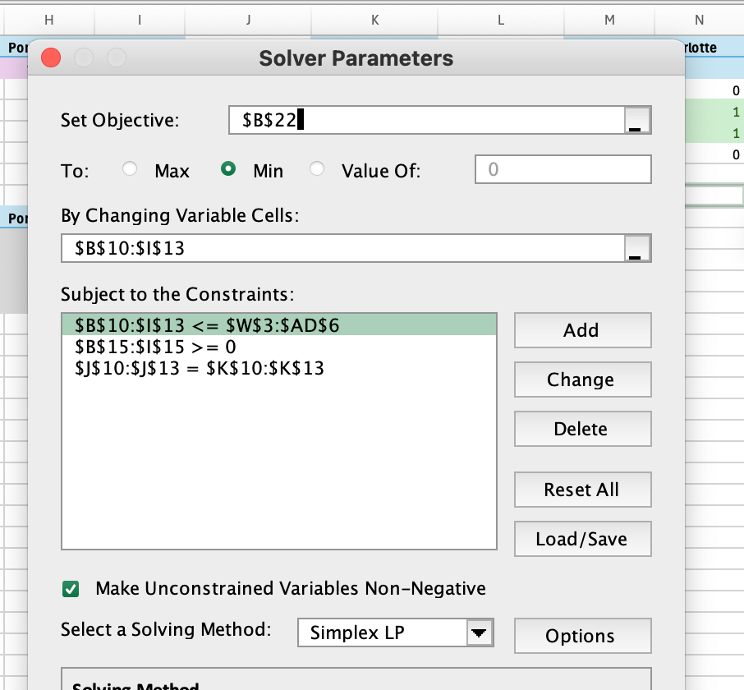
Minimize (Dummy Objective to test feasibility): | 296495

Objective: | Min total allocation (udummy variable to check feasibility)
s.t. | Fully reassign each product (Charlotte Volume = Allocation SUM)
 | J10:J13 = K10:K13

s.t. | No plant exceeds capcity
 | B15:I15 >= 0

s.t. | Respect Product Capability
 | If a plant nt product product, allocation is 0
 | B10:I13 <= W3:AD6

