Anatomy of a Pivot
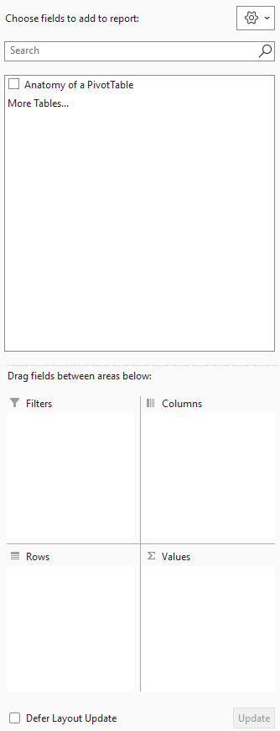
Anatomy of a PivotTable
The field list and the four drop areas

When you insert a PivotTable, a Field List appears on the right with your column names at the top and FOUR areas below. You drag field names into these areas:

 | Rows | Groups the data down the left - one row per value (e.g. each MembershipType).
 | Columns | Groups the data across the top - turns a list into a cross-tab (e.g. Tenure across).
 | Values | The numbers in the middle - what gets summarised (Count, Sum, Average...).
 | Filters | A drop-down above the pivot that filters the WHOLE pivot (e.g. show only Card payments).
 | Slicer (bonus) | A clickable button panel that filters the pivot - friendlier than the Filters area. Insert > Slicer.

