Learn - Left Join
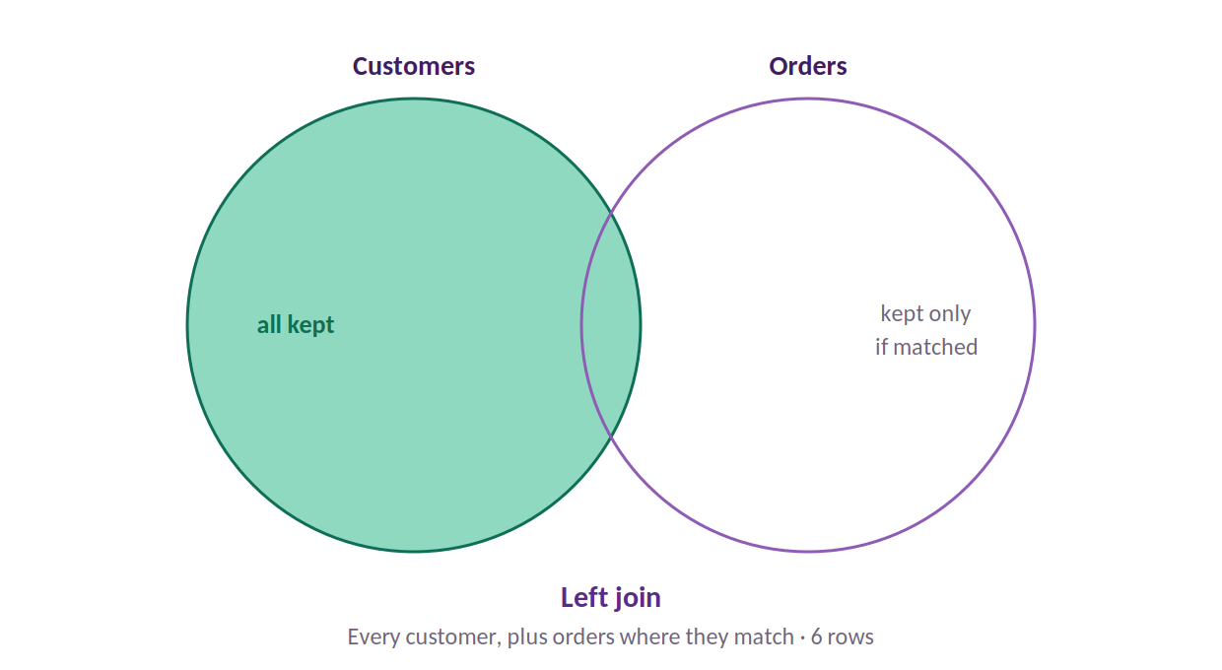
Left Join
Keep ALL of the left table

WHAT IT DOES
A LEFT join keeps every row from the first (left) table — here, every Customer — and attaches matching rows from the right. Customers with no order are kept anyway, with blanks where the order would be. This is the everyday default: 'give me all my customers, with their orders where they have them.'

WHICH ROWS IT KEEPS (green = kept · red = dropped · amber = kept but with blanks)
 | Customers | Orders
 | Alice (C1) | O1 → C1
 | Bob (C2) | O2 → C1
 | Carmen (C3) | O3 → C2
 | Dan (C4) | O4 → C3
 | Eve (C5) | O5 → C9

RESULT
6 rows. All 5 customers are kept. Alice has 2 orders so she appears twice (6 = 4 matched + Dan & Eve with blank orders). The orphan order O5 is DROPPED — it's not attached to any kept customer.

⚠ WATCH OUT
A left join can return MORE rows than the left table started with, because one customer can match several orders (Alice matches two). It never returns fewer.
VENN VIEW — the shaded area is what the join keeps

Learn - Inner Join
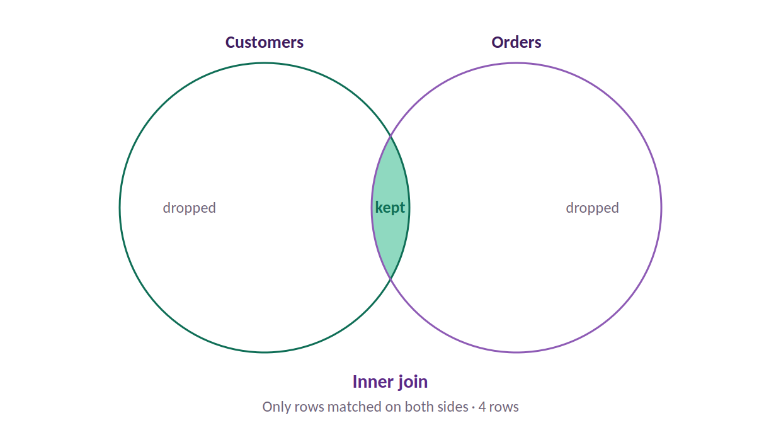
Inner Join
Keep only rows that match in BOTH

WHAT IT DOES
An INNER join keeps only the rows that have a match on BOTH sides. Anything without a partner — a customer with no order, or an order with no customer — is dropped. Use it when you only want complete, matched records.

WHICH ROWS IT KEEPS (green = kept · red = dropped · amber = kept but with blanks)
 | Customers | Orders
 | Alice (C1) | O1 → C1
 | Bob (C2) | O2 → C1
 | Carmen (C3) | O3 → C2
 | Dan (C4) | O4 → C3
 | Eve (C5) | O5 → C9

RESULT
4 rows. Only the matched orders survive: O1, O2 (Alice), O3 (Bob), O4 (Carmen). Dan and Eve are gone (no orders), and orphan O5 is gone (no customer). The strictest common join.

⚠ WATCH OUT
Inner joins silently DROP unmatched rows. If your row count falls more than expected after an inner join, that's unmatched data disappearing — check whether it should have matched.
VENN VIEW — the shaded area is what the join keeps

Learn - Full Outer
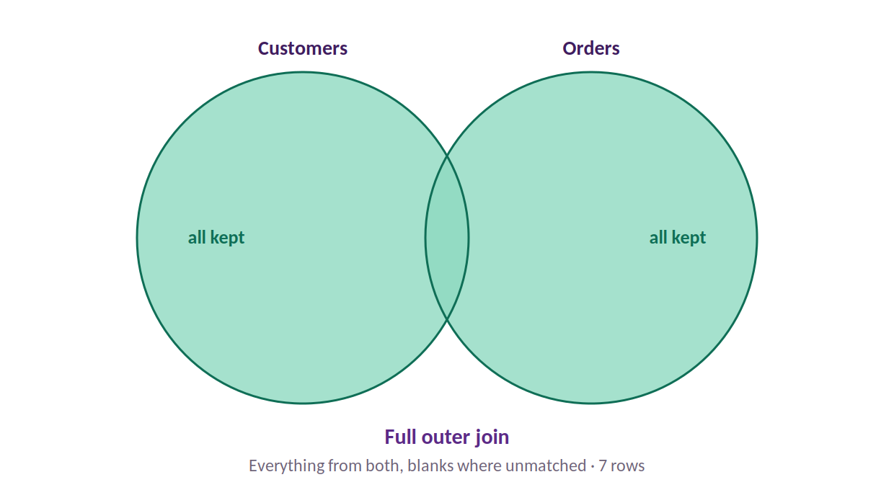
Full Outer Join
Keep EVERYTHING from both

WHAT IT DOES
A FULL OUTER join keeps every row from both tables, matching them where it can and leaving blanks where it can't. Nothing is lost from either side. Use it when you need a complete picture, including the rows that don't line up.

WHICH ROWS IT KEEPS (green = kept · red = dropped · amber = kept but with blanks)
 | Customers | Orders
 | Alice (C1) | O1 → C1
 | Bob (C2) | O2 → C1
 | Carmen (C3) | O3 → C2
 | Dan (C4) | O4 → C3
 | Eve (C5) | O5 → C9

RESULT
7 rows. The 4 matched order-rows, PLUS Dan and Eve (customers with no order, blank order side), PLUS orphan O5 (order with no customer, blank customer side). 4 + 2 + 1 = 7.

⚠ WATCH OUT
Full outer joins produce blanks on BOTH sides. They're great for spotting mismatches, but messy for analysis — you'll usually filter the blanks afterwards.
VENN VIEW — the shaded area is what the join keeps

Learn - Anti Joins
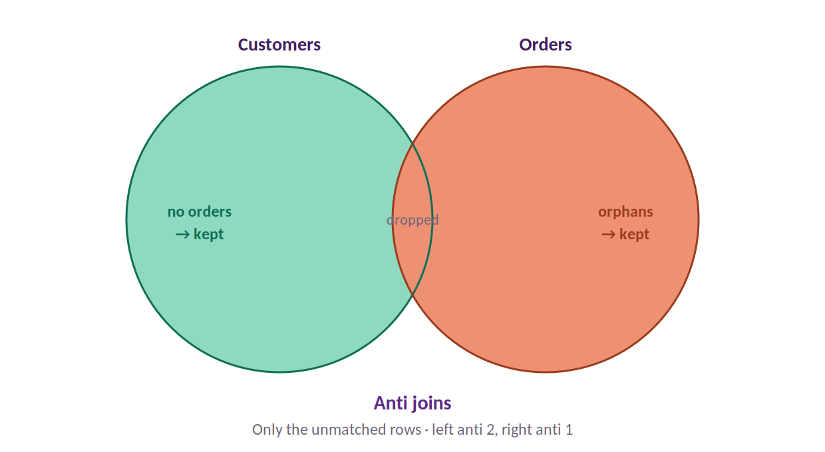
Anti Joins
Find what DOESN'T match

WHAT IT DOES
Anti joins are the opposite of the others: they keep ONLY the rows that have NO match. A LEFT ANTI join returns left-table rows with no partner (customers with no orders). A RIGHT ANTI join returns right-table rows with no partner (orphan orders). They're the fastest way to find gaps and broken links.

WHICH ROWS IT KEEPS (green = kept · red = dropped · amber = kept but with blanks)
 | Customers | Orders
 | Alice (C1) | O1 → C1
 | Bob (C2) | O2 → C1
 | Carmen (C3) | O3 → C2
 | Dan (C4) | O4 → C3
 | Eve (C5) | O5 → C9

RESULT
LEFT ANTI = 2 rows: Dan and Eve (customers who never ordered). RIGHT ANTI = 1 row: orphan order O5 (an order whose customer doesn't exist). Hugely useful for data-quality checks.

⚠ WATCH OUT
Anti joins are underused but powerful. 'Which customers never bought?' and 'Which orders have a bad customer ID?' are both one anti join away — far quicker than hunting with formulas.

VENN VIEW — the shaded area is what the join keeps

