Power Query - First Look
Power Query - First Look
Open the editor and learn the window before you clean anything

Power Query is a built-in Excel tool for changing data step by step. You don't write code - you click menus, and Excel records each action. Let's open it and look around.

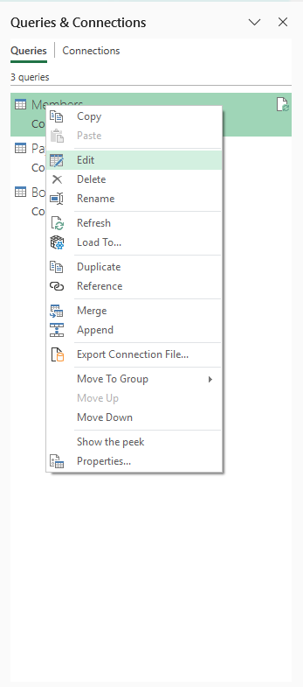
1) How to open the Power Query Editor
 | ① Go to the Data tab on the Excel ribbon.
 | ② Click 'Queries & Connections' - a panel opens on the right listing your three connections (Members, Bookings, Payments).
 | ③ Right-click the query you want (e.g. Members) and choose 'Edit'. (Double-clicking the query name does the same thing.)
 | ④ The Power Query Editor opens in its own window. This is where all your cleaning happens.

2) The five parts of the window
 | The Ribbon (top) | Tabs of tools. The ones you'll use most: HOME (manage rows/columns, Close & Load), TRANSFORM (change EXISTING columns - data type, split, fill, replace, format), ADD COLUMN (make NEW columns), VIEW (turn the formula bar on/off).
 | Queries pane (left) | A list of all your queries. Click one to work on it.
 | Data Preview (centre) | A sample of your data. Each column heading has a small ICON on its left showing its data type (ABC = text, 123 = number, a calendar = date).
 | Query Settings (right) | Shows the query's name, and APPLIED STEPS - the recorded list of everything you've done. This is the most important part to understand.
 | Formula bar (under the ribbon) | Shows the behind-the-scenes code for the selected step. If you can't see it, turn it on with View > Formula Bar. You don't need to edit it.

 | 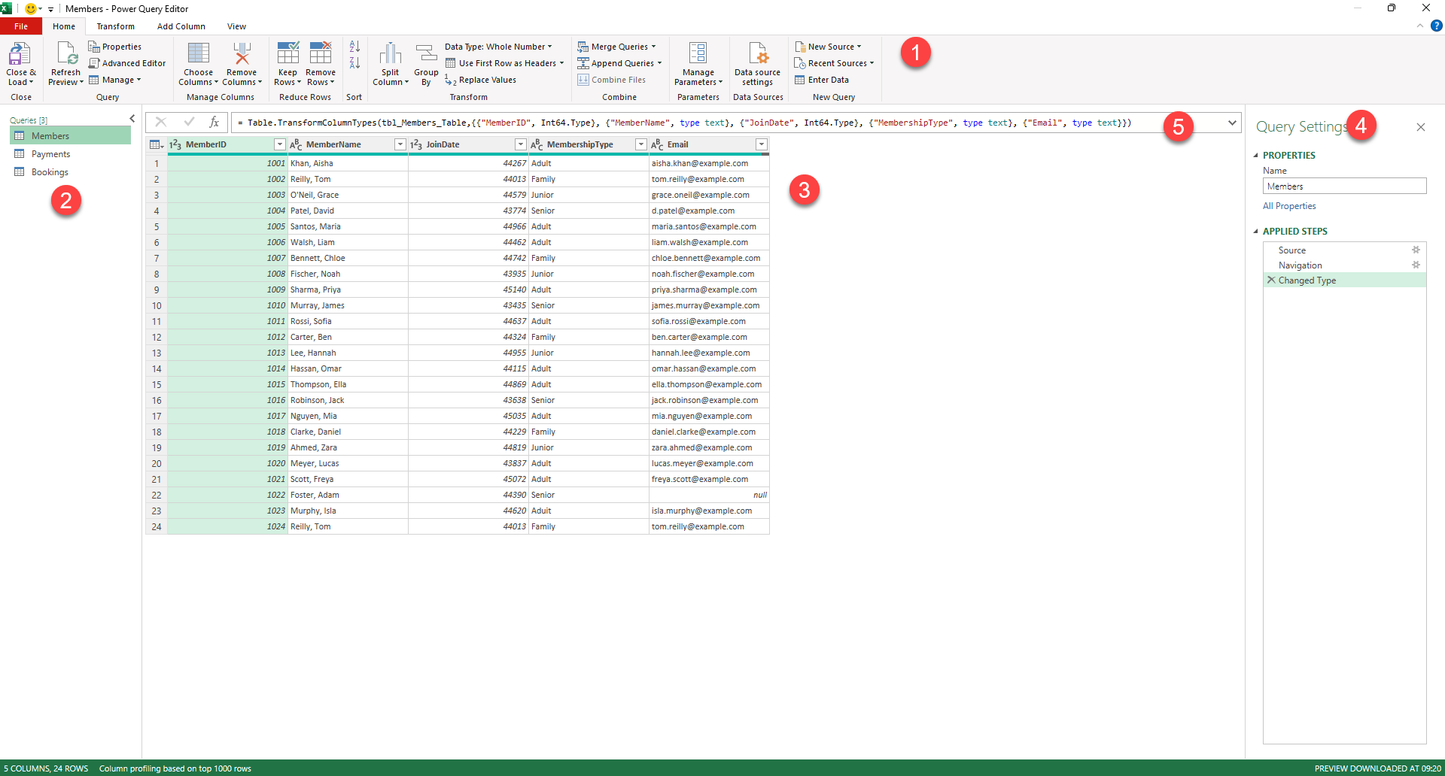
3) Applied Steps - your safety net
 | ① Every action you take adds a line to APPLIED STEPS on the right.
 | ② Click any step to see what the data looked like at that point.
 | ③ To undo just one action, click the small X next to that step - the rest stay. You never have to start over.
 | ④ Because your edits are only recorded here, the original Members.xlsx, Bookings.pdf and Payments.csv are never changed.

4) When you're finished cleaning a query
 | ① Home tab > 'Close & Load' drop-down > 'Close & Load To...'.
 | ② Choose 'Only Create Connection' (the same choice you made in Module 2), then OK.
 | ③ You return to Excel. Your cleaned query is saved as a connection, ready for the next module.

Task 1 - Data Types
Task 1 - Set the data types
Members, Bookings & Payments - tell Excel what each column IS

When data is imported (especially from a PDF or CSV), Excel often treats everything as plain text - or guesses wrongly. If a date is stored as text you can't sort or filter by it; if a number is text you can't add it up. So the first cleaning job is always to set each column to its correct type. The type icon sits to the LEFT of each column heading.

Step by step
 | ① Open the Members query (right-click > Edit) if it isn't already open.
 | ② Click the small type ICON to the left of the JoinDate heading (it may show ABC for text).
 | ③ Choose 'Date' from the list. The column should now show proper dates. (If it shows Error, the values came in as numbers — see the Rescue tab: re-set the type, or use Using Locale > English (UK).)
 | ④ Do the same for each column: MemberID = Whole Number, MembershipType and Email and MemberName = Text.
 | ⑤ Now open the Payments query. Set Amount = Decimal Number, Date = Date, PaymentID and MemberID = Whole Number.
 | ⑥ Open the Bookings query. Set DurationMins = Whole Number and Date = Date.
 | ⑦ Watch Applied Steps - each type change is recorded as a 'Changed Type' step.

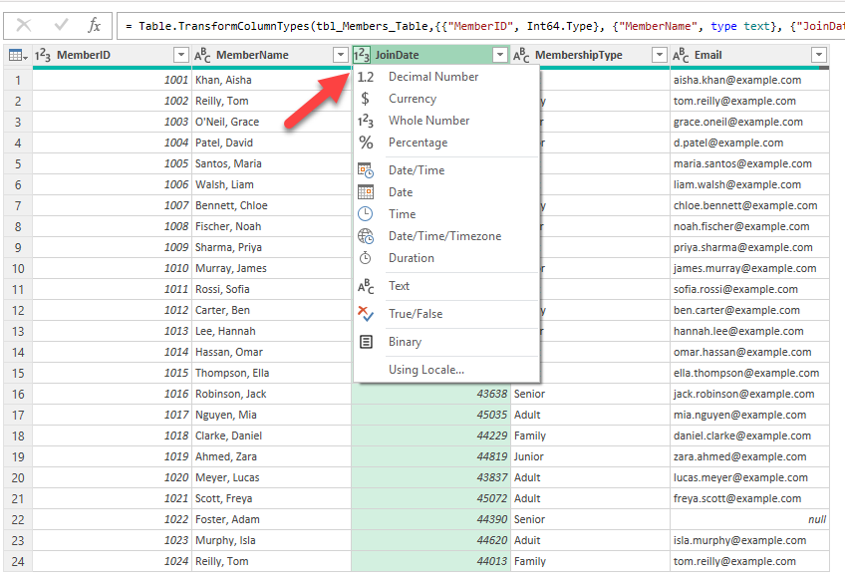
Check it (type your answer; the cell turns green or red)
 | Question | Your answer | Check | 💡 Hints — try before you peek
 | After you set it, what data type should the JoinDate column be? |  |  | The icon left of the heading gives it away: a calendar means Date.
 | Whole number or decimal for the Amount column (money values)? |  |  | Money is stored as Decimal so it can hold pennies if they ever occur — which type allows a decimal point?
 | What type should DurationMins be? |  |  | Minutes are counted, never fractional, in this data.

💡 Why it matters: types control what you can do. Dates let you sort by time; numbers let you total and average; text stops Excel mangling things like IDs. Get types right first and everything later behaves.

Task 2 - Rename
Task 2 - Rename columns
Clear, consistent names make everything easier

Imported columns often have awkward or unclear names. Renaming them now means every later step - and every other person who opens this - understands the data. Renaming does not change the data, only the heading.

Step by step
 | ① In the Members query, double-click the 'MemberName' heading.
 | ② Type a clearer name, e.g. 'Full Name', and press Enter.
 | ③ Rename any other unclear headings the same way (for example 'DurationMins' in Bookings to 'Duration (mins)').
 | ④ Keep names short, consistent, and free of odd characters.
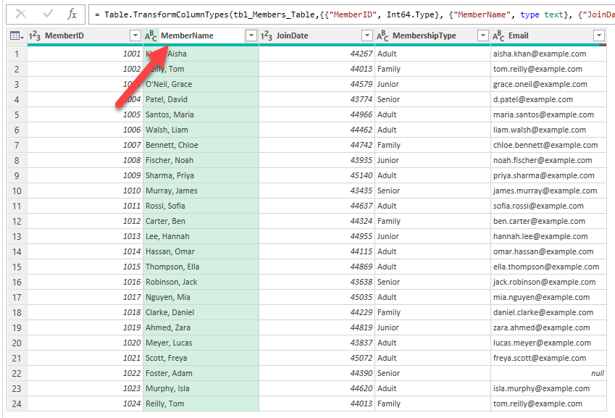
 | ⑤ Each rename appears in Applied Steps as a 'Renamed Columns' step - you can undo it if you change your mind.

Tick each step as you complete it (type x)
 |  | Renamed at least one column by double-clicking its heading
 |  | Used clear, consistent names
 |  | Saw the 'Renamed Columns' step appear in Applied Steps

💡 Tip: you can also rename via Transform > Rename, but double-clicking the heading is quickest.

Task 3 - Remove Columns
Task 3 - Remove columns you don't need
Payments - drop the 'ExportRef' column

The Payments file has an 'ExportRef' column - a leftover tag from the system that exported it (every row just says EXP-JAN24). It adds nothing, so remove it. Removing a column you don't need keeps the data tidy and focused.

Step by step
 | ① Open the Payments query (right-click > Edit).
 | ② Click once on the 'Choose Columns' option to open up the checkbox of all columns
 | ③ Uncheck 'ExportRef' to remove it
 | ④ The column disappears and a 'Choose Columns' step is added to Applied Steps.
 | ⑤ To remove several at once, clear their checkboxes as well

 | 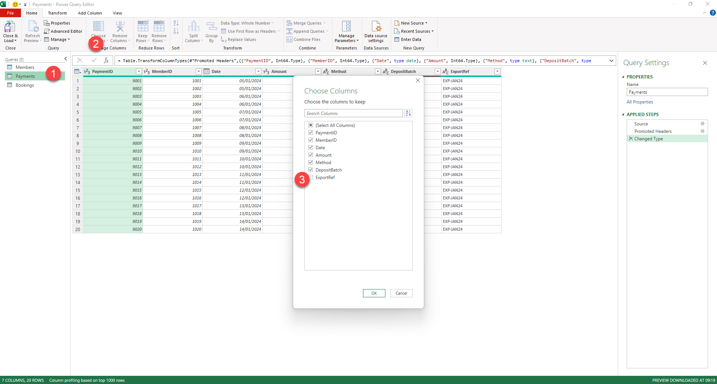

Check it (type your answer; the cell turns green or red)
 | Question | Your answer | Check | 💡 Hints — try before you peek
 | After removing ExportRef, how many columns does the Payments query have? |  |  | Count the headings left in the preview — or reason it: 7 columns minus the 1 you removed.

💡 Careful: in the Choose Columns dialog, UNticking a column removes it; leave the others ticked. (If you instead use the ribbon, 'Remove Columns' drops the selected ones, while 'Remove Other Columns' keeps only those — read which you click.)

Task 4 - Replace Values
Task 4 - Replace wrong values
Members - fix the 'Aduit' typo

One member's MembershipType is misspelt 'Aduit' instead of 'Adult'. A single wrong value like this throws off any grouping or counting later. 'Replace Values' swaps every matching entry in a column in one go.

Step by step
 | ① Open the Members query and click the 'MembershipType' column heading to select it.
 | ② Go to Transform > Replace Values (or right-click the heading > Replace Values).
 | ③ In 'Value To Find' type: Aduit
 | ④ In 'Replace With' type: Adult
 | ⑤ Click OK. Every 'Aduit' becomes 'Adult'. A 'Replaced Value' step is added.
 | ⑥ Scan the column to confirm only the four valid types remain (Adult, Family, Junior, Senior).

 | 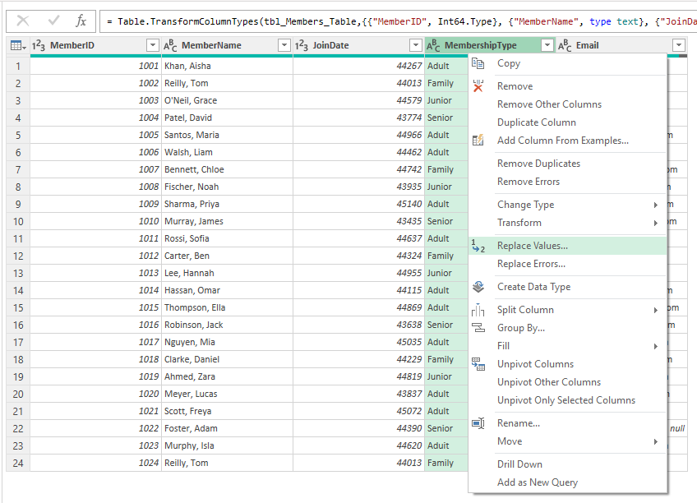

Check it (type your answer; the cell turns green or red)
 | Question | Your answer | Check | 💡 Hints — try before you peek
 | After the replace, how many members have membership type 'Adult'? |  |  | Click the MembershipType filter dropdown — it lists each value with its count. Or =COUNTIF on a loaded copy.

💡 Replace Values is also how you'd fix things like trailing spaces or inconsistent spellings. For spaces specifically, Transform > Format > Trim is even quicker.

Task 5 - Handle Nulls
Task 5 - Handle blanks (nulls)
Members - one member has no email

A blank cell in Power Query is shown as 'null'. Blanks aren't always errors, but you must DECIDE what to do with them rather than ignore them. Here, one member has no email on file. We'll replace the blank with a clear label so nobody mistakes it for missing-by-accident.

Step by step
 | ① Open the Members query and look down the Email column - one cell shows 'null'.
 | ② First, see how many: click the dropdown arrow on the Email heading - the filter list shows '(null)' as one of the values.
 | ③ To label it: RIGHT-CLICK the cell that shows null and choose 'Replace Values...' - the dialog opens with the null already in 'Value To Find'.
 | ④ In 'Replace With' type: Not provided (If you open Replace Values from the ribbon instead, type the word null in 'Value To Find' - Power Query treats that word as the blank value.)
 | ⑤ Click OK. The blank now reads 'Not provided', so it's clearly intentional.
 | ⑥ Alternative approaches you should know: you could FILTER nulls out (heading dropdown > untick (null)) if those rows aren't wanted, or Transform > Fill if a value should carry down. Choose based on what the data needs.

 | 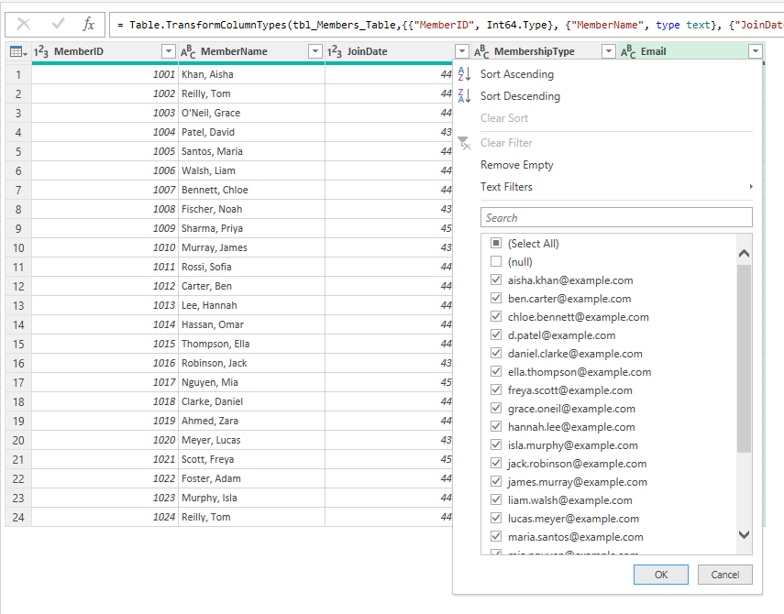
Check it (type your answer; the cell turns green or red)
 | Question | Your answer | Check | 💡 Hints — try before you peek
 | How many members have a blank (null) email to deal with? |  |  | The Email filter dropdown shows '(null)' — how many times?
 | After you label them 'Not provided', how many blank/null emails remain? |  |  | Re-open the filter dropdown after the replace — '(null)' should be gone entirely.

💡 Key idea: never leave nulls unexamined. Decide - label, remove, or fill - and record why. That judgement is exactly what an assessor wants to see.

Task 6 - Remove Duplicates
Task 6 - Remove duplicates
Members - one person is in the list twice

The same person can end up in the data twice - here, one member was re-registered under a new MemberID, so the IDs differ but the name and email are identical. Removing duplicates stops you double-counting. The trick is to remove duplicates based on the columns that identify a PERSON (name + email), not the ID.

Step by step
 | ① Open the Members query. Notice two rows with the same Full Name and Email but different MemberIDs.
 | ② Select BOTH the Full Name and Email columns (click one heading, hold Ctrl, click the other).
 | ③ Go to Home > Remove Rows > Remove Duplicates.
 | ④ Power Query keeps the first matching row and removes the later duplicate. A 'Removed Duplicates' step appears.
 | ⑤ Check the row count has dropped by one.

 | 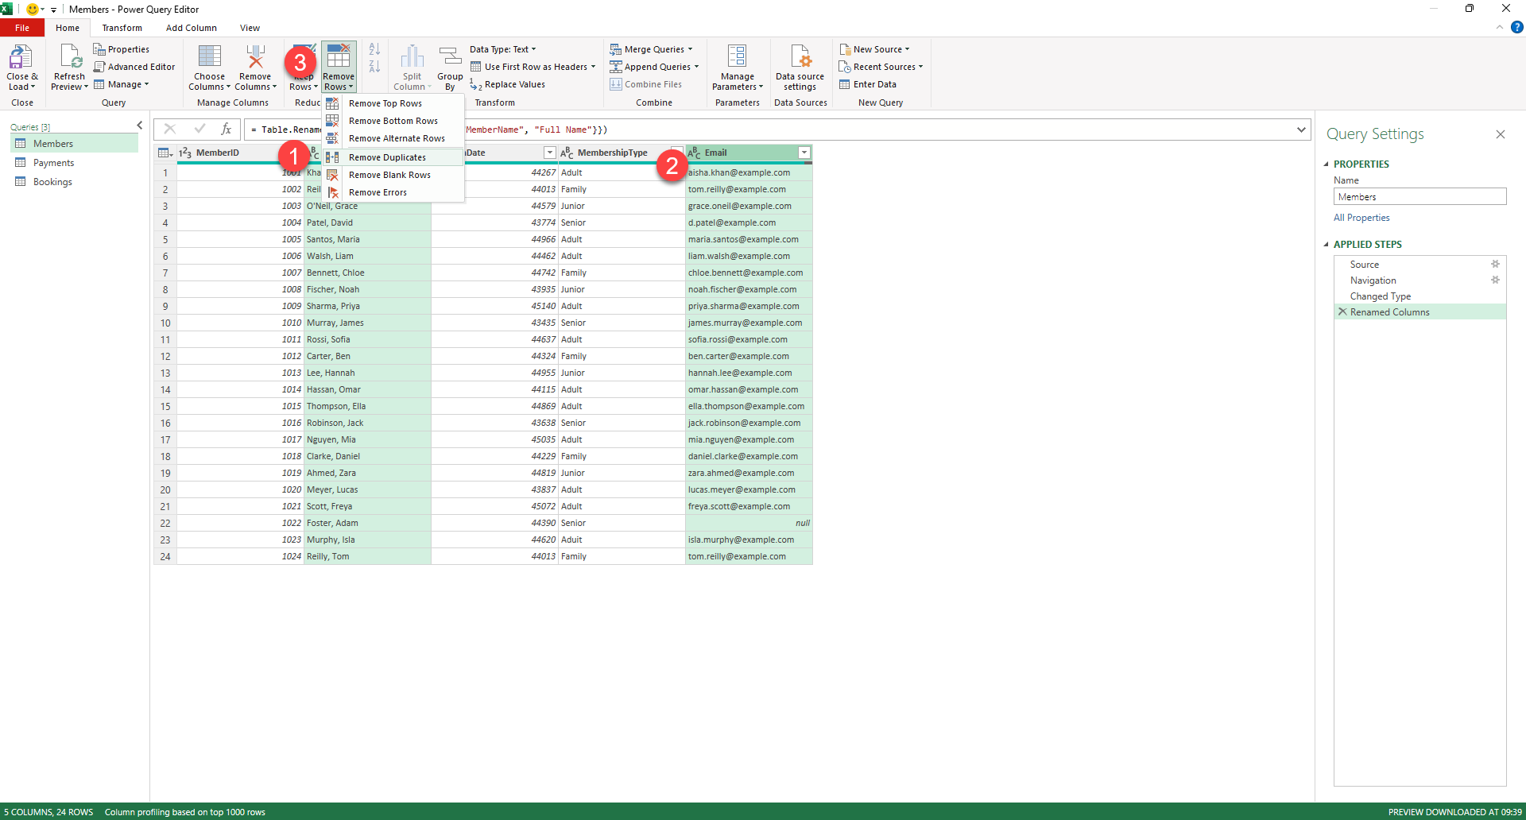
Check it (type your answer; the cell turns green or red)
 | Question | Your answer | Check | 💡 Hints — try before you peek
 | After removing duplicates, how many member rows remain? |  |  | The row count shows bottom-left of the Power Query editor ('xx rows'). It should have dropped by exactly one.

💡 Watch out: if you'd removed duplicates on MemberID, nothing would have been removed - the IDs are different. Choosing the RIGHT columns to match on is the whole skill here.

