Task 1 - Split
Task 1 - Split the member name
Members - 'Last, First' into two columns

The MemberName column holds values like 'Sharma, Priya' - last name, a comma, then first name. To use names properly you need them in separate columns. Split splits one column into several at a chosen character (here, the comma).

Step by step
 | ① Open the Members query (right-click > Edit).
 | ② Click the 'MemberName' heading to select the column.
 | ③ Home tab > Split Column > By Delimiter.
 | ④ Choose 'Comma' as the delimiter and 'At each occurrence of the delimiter', then OK.
 | ⑤ You now have two columns. Double-click each heading to rename them 'LastName' and 'FirstName'.
 | ⑥ The first name may have a leading space (from after the comma). Select FirstName > Transform > Format > Trim to remove it.

 | 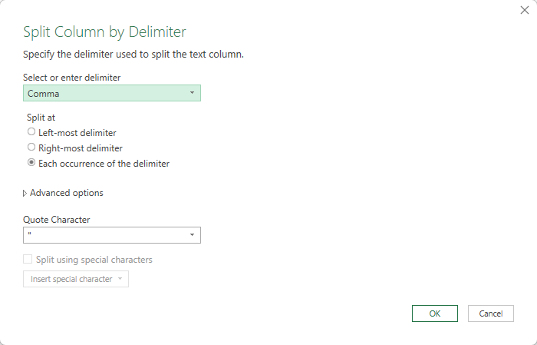

Check it (type your answer; the cell turns green or red)
 | Question | Your answer | Check | 💡 Hints — try before you peek
 | After splitting, how many columns does the Members query have? |  |  | Reason it out: 5 original columns, minus the 1 you split, plus the 2 it became.
 | What is the FIRST name for MemberID 1009? |  |  | Find row 1009 in the preview — the part AFTER the comma became FirstName.
 | What is the LAST name for MemberID 1004? |  |  | Same trick for 1004 — the part BEFORE the comma became LastName.

💡 If the split makes more columns than you expected, an extra comma is hiding in the data - check, then adjust or undo the step.

Task 2 - Fill Down
Task 2 - Fill down the dates
Bookings - the report only printed each date once

The bookings came from a printed report that showed each date once at the top of the day, leaving the cells below it blank (null). Fill Down copies the value downward into the blanks, so every booking carries its real date.

Step by step
 | ① Open the Bookings query.
 | ② Click the 'Date' column heading.
 | ③ Transform tab > Fill > Down.
 | ④ Every blank now takes the date from the row above. Check there are no blanks left.
 | ⑤ A 'Filled Down' step appears in Applied Steps.

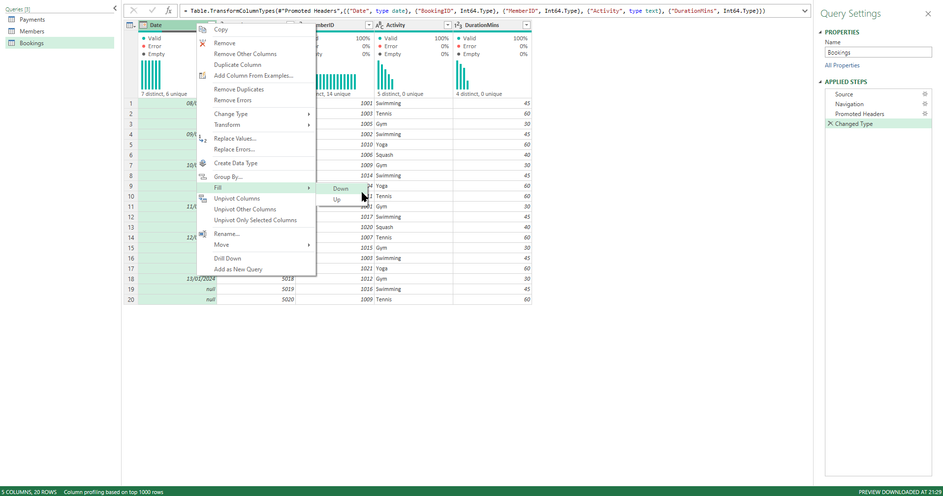

Check it (type your answer; the cell turns green or red)
 | Question | Your answer | Check | 💡 Hints — try before you peek
 | After filling down, what date is on BookingID 5009? (type as 2024-01-10) |  |  | Click the 'Filled Down' step, then find BookingID 5009 in the preview.
 | How many bookings now have the date 2024-01-10? |  |  | Filter the Date column to just 2024-01-10 and read the row count, then clear the filter.

💡 Fill Down only works on truly blank/null cells. If a cell shows a space instead of null, Trim it first (Transform > Format > Trim).

Task 3 - Fill Up
Task 3 - Fill up the batch refs
Payments - the batch ref sits on the LAST row of each batch

In the payments export the deposit-batch reference (e.g. DB-2024-001) was written only on the LAST payment of each batch; the rows above are blank. Fill Up copies the value UPWARD to fill those blanks.

Step by step
 | ① Open the Payments query.
 | ② Click the 'DepositBatch' column heading.
 | ③ Transform tab > Fill > Up.
 | ④ Every payment now shows its batch. A 'Filled Up' step appears.
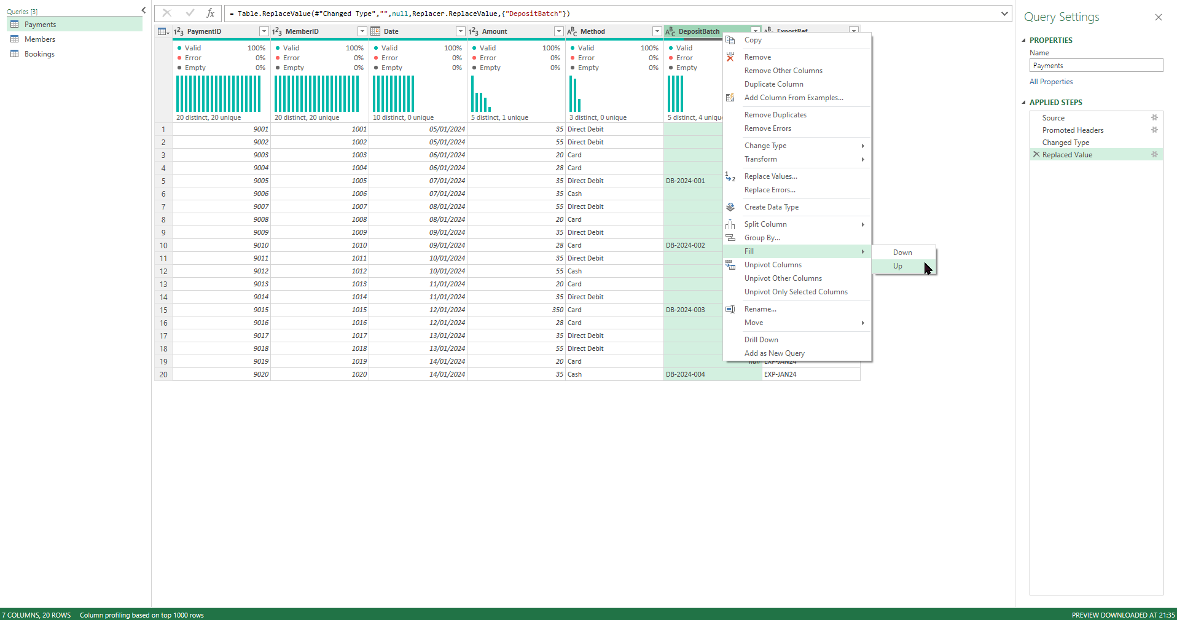
 | ⑤ Fill Up and Fill Down are the same tool - the only difference is the direction the value travels.

Check it (type your answer; the cell turns green or red)
 | Question | Your answer | Check | 💡 Hints — try before you peek
 | After filling up, what DepositBatch is on PaymentID 9001? |  |  | PaymentID 9001 is the first row — which batch ref travelled UP into it?
 | How many payments belong to batch DB-2024-002? |  |  | Filter DepositBatch to DB-2024-002 and count — or spot the run of payments it covers.

💡 Choose Up when the value is at the FOOT of each group, Down when it's at the TOP. Look at where the filled cell sits before you pick.

Task 4 - Custom Column
Task 4 - Add a custom column
Members - build a 'DisplayName' from a formula

A custom column is a NEW column you build from a small formula. We'll make a friendly 'DisplayName' that reads first name then last name - e.g. 'Priya Sharma' - by joining the two columns you split earlier. The & symbol joins text together.

Step by step
 | ① Open the Members query (the split from Task 1 must be done first).
 | ② Add Column tab > Custom Column.
 | ③ Name the new column: DisplayName
 | ④ In the formula box, type: [FirstName] & " " & [LastName]
 | ⑤ (Click the column names on the right to insert them, so the spelling is exact.)
 | ⑥ Click OK. A new DisplayName column appears, e.g. 'Priya Sharma'.
 | ⑦ A 'Added Custom' step appears in Applied Steps.

 | 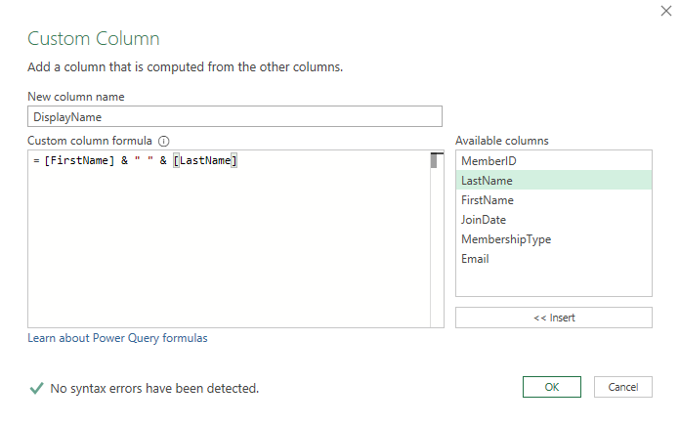

Check it (type your answer; the cell turns green or red)
 | Question | Your answer | Check | 💡 Hints — try before you peek
 | What does your DisplayName column show for MemberID 1009? |  |  | First name, a space, last name — exactly what [FirstName] & " " & [LastName] builds.

💡 The quote marks with a space between them - " " - put a gap between the names. Without it you'd get 'PriyaSharma'.

Task 5 - Column From Examples
Task 5 - Add a column from examples
Members - pull the username out of the email

Sometimes you don't know the formula - so you SHOW Power Query a couple of examples and it works out the rule for you. We'll pull the part of the email before the @ (the username) without writing any formula.

Step by step
 | ① Open the Members query.
 | ② Add Column tab > Column From Examples > 'From All Columns'.
 | ③ A new blank column appears on the right. In its first cell, type the username for that row - for Aisha Khan, type: aisha.khan
 | ④ Press Enter. Type the second one too if asked - Power Query starts predicting the rest (text before the @).
 | ⑤ When the preview looks right for every row, click OK. Rename the column 'EmailUser'.
 | ⑥ An 'Inserted Text Before Delimiter' (or similar) step appears.

 | 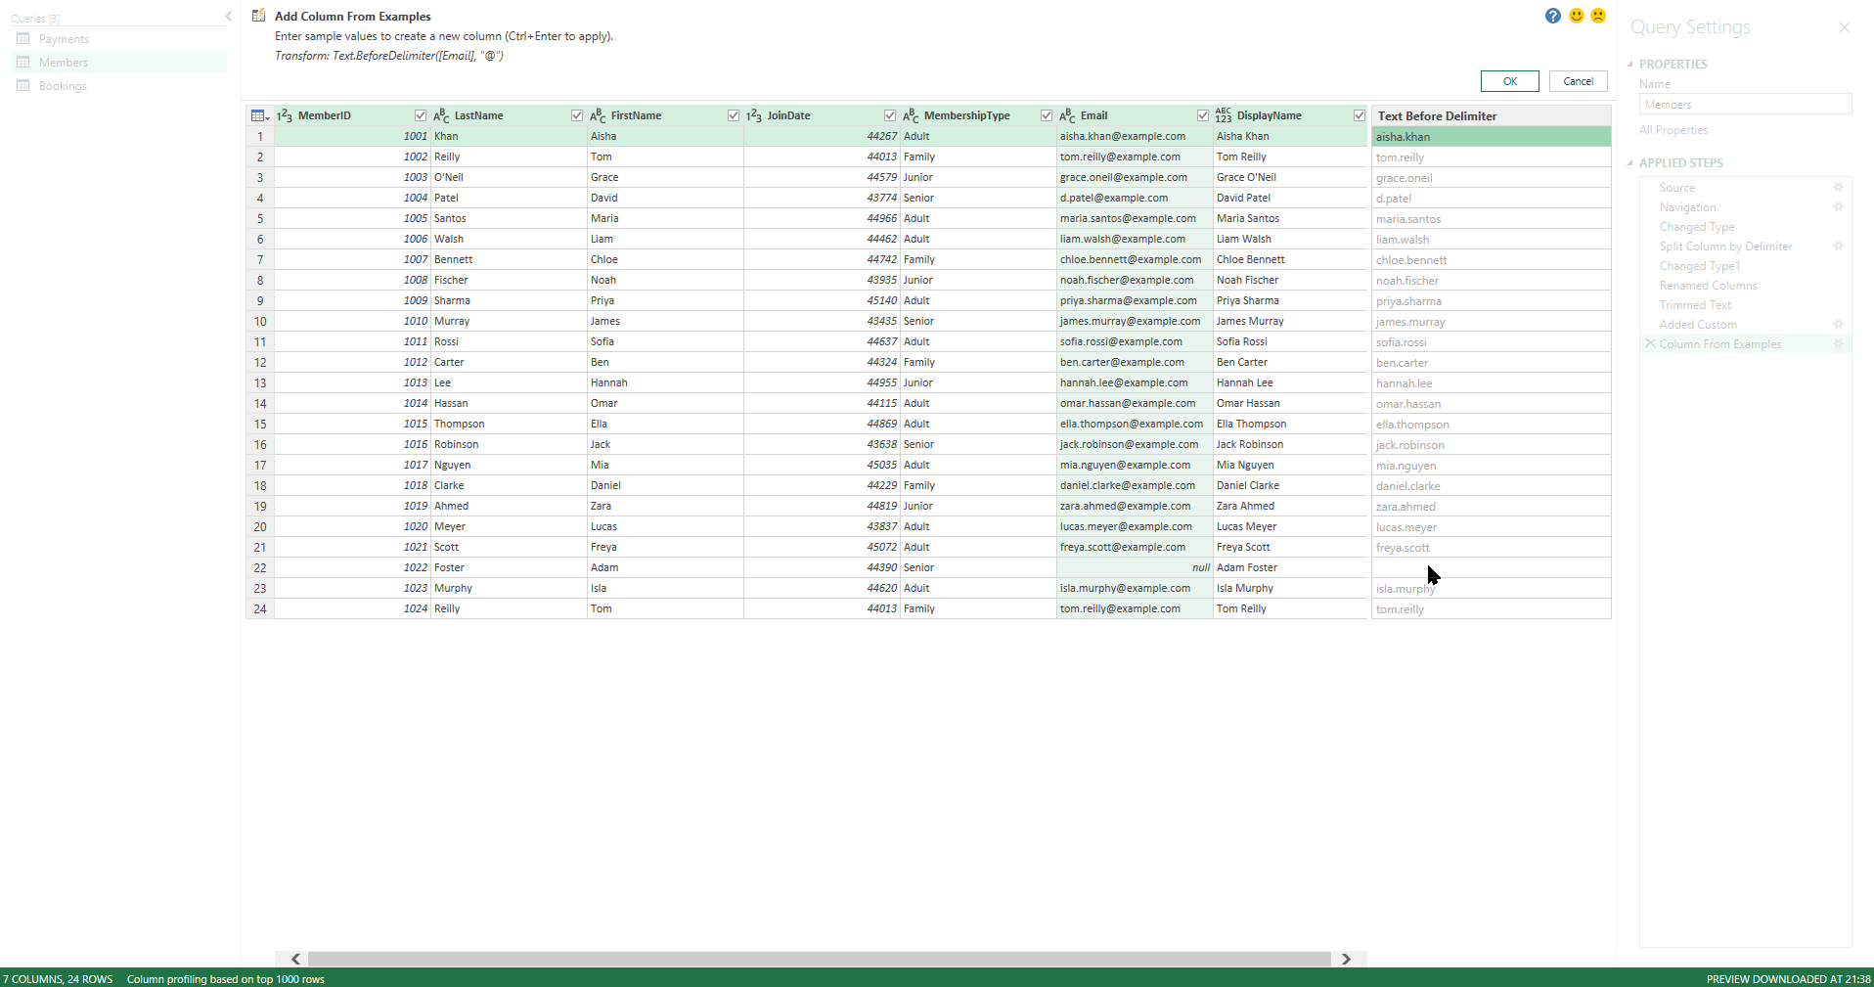

Check it (type your answer; the cell turns green or red)
 | Question | Your answer | Check | 💡 Hints — try before you peek
 | What does your EmailUser column show for MemberID 1009? |  |  | Everything before the @ of her email address.

💡 Column From Examples is brilliant when a pattern is obvious to your eye but fiddly to write - dates, codes, names, parts of an address. One row to expect: the member whose email you labelled 'Not provided' in Module 3 has no @ symbol, so EmailUser just shows 'Not provided' - that's fine; note it and move on.

Task 6 - Conditional Columns
Task 6 - Conditional columns
Create categories with multi-rule logic (Add Column > Conditional Column)

A conditional column builds a category from rules you set. You'll make THREE, each with several branches. Add Column > Conditional Column, then 'Add rule' for each branch. Rules read top to bottom; the Else at the bottom catches whatever is left.

How to add one (general steps)
 | ① Add Column tab > Conditional Column. Give it a name.
 | ② Set the first rule: 'If [column] equals X then output Y'.
 | ③ Click 'Add rule' for each extra branch, in order.
 | ④ Set the 'Else' value (the catch-all), then OK.
 | ⑤ Wrong order or value? Delete the 'Added Conditional Column' step and redo it.

 | 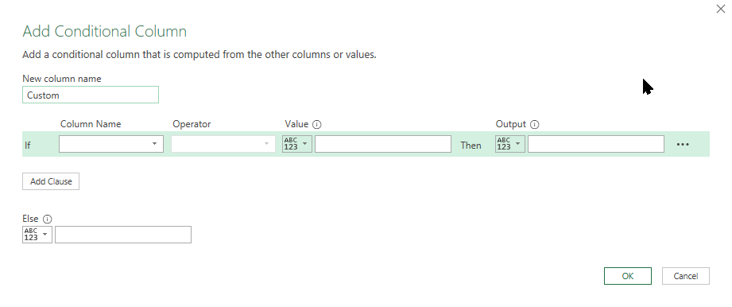

D1 - Members: 'MemberSegment'
Rules: MembershipType = Adult -> 'Full'; = Family -> 'Household'; = Junior OR Senior -> 'Concession'; Else -> 'Needs review'.
 | Question | Your answer | Check | 💡 Hints — try before you peek
 | How many members are 'Concession'? |  |  | Concession gathers two types — add their counts.
 | How many fall to 'Needs review'? (after cleaning this should be 0 - the Else is a safety net) |  |  | Else only catches types that aren't in your rules. You fixed the only rogue value back in Module 3.
 | How many are 'Full'? |  |  | Full = every Adult — including the one whose typo you corrected.

D2 - Members: 'Tenure' (from the join year)
Add a Year column first (select JoinDate > Add Column > Date > Year), then a conditional: year <= 2019 -> 'Veteran'; <= 2021 -> 'Established'; Else -> 'Recent'.
 | Question | Your answer | Check
 | How many members are 'Veteran'?
 | How many are 'Recent'?

D3 - Payments: 'AmountReview'
Rules: Amount > 100 -> 'Escalate'; >= 50 -> 'High'; >= 30 -> 'Standard'; Else -> 'Low'. (Use the > and >= operators; build from the top down.)
 | Question | Your answer | Check
 | How many payments are 'Escalate'? (the outlier)
 | How many are 'High'?
 | How many are 'Standard'?

