Task 1 - Append
Task 1 - Append (stack rows)
Add February bookings onto January's

There's a second bookings file, Bookings_Feb.csv, with the SAME columns as your January bookings. Because the columns match, you can stack them into one table with Append. First import the February file as a connection (like Module 2), then append.

Step by step
 | ① Import the new file: Data > Get Data > From File > From Text/CSV > Bookings_Feb.csv > Load To... > Only Create Connection. (Rename it 'Bookings_Feb'.)
 | ② Now combine: Data > Get Data > Combine Queries > Append. (Or in the Power Query Editor: Home > Append Queries.)
 | ③ Choose 'Two tables'. Set the first table to your January Bookings and the second to Bookings_Feb.
 | ④ Click OK. The February rows are added under the January rows - same columns, more rows.
 | ⑤ Tip: append to a NEW query so your monthly tables stay separate underneath. Name the result 'Bookings_All'.
 | 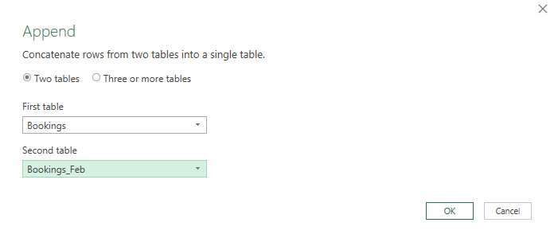

Check it
 | Question | Your answer | Check | 💡 Hints — try before you peek
 | How many bookings are in January (your original Bookings table)? |  |  | Row counts show bottom-left of the editor — or =COUNTA(A5:A24) on January's IDs.
 | How many bookings are in the February file? |  |  | Same check on the February query.
 | After appending, how many bookings in total? |  |  | Appending stacks rows — so just add the two counts. Verify on Bookings_All.

💡 Append matches columns by NAME, not by position - so it's fine that the February file lists its columns in a different order. What matters is the names: if a column NAME differs between the two tables, Power Query keeps both versions and fills the gaps with null - a sign your tables aren't truly alike.

Task 2 - Merge
Task 2 - Merge (join on a key)
Bring each member's payment into the Members table

Now join two DIFFERENT tables. Members and Payments both contain MemberID - that shared column is the 'key' that lets Power Query line up the right rows. You'll add the payment Amount onto each member.

Step by step
 | ① In the Power Query Editor, select your Members query.
 | ② Home > Merge Queries (choose 'Merge Queries as New' to make a separate result).
 | ③ Top table = Members. Bottom table = Payments.
 | ④ Click the MemberID column heading in BOTH tables - this tells Power Query what to match on.
 | ⑤ Choose the Join Kind (next task explains the choice) - for now pick 'Left Outer'. Click OK.
 | ⑥ A new column appears holding the matching Payments rows. Click the little EXPAND arrows on its heading and tick 'Amount' to pull that column in.

 | 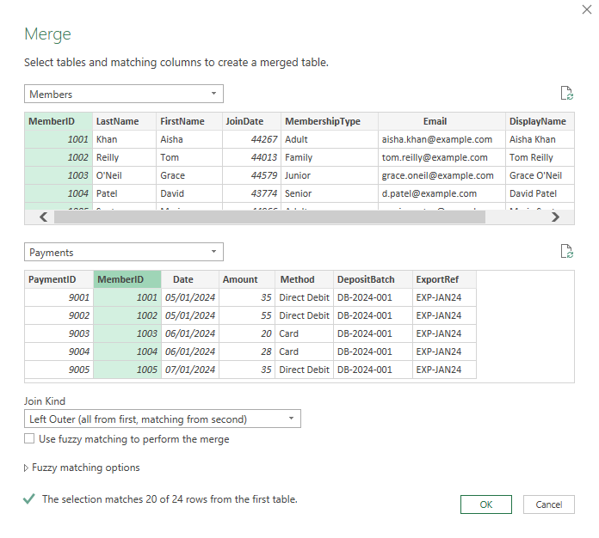

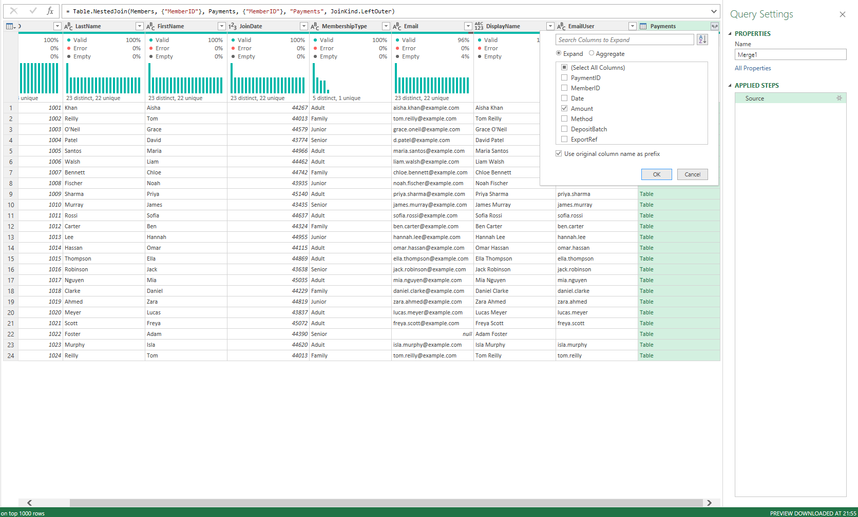
Check it
 | Question | Your answer | Check | 💡 Hints — try before you peek
 | Which column is the shared key you match on? |  |  | Which column name appears in BOTH tables?
 | Does merge make the table WIDER or TALLER? |  |  | Merge bolts on extra COLUMNS from the second table — what does that do to the shape?

💡 'Merge as New' keeps your original queries intact and puts the joined result in a new query - tidy, and easy to undo.

Task 3 - Inner vs Left
Task 3 - Inner join vs Left outer join
The Join Kind changes which rows you keep

Not every member has a payment - three members (1021, 1022, 1023) never paid. What happens to them when you merge depends on the JOIN KIND you pick. Try both and watch the row count.

What the two joins mean
 | LEFT OUTER join: keep EVERY row from the top (left) table - all members - and add payment info where it exists. Members with no payment are kept, with a blank (null) Amount.

 | INNER join: keep ONLY rows that match in BOTH tables - only members who DID pay. Members with no payment are dropped entirely.

Try it both ways
 | ① Do the merge from Task 2 with Join Kind = 'Left Outer'. Note the row count.
 | ② Now repeat (or change the merge step) with Join Kind = 'Inner'. Note the row count again.
 | ③ Compare: the difference is exactly the members who never paid.

 | 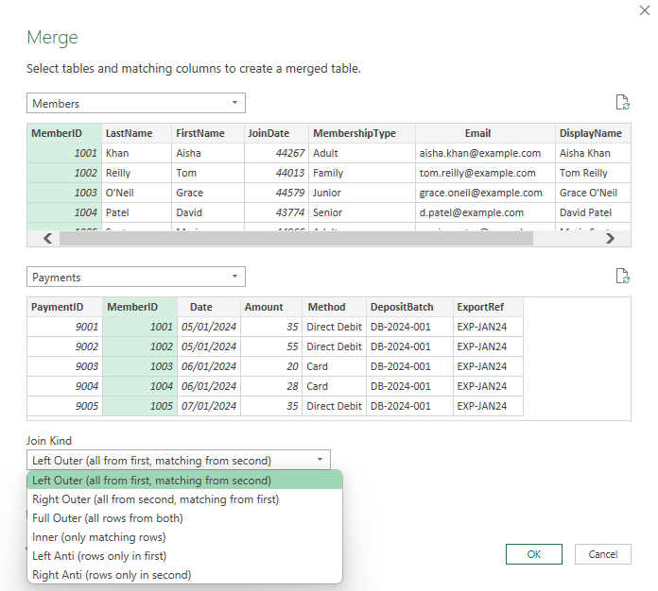

Check it
 | Question | Your answer | Check | 💡 Hints — try before you peek
 | With a LEFT OUTER join, how many member rows in the result? |  |  | Left Outer keeps every member, paid or not — so it matches the member count.
 | With an INNER join, how many member rows in the result? |  |  | Inner keeps only members with a payment match.
 | How many members are dropped by the inner join? |  |  | Subtract the two row counts — those are your non-payers.

💡 Rule of thumb: LEFT OUTER when you must keep everything from your main table; INNER when you only want records that exist in both. Choosing wrong here would silently lose 3 members - exactly the kind of error to avoid.

