Task 1 - Sort & Spot
Task 1 - Sort to spot extremes
Payments - find the biggest payment and judge it

Sorting lines data up from highest to lowest (or A-Z, or earliest to latest), which instantly shows the extremes - and anything that doesn't belong. Sort the payments by Amount and look at the top.

Step by step
 | ① Open your Payments query (or load it to a sheet to look at it).
 | ② Click the dropdown arrow on the 'Amount' column heading.
 | ③ Choose 'Sort Descending' (largest first).
 | ④ Look at the top value. Ask yourself: does it fit with the others, or is it unusually large?

 | 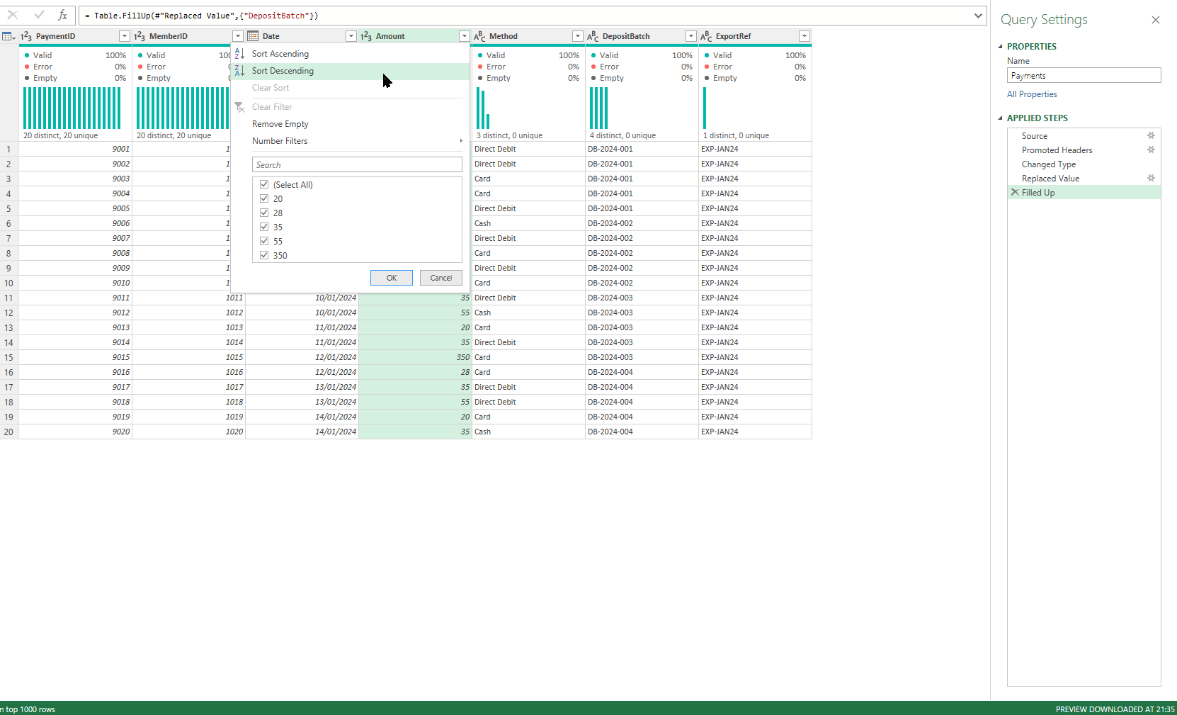

Check it
 | Question | Your answer | Check | 💡 Hints — try before you peek
 | What is the largest single payment amount? |  |  | Sort Amount descending and read the top — or try =MAX(range).
 | Most payments are £20-£55. Is that top value normal, or an outlier to investigate? (one word) |  |  | Compare the top value against the 20-55 everyone else pays. Does it belong?

💡 Spotting an outlier is a real finding. You don't fix or delete it here - you NOTE it ('one payment of 350 is far above the rest - worth checking'). That note is what you'd pass on.

Task 2 - Group & Count
Task 2 - Group and count
Bookings (Jan + Feb) - which activity is most popular?

'Group By' collapses rows into one line per category and counts them - the quickest way to see what's most and least common. Use your appended Bookings_All table from Module 5.

Step by step
 | ① Open the Bookings_All query (the appended Jan + Feb table) in the Power Query Editor.
 | ② Home tab > Group By.
 | ③ Group by 'Activity'. For the operation choose 'Count Rows' and name it 'Bookings'.
 | ④ Click OK. You get one row per activity with its count.
 | ⑤ Click the new 'Bookings' column dropdown > Sort Descending to put the most popular at the top.

 | 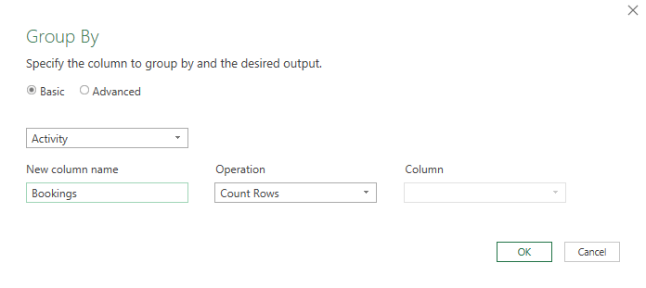

Check it
 | Question | Your answer | Check | 💡 Hints — try before you peek
 | Which activity is booked most often? (one word) |  |  | Group By Activity with Count Rows, sort descending — the answer is the top row.
 | How many Swimming bookings are there in total (Jan + Feb)? |  |  | Read the Swimming row of your grouped table — or =COUNTIF(C5:C32,"Swimming").
 | How many different activities are there? |  |  | Count the rows of your grouped table — or challenge: =SUMPRODUCT(1/COUNTIF(range,range)).

💡 Group By + Count is the engine behind most 'top 10' or 'most common' findings you'll ever produce.

