Calculation Sheet
TPS25948xx Design Calculation Tool

 | Constants Cells
 | Input/SelectCells
 | Calculation Cells
1. During startup of device it is advisable to keep downstream load other than capacitive load such as dc-dc converters disabled until device starts up successfully .
2. High load causes huge thermal stress during startup which leads to thermal shutdown before startup thus causing failed stratup.
3. It is recommended to enable downstream load when VOUT is close to VIN.
4. This calculator provide option for CR,CC and CP load during startup.
5. As practical loads have some turn on threshold(voltage at which they start drawing current) , so user can also input this turn on threshold for each load.
6. Fig 1 shows configuration where downstream load monitors VOUT and gets enabled when VOUT crosses a certain turn on threshold of load.
7. Fig 2 shows configuartion where SPLYGD pin of device is used to enable downstream load. Here we are ensuring that load is enabled after eFuse has successfully started up.
Fig 1 Fig 2
 | Calculated, but can be over-ridden by user
 | Error Cells, Must be Fixed

Parameter | Description | Value | Units | Tolerance | Recommended Value
VIN (max) | Maximum Operating input voltage (magnitude) | 12.00 | V
OVLO Set Point | Desired Over Voltage Lockout Set Point | 16.00 | V | 3.0%
UVLO Set Point | Desired Undervoltage Threshold (VIN Rising) | 10.80 | V | 3.0%
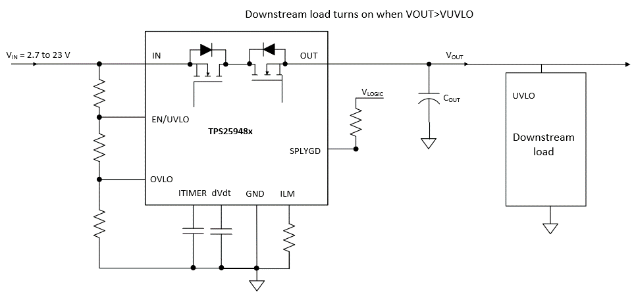
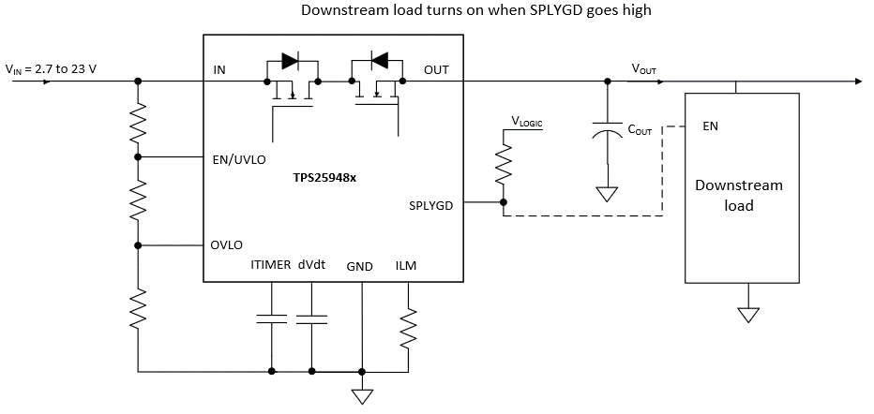
VUVP | Internal Undervoltage Protection Threshold (VIN Rising) | 2.53 | V | 3.0%
Cout | Load Capacitance | 220.0 | uF | 10.0%
 | Is there downstream load present other than load cap at startup? | YES
VONTH (CR) (V) | constant resistance load turn on threshold voltage | 0.0 | V
RLOAD (STARTUP) (Ω) | CR load at startup | 2.0 | Ohm
VONTH (CC) (V) | constant current load turn on threshold voltage | 3.0 | V
ILOAD (STARTUP) (A) | CC load at startup | 0.0 | A
VONTH (CP) (V) | constant power load turn on threshold voltage | 8.0 | V
PLOAD (STARTUP) (W) | CP load at startup | 0.0 | W
Istartup(A) | It is sum of max downstream load current and load cap charge current during startup . If it is greater than current limit then device will go into current limit and have current limited startup. It is recommended to have non current limit startup when load other than cap is present. | 6.2558139535 | A
Imax | Maximum continuous load current (magnitude) | 8.00 | A
Ilimit | Current Limit, 10.5% higher than maximum continuous load current | 8.840 | A
tITIMER | Load transient blanking interval | 2 | ms
TA, MAX | Maximum Operating Ambient temperature | 25.00 | °C

VIN Thresholds Programmed
UVLO, OVLO set point calculations |  |  |  |  |  |  |  | R2+R3
UVLO Set Point | Desired Undervoltage Threshold (VIN Rising) | 10.80
OVLO Set Point | Desired Over Voltage Lockout Set Point | 16.00 |  |  |  | 9.82 | Power Fail (VIN Falling) | R2
R1: Pullup at EN/OVLO Pin | Value > 350K recommended | 470.0 | kOhm | 1.0% |  | 10.71 | Release UVLO (VIN Rising)
R2_cal | Calculated value of Resistor at EN/OVLO pin | 19.1 | kOhm |  |  | 14.48 | Release OVLO (VIN Falling)
R3_cal | Calculated value of Resistor at EN/OVLO pin | 39.7 | kOhm |  |  | 15.80 | OV Cutoff (VIN Rising) | R3
SELECT THE VALUE OF RESISTORS AS CLOSEST AVAILABLE VALUE OF R2 & R3 |  |  |  |  |  |  |  |  |  |  | R2+R3
R2 | Select the closest possible value as R2_cal | 19.10 | kOhm | 1.00% | 19.1
R3 | Select the closest possible value as R3_cal | 40.20 | kOhm | 1.00% | 40.2 |  |  |  | 0.00 | Power Fail (VIN Falling) | R2
UV_final_rising | Undervoltage Threshold (VIN Rising) | 10.71 | V | 3.5% |  |  |  |  | 0.00 | Release UVLO (VIN Rising)
UV_final_falling | Undervoltage Threshold (VIN Falling) | 9.82 | V | 6.5% |  |  |  | #N/A | 0.00 | Release OVLO (VIN Falling) | #N/A
OV_final_rising | Overvoltage Threshold (VIN Rising) | 15.80 | V | 3.5% |  |  |  |  | 0.00 | OV Cutoff (VIN Rising) | R3
OV_final_falling | Overvoltage Threshold (VIN Falling) | 14.48 | V | 6.5% |  |  |  | #REF!
I_R123 | Current in R1, R2 and R3 Branch | 22.67 | uA |  |  |  |  | #REF! |  |  | #N/A
 |  |  |  |  |  |  |  | #REF!
 |  |  |  |  |  |  |  | #REF! |  |  | #REF!
Calculations for Ilimit (resistor on ILM Pin) |  |  |  |  |  |  | 0.26 | Inrush Charging Current
RILM_Cal | Calculated current limit resistor | 546.83 | Ohm |  |  |  | 8.81 | Overload Curr Limit
SELECT A ILIMIT RESISTOR WITH THE CLOSEST AVAILABLE VALUE OF Rilm_Cal
RILM | Select the closest available value of RLM_cal | 549.00 | Ohm | 1.0%
Ilimit_final | Final current Limit Set Point | 8.81 | A | 10.5%
Isc | Scalable fast trip threshold | 17.61 | A | 10.5%

Calculations for SoftStart control (external cap on dVdt pin)
Parameter | Description | Value | Units | Tolerance
I_dVdt | Internal charging current on dVdt | 2.20 | uA | 10.4%
Icharge_fastest | Charging current when charging at fastest possible rate | 5.28 | A
Tchg_fastest | when no external capacitor is connected (max. slew rate) | 0.50 | ms | 15.0%
Tchg_req | The charging time required | 10.00 | ms
Icharge_req | Charging (inrush) current desired in the system | 1.00 | A
Cext_dvdt_cal1 | calculated value of capacitor at dVdT pin for required Tcharge | 4166.67 | pF
Cext_dvdt_cal2 | calculated value of capacitor at dVdT pin for required Icharge | 1100.00 | pF
SELECT A CAPACITOR WITH THE CLOSEST POSSIBLE VALUE to max(Cext_dvdt_cal1, Cext_dvdt_cal2) |  |  |  |  | 4.17
CdVdT_ext | The external capacitor connecetd across dVdT pin (OPEN, or >=1nF) | 4.30 | nf | 10.0%
Icharge | Charging Current through load cap as per dVdT setting | 255.81 | mA | 14.1% | 4.3
Does Device Enter Current Limit during start-up? |  | FALSE |  |  | 0.30
Tchg_dvdt | charge time set | 15.64 | ms | 10.0%

 | Will the System have glitch-free startup? | YES
For CdVdt > 10 nF, it's recommended to add a 100-Ω resistor in series with the capacitor on the dVdt pin

Steady state Voltage drop & Power dissipation
Parameter | Description | Value | Units | Tolerance
Vdrop | Maximum voltage drop across device @ 25 degC | 96.00 | mV
Pdiss_Imax | Steady state power dissipation with Max current @ 25degC | 768.00 | mW

Setting Overcurrent Blanking Interval (tITIMER)
Parameter | Description | Value | Units | Tolerance
CITIMER_cal | Calculated Capacitor value at ITIMER pin | 2.58 | nF
CITIMER_sel | Select Closest value as CITIMER_cal | 2.7 | nF | 10.0% | 2.7
tITIMER_final | Final Load transient blanking interval | 2.09 | ms

Parameters internal to Device
Internal FET Parameters
Parameter | Description | Value | Units | Tolerance
VIN(Max) | Maximum input voltage | 23.0 | V
ID(max) | FET drain-source current rating (maximum) | 8.0 | A
Rds(on)(typ) | FET Rds(on) for –40°C ≤ TJ ≤ 125°C | 12.0 | mOhm

Thermal Parameters
Tj(max) | Device maximum junction temperature | 154.0 | C
RJA | Junction to ambient thermal resistance | 33.4 | C/W

Internal References
UVref | Internal Undervoltage reference (Falling) | 1.10 | V | 6.3%
OVref | Internal Overvoltage reference (Rising) | 1.20 | V | 3.0%
PGTH | Internal Power good reference(Rising) | 1.20 | v

